LOC728613 _multivariate
Reported by Tex Li-Hsing Chi. tex@gate.sinica.edu.tw 2019-08-18

Table 2. The clinicopathological features of HNSCC cohort and LOC728613 expression. (Chi square test)
Cutoff at -0.27 (49.8%)
 |  | LOC728613 expression |  | LOC728613 expression |  | (Optimised)
 | Features | Low | (%) | High | (%) | Case no | P-value | Remark | Matthews
Gender | Female | 142 | 34.2 | 164 | 39.5 | 415 | 0.0238 | 1 | 0
2 | Male | 65 | 15.7 | 44 | 10.6
Age at diagnosis | <=65y | 132 | 31.8 | 142 | 34.2 | 415 | 0.3874 | 0 | 0
4 | >65y | 75 | 18.1 | 66 | 15.9
Clinical T Status | T1+T2 | 80 | 19.3 | 69 | 16.6 | 415 | 0.2891 | 0 | 0
6 | T3+T4 | 127 | 30.6 | 139 | 33.5
Clinical N Status | N0 | 105 | 25.3 | 111 | 26.7 | 415 | 0.6598 | 0 | 0
8 | N1-3 | 102 | 24.6 | 97 | 23.4
Clinical M Status | M0 | 206 | 49.6 | 206 | 49.6 | 415 | 1 | 0 | 0
10 | M1 | 1 | 0.2 | 2 | 0.5
Clinical Stage | Stage I+II | 53 | 12.8 | 49 | 11.8 | 415 | 0.7113 | 0 | 0
12 | Stage III+IV | 154 | 37.1 | 159 | 38.3
Surgical Margin status | Negative | 149 | 35.9 | 169 | 40.7 | 415 | 0.0278 | 1 | 0
14 | Positive | 58 | 14 | 39 | 9.4
Tobacco Exposure | Low | 102 | 24.6 | 59 | 14.2 | 415 | 0 | 1 | 0
16 | High | 105 | 25.3 | 149 | 35.9

Table 3. Univariate/Multivariate Cox's proportional hazards regression analyses on OS time of LOC728613 gene expression in HNSCC

 |  | Univariate |  |  |  | Multivariate
 | Features | HR | CI95%(L) | CI95%(H) | P-value | HR | CI95%(L) | CI95%(H) | P-value
1 | Female | 1 |  |  |  | 1
Gender | Male | 1.157 | 0.843 | 1.587 | 0.367 | 1.206 | 0.863 | 1.685 | 0.273
11 | <=65y | 1 |  |  |  | 1
Age at diagnosis | >65y | 1.329 | 0.99 | 1.784 | 0.058 | 1.393 | 1.025 | 1.893 | 0.034
12 | T1+T2 | 1 |  |  |  | 1
Clinical T Status | T3+T4 | 1.409 | 1.028 | 1.931 | 0.033 | 2.19 | 1.157 | 4.143 | 0.016
13 | N0 | 1 |  |  |  | 1
Clinical N Status | N1-3 | 1.185 | 0.89 | 1.577 | 0.246 | 1.245 | 0.872 | 1.777 | 0.227
14 | M0 | 1 |  |  |  | 1
Clinical M Status | M1 | 4.097 | 1.009 | 16.644 | 0.049 | 9.193 | 1.997 | 42.317 | 0.004
15 | Stage I+II | 1 |  |  |  | 1
Clinical Stage | Stage III+IV | 1.245 | 0.882 | 1.759 | 0.213 | 0.506 | 0.236 | 1.085 | 0.08
16 | Negative | 1 |  |  |  | 1
Surgical Margin status | Positive | 1.591 | 1.155 | 2.191 | 0.004 | 1.683 | 1.216 | 2.33 | 0.002
17 | Low | 1 |  |  |  | 1
Tobacco Exposure | High | 1.364 | 1.008 | 1.844 | 0.044 | 1.436 | 1.037 | 1.989 | 0.029
18 | Low | 1 |  |  |  | 1
RNAseq(z-score) | High | 1.075 | 0.807 | 1.432 | 0.622 | 1.062 | 0.789 | 1.431 | 0.691

Table 4. Univariate/Multivariate Cox's proportional hazards regression analyses on RFS time of LOC728613 gene expression in HNSCC

 |  | Univariate |  |  |  | Multivariate
 | Features | HR | CI95%(L) | CI95%(H) | P-value | HR | CI95%(L) | CI95%(H) | P-value
1 | Female | 1 |  |  |  | 1
Gender | Male | 1.157 | 0.843 | 1.587 | 0.367 | 1.206 | 0.863 | 1.685 | 0.273
11 | <=65y | 1 |  |  |  | 1
Age at diagnosis | >65y | 1.329 | 0.99 | 1.784 | 0.058 | 1.393 | 1.025 | 1.893 | 0.034
12 | T1+T2 | 1 |  |  |  | 1
Clinical T Status | T3+T4 | 1.409 | 1.028 | 1.931 | 0.033 | 2.19 | 1.157 | 4.143 | 0.016
13 | N0 | 1 |  |  |  | 1
Clinical N Status | N1-3 | 1.185 | 0.89 | 1.577 | 0.246 | 1.245 | 0.872 | 1.777 | 0.227
14 | M0 | 1 |  |  |  | 1
Clinical M Status | M1 | 4.097 | 1.009 | 16.644 | 0.049 | 9.193 | 1.997 | 42.317 | 0.004
15 | Stage I+II | 1 |  |  |  | 1
Clinical Stage | Stage III+IV | 1.245 | 0.882 | 1.759 | 0.213 | 0.506 | 0.236 | 1.085 | 0.08
16 | Negative | 1 |  |  |  | 1
Surgical Margin status | Positive | 1.591 | 1.155 | 2.191 | 0.004 | 1.683 | 1.216 | 2.33 | 0.002
17 | Low | 1 |  |  |  | 1
Tobacco Exposure | High | 1.364 | 1.008 | 1.844 | 0.044 | 1.436 | 1.037 | 1.989 | 0.029
18 | Low | 1 |  |  |  | 1
RNAseq(z-score) | High | 1.075 | 0.807 | 1.432 | 0.622 | 1.062 | 0.789 | 1.431 | 0.691

Kaplan-Meier survival estimate: Cutoff at -0.27 (49.8%)



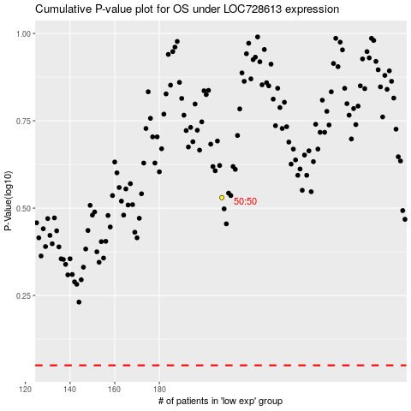

 |  |  |  |  |  | cases_OS | p_OS | rank | exp
 |  |  |  |  |  |  | cases_RFS | p_RFS | rank | exp

