LOC728758 _multivariate
Reported by Tex Li-Hsing Chi. tex@gate.sinica.edu.tw 2019-08-18

Table 2. The clinicopathological features of HNSCC cohort and LOC728758 expression. (Chi square test)
Cutoff at -0.303 (50.0%)
 |  | LOC728758 expression |  | LOC728758 expression |  | (Optimised)
 | Features | Low | (%) | High | (%) | Case no | P-value | Remark | Matthews
Gender | Female | 152 | 36.6 | 154 | 37.1 | 415 | 0.9766 | 0 | 0
2 | Male | 55 | 13.3 | 54 | 13
Age at diagnosis | <=65y | 127 | 30.6 | 147 | 35.4 | 415 | 0.0573 | 0 | 0
4 | >65y | 80 | 19.3 | 61 | 14.7
Clinical T Status | T1+T2 | 75 | 18.1 | 74 | 17.8 | 415 | 0.9707 | 0 | 0
6 | T3+T4 | 132 | 31.8 | 134 | 32.3
Clinical N Status | N0 | 111 | 26.7 | 105 | 25.3 | 415 | 0.5875 | 0 | 0
8 | N1-3 | 96 | 23.1 | 103 | 24.8
Clinical M Status | M0 | 205 | 49.4 | 207 | 49.9 | 415 | 0.6232 | 0 | 0
10 | M1 | 2 | 0.5 | 1 | 0.2
Clinical Stage | Stage I+II | 54 | 13 | 48 | 11.6 | 415 | 0.5498 | 0 | 0
12 | Stage III+IV | 153 | 36.9 | 160 | 38.6
Surgical Margin status | Negative | 165 | 39.8 | 153 | 36.9 | 415 | 0.1639 | 0 | 0
14 | Positive | 42 | 10.1 | 55 | 13.3
Tobacco Exposure | Low | 78 | 18.8 | 83 | 20 | 415 | 0.6873 | 0 | 0
16 | High | 129 | 31.1 | 125 | 30.1

Table 3. Univariate/Multivariate Cox's proportional hazards regression analyses on OS time of LOC728758 gene expression in HNSCC

 |  | Univariate |  |  |  | Multivariate
 | Features | HR | CI95%(L) | CI95%(H) | P-value | HR | CI95%(L) | CI95%(H) | P-value
1 | Female | 1 |  |  |  | 1
Gender | Male | 1.157 | 0.843 | 1.587 | 0.367 | 1.175 | 0.84 | 1.645 | 0.346
11 | <=65y | 1 |  |  |  | 1
Age at diagnosis | >65y | 1.329 | 0.99 | 1.784 | 0.058 | 1.416 | 1.041 | 1.926 | 0.027
12 | T1+T2 | 1 |  |  |  | 1
Clinical T Status | T3+T4 | 1.409 | 1.028 | 1.931 | 0.033 | 2.245 | 1.186 | 4.247 | 0.013
13 | N0 | 1 |  |  |  | 1
Clinical N Status | N1-3 | 1.185 | 0.89 | 1.577 | 0.246 | 1.255 | 0.879 | 1.792 | 0.211
14 | M0 | 1 |  |  |  | 1
Clinical M Status | M1 | 4.097 | 1.009 | 16.644 | 0.049 | 9.635 | 2.1 | 44.203 | 0.004
15 | Stage I+II | 1 |  |  |  | 1
Clinical Stage | Stage III+IV | 1.245 | 0.882 | 1.759 | 0.213 | 0.486 | 0.226 | 1.045 | 0.065
16 | Negative | 1 |  |  |  | 1
Surgical Margin status | Positive | 1.591 | 1.155 | 2.191 | 0.004 | 1.621 | 1.169 | 2.249 | 0.004
17 | Low | 1 |  |  |  | 1
Tobacco Exposure | High | 1.364 | 1.008 | 1.844 | 0.044 | 1.451 | 1.054 | 1.999 | 0.023
18 | Low | 1 |  |  |  | 1
RNAseq(z-score) | High | 1.229 | 0.921 | 1.641 | 0.162 | 1.197 | 0.891 | 1.608 | 0.232

Table 4. Univariate/Multivariate Cox's proportional hazards regression analyses on RFS time of LOC728758 gene expression in HNSCC

 |  | Univariate |  |  |  | Multivariate
 | Features | HR | CI95%(L) | CI95%(H) | P-value | HR | CI95%(L) | CI95%(H) | P-value
1 | Female | 1 |  |  |  | 1
Gender | Male | 1.157 | 0.843 | 1.587 | 0.367 | 1.175 | 0.84 | 1.645 | 0.346
11 | <=65y | 1 |  |  |  | 1
Age at diagnosis | >65y | 1.329 | 0.99 | 1.784 | 0.058 | 1.416 | 1.041 | 1.926 | 0.027
12 | T1+T2 | 1 |  |  |  | 1
Clinical T Status | T3+T4 | 1.409 | 1.028 | 1.931 | 0.033 | 2.245 | 1.186 | 4.247 | 0.013
13 | N0 | 1 |  |  |  | 1
Clinical N Status | N1-3 | 1.185 | 0.89 | 1.577 | 0.246 | 1.255 | 0.879 | 1.792 | 0.211
14 | M0 | 1 |  |  |  | 1
Clinical M Status | M1 | 4.097 | 1.009 | 16.644 | 0.049 | 9.635 | 2.1 | 44.203 | 0.004
15 | Stage I+II | 1 |  |  |  | 1
Clinical Stage | Stage III+IV | 1.245 | 0.882 | 1.759 | 0.213 | 0.486 | 0.226 | 1.045 | 0.065
16 | Negative | 1 |  |  |  | 1
Surgical Margin status | Positive | 1.591 | 1.155 | 2.191 | 0.004 | 1.621 | 1.169 | 2.249 | 0.004
17 | Low | 1 |  |  |  | 1
Tobacco Exposure | High | 1.364 | 1.008 | 1.844 | 0.044 | 1.451 | 1.054 | 1.999 | 0.023
18 | Low | 1 |  |  |  | 1
RNAseq(z-score) | High | 1.229 | 0.921 | 1.641 | 0.162 | 1.197 | 0.891 | 1.608 | 0.232

Kaplan-Meier survival estimate: Cutoff at -0.303 (50.0%)



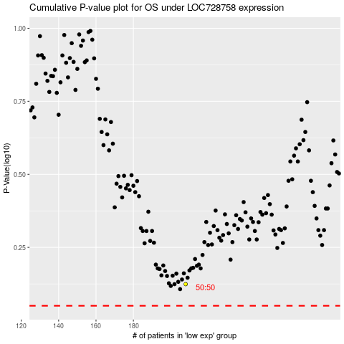

 |  |  |  |  |  | cases_OS | p_OS | rank | exp
 |  |  |  |  |  |  | cases_RFS | p_RFS | rank | exp

