LOC728819 _multivariate
Reported by Tex Li-Hsing Chi. tex@gate.sinica.edu.tw 2019-08-18

Table 2. The clinicopathological features of HNSCC cohort and LOC728819 expression. (Chi square test)
Cutoff at -0.348 (49.8%)
 |  | LOC728819 expression |  | LOC728819 expression |  | (Optimised)
 | Features | Low | (%) | High | (%) | Case no | P-value | Remark | Matthews
Gender | Female | 141 | 34 | 165 | 39.8 | 415 | 0.013 | 1 | 0
2 | Male | 66 | 15.9 | 43 | 10.4
Age at diagnosis | <=65y | 137 | 33 | 137 | 33 | 415 | 1 | 0 | 0
4 | >65y | 70 | 16.9 | 71 | 17.1
Clinical T Status | T1+T2 | 76 | 18.3 | 73 | 17.6 | 415 | 0.8092 | 0 | 0
6 | T3+T4 | 131 | 31.6 | 135 | 32.5
Clinical N Status | N0 | 106 | 25.5 | 110 | 26.5 | 415 | 0.8075 | 0 | 0
8 | N1-3 | 101 | 24.3 | 98 | 23.6
Clinical M Status | M0 | 205 | 49.4 | 207 | 49.9 | 415 | 0.6232 | 0 | 0
10 | M1 | 2 | 0.5 | 1 | 0.2
Clinical Stage | Stage I+II | 54 | 13 | 48 | 11.6 | 415 | 0.5498 | 0 | 0
12 | Stage III+IV | 153 | 36.9 | 160 | 38.6
Surgical Margin status | Negative | 158 | 38.1 | 160 | 38.6 | 415 | 0.9081 | 0 | 0
14 | Positive | 49 | 11.8 | 48 | 11.6
Tobacco Exposure | Low | 92 | 22.2 | 69 | 16.6 | 415 | 0.0206 | 1 | 0
16 | High | 115 | 27.7 | 139 | 33.5

Table 3. Univariate/Multivariate Cox's proportional hazards regression analyses on OS time of LOC728819 gene expression in HNSCC

 |  | Univariate |  |  |  | Multivariate
 | Features | HR | CI95%(L) | CI95%(H) | P-value | HR | CI95%(L) | CI95%(H) | P-value
1 | Female | 1 |  |  |  | 1
Gender | Male | 1.157 | 0.843 | 1.587 | 0.367 | 1.2 | 0.858 | 1.68 | 0.287
11 | <=65y | 1 |  |  |  | 1
Age at diagnosis | >65y | 1.329 | 0.99 | 1.784 | 0.058 | 1.391 | 1.023 | 1.892 | 0.035
12 | T1+T2 | 1 |  |  |  | 1
Clinical T Status | T3+T4 | 1.409 | 1.028 | 1.931 | 0.033 | 2.201 | 1.164 | 4.163 | 0.015
13 | N0 | 1 |  |  |  | 1
Clinical N Status | N1-3 | 1.185 | 0.89 | 1.577 | 0.246 | 1.24 | 0.869 | 1.77 | 0.236
14 | M0 | 1 |  |  |  | 1
Clinical M Status | M1 | 4.097 | 1.009 | 16.644 | 0.049 | 9.391 | 2.047 | 43.078 | 0.004
15 | Stage I+II | 1 |  |  |  | 1
Clinical Stage | Stage III+IV | 1.245 | 0.882 | 1.759 | 0.213 | 0.506 | 0.235 | 1.087 | 0.081
16 | Negative | 1 |  |  |  | 1
Surgical Margin status | Positive | 1.591 | 1.155 | 2.191 | 0.004 | 1.671 | 1.21 | 2.309 | 0.002
17 | Low | 1 |  |  |  | 1
Tobacco Exposure | High | 1.364 | 1.008 | 1.844 | 0.044 | 1.454 | 1.055 | 2.005 | 0.022
18 | Low | 1 |  |  |  | 1
RNAseq(z-score) | High | 0.982 | 0.737 | 1.309 | 0.902 | 0.99 | 0.738 | 1.326 | 0.944

Table 4. Univariate/Multivariate Cox's proportional hazards regression analyses on RFS time of LOC728819 gene expression in HNSCC

 |  | Univariate |  |  |  | Multivariate
 | Features | HR | CI95%(L) | CI95%(H) | P-value | HR | CI95%(L) | CI95%(H) | P-value
1 | Female | 1 |  |  |  | 1
Gender | Male | 1.157 | 0.843 | 1.587 | 0.367 | 1.2 | 0.858 | 1.68 | 0.287
11 | <=65y | 1 |  |  |  | 1
Age at diagnosis | >65y | 1.329 | 0.99 | 1.784 | 0.058 | 1.391 | 1.023 | 1.892 | 0.035
12 | T1+T2 | 1 |  |  |  | 1
Clinical T Status | T3+T4 | 1.409 | 1.028 | 1.931 | 0.033 | 2.201 | 1.164 | 4.163 | 0.015
13 | N0 | 1 |  |  |  | 1
Clinical N Status | N1-3 | 1.185 | 0.89 | 1.577 | 0.246 | 1.24 | 0.869 | 1.77 | 0.236
14 | M0 | 1 |  |  |  | 1
Clinical M Status | M1 | 4.097 | 1.009 | 16.644 | 0.049 | 9.391 | 2.047 | 43.078 | 0.004
15 | Stage I+II | 1 |  |  |  | 1
Clinical Stage | Stage III+IV | 1.245 | 0.882 | 1.759 | 0.213 | 0.506 | 0.235 | 1.087 | 0.081
16 | Negative | 1 |  |  |  | 1
Surgical Margin status | Positive | 1.591 | 1.155 | 2.191 | 0.004 | 1.671 | 1.21 | 2.309 | 0.002
17 | Low | 1 |  |  |  | 1
Tobacco Exposure | High | 1.364 | 1.008 | 1.844 | 0.044 | 1.454 | 1.055 | 2.005 | 0.022
18 | Low | 1 |  |  |  | 1
RNAseq(z-score) | High | 0.982 | 0.737 | 1.309 | 0.902 | 0.99 | 0.738 | 1.326 | 0.944

Kaplan-Meier survival estimate: Cutoff at -0.348 (49.8%)

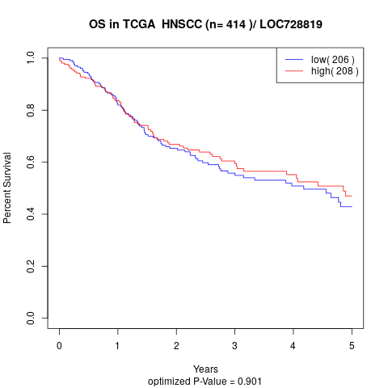

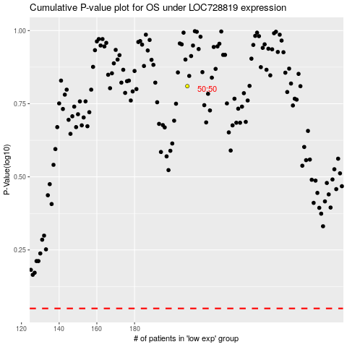

 |  |  |  |  |  | cases_OS | p_OS | rank | exp
 |  |  |  |  |  |  | cases_RFS | p_RFS | rank | exp

