LOC728855 _multivariate
Reported by Tex Li-Hsing Chi. tex@gate.sinica.edu.tw 2019-08-18

Table 2. The clinicopathological features of HNSCC cohort and LOC728855 expression. (Chi square test)
Cutoff at -0.232 (48.1%)
 |  | LOC728855 expression |  | LOC728855 expression |  | (Optimised)
 | Features | Low | (%) | High | (%) | Case no | P-value | Remark | Matthews
Gender | Female | 152 | 36.6 | 154 | 37.1 | 415 | 0.2871 | 0 | 0
2 | Male | 47 | 11.3 | 62 | 14.9
Age at diagnosis | <=65y | 137 | 33 | 137 | 33 | 415 | 0.2889 | 0 | 0
4 | >65y | 62 | 14.9 | 79 | 19
Clinical T Status | T1+T2 | 69 | 16.6 | 80 | 19.3 | 415 | 0.6899 | 0 | 0
6 | T3+T4 | 130 | 31.3 | 136 | 32.8
Clinical N Status | N0 | 117 | 28.2 | 99 | 23.9 | 415 | 0.011 | 1 | 0
8 | N1-3 | 82 | 19.8 | 117 | 28.2
Clinical M Status | M0 | 199 | 48 | 213 | 51.3 | 415 | 0.2494 | 0 | 0
10 | M1 | 0 | 0 | 3 | 0.7
Clinical Stage | Stage I+II | 45 | 10.8 | 57 | 13.7 | 415 | 0.4363 | 0 | 0
12 | Stage III+IV | 154 | 37.1 | 159 | 38.3
Surgical Margin status | Negative | 159 | 38.3 | 159 | 38.3 | 415 | 0.1335 | 0 | 0
14 | Positive | 40 | 9.6 | 57 | 13.7
Tobacco Exposure | Low | 68 | 16.4 | 93 | 22.4 | 415 | 0.0699 | 0 | 0
16 | High | 131 | 31.6 | 123 | 29.6

Table 3. Univariate/Multivariate Cox's proportional hazards regression analyses on OS time of LOC728855 gene expression in HNSCC

 |  | Univariate |  |  |  | Multivariate
 | Features | HR | CI95%(L) | CI95%(H) | P-value | HR | CI95%(L) | CI95%(H) | P-value
1 | Female | 1 |  |  |  | 1
Gender | Male | 1.157 | 0.843 | 1.587 | 0.367 | 1.188 | 0.852 | 1.659 | 0.31
11 | <=65y | 1 |  |  |  | 1
Age at diagnosis | >65y | 1.329 | 0.99 | 1.784 | 0.058 | 1.361 | 1 | 1.852 | 0.05
12 | T1+T2 | 1 |  |  |  | 1
Clinical T Status | T3+T4 | 1.409 | 1.028 | 1.931 | 0.033 | 2.117 | 1.118 | 4.01 | 0.021
13 | N0 | 1 |  |  |  | 1
Clinical N Status | N1-3 | 1.185 | 0.89 | 1.577 | 0.246 | 1.164 | 0.809 | 1.675 | 0.413
14 | M0 | 1 |  |  |  | 1
Clinical M Status | M1 | 4.097 | 1.009 | 16.644 | 0.049 | 8.2 | 1.774 | 37.912 | 0.007
15 | Stage I+II | 1 |  |  |  | 1
Clinical Stage | Stage III+IV | 1.245 | 0.882 | 1.759 | 0.213 | 0.554 | 0.256 | 1.198 | 0.133
16 | Negative | 1 |  |  |  | 1
Surgical Margin status | Positive | 1.591 | 1.155 | 2.191 | 0.004 | 1.615 | 1.166 | 2.237 | 0.004
17 | Low | 1 |  |  |  | 1
Tobacco Exposure | High | 1.364 | 1.008 | 1.844 | 0.044 | 1.478 | 1.072 | 2.037 | 0.017
18 | Low | 1 |  |  |  | 1
RNAseq(z-score) | High | 1.383 | 1.036 | 1.846 | 0.028 | 1.279 | 0.944 | 1.732 | 0.112

Table 4. Univariate/Multivariate Cox's proportional hazards regression analyses on RFS time of LOC728855 gene expression in HNSCC

 |  | Univariate |  |  |  | Multivariate
 | Features | HR | CI95%(L) | CI95%(H) | P-value | HR | CI95%(L) | CI95%(H) | P-value
1 | Female | 1 |  |  |  | 1
Gender | Male | 1.157 | 0.843 | 1.587 | 0.367 | 1.188 | 0.852 | 1.659 | 0.31
11 | <=65y | 1 |  |  |  | 1
Age at diagnosis | >65y | 1.329 | 0.99 | 1.784 | 0.058 | 1.361 | 1 | 1.852 | 0.05
12 | T1+T2 | 1 |  |  |  | 1
Clinical T Status | T3+T4 | 1.409 | 1.028 | 1.931 | 0.033 | 2.117 | 1.118 | 4.01 | 0.021
13 | N0 | 1 |  |  |  | 1
Clinical N Status | N1-3 | 1.185 | 0.89 | 1.577 | 0.246 | 1.164 | 0.809 | 1.675 | 0.413
14 | M0 | 1 |  |  |  | 1
Clinical M Status | M1 | 4.097 | 1.009 | 16.644 | 0.049 | 8.2 | 1.774 | 37.912 | 0.007
15 | Stage I+II | 1 |  |  |  | 1
Clinical Stage | Stage III+IV | 1.245 | 0.882 | 1.759 | 0.213 | 0.554 | 0.256 | 1.198 | 0.133
16 | Negative | 1 |  |  |  | 1
Surgical Margin status | Positive | 1.591 | 1.155 | 2.191 | 0.004 | 1.615 | 1.166 | 2.237 | 0.004
17 | Low | 1 |  |  |  | 1
Tobacco Exposure | High | 1.364 | 1.008 | 1.844 | 0.044 | 1.478 | 1.072 | 2.037 | 0.017
18 | Low | 1 |  |  |  | 1
RNAseq(z-score) | High | 1.383 | 1.036 | 1.846 | 0.028 | 1.279 | 0.944 | 1.732 | 0.112

Kaplan-Meier survival estimate: Cutoff at -0.232 (48.1%)

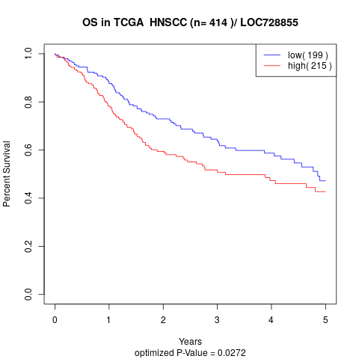

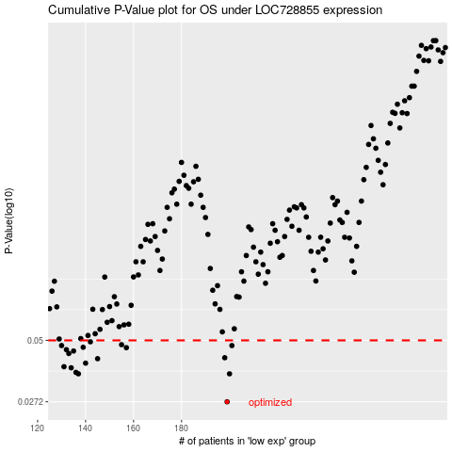

 |  |  |  |  |  | cases_OS | p_OS | rank | exp
 |  |  |  |  |  | 199 | 0.0272 | 137 | -0.23226750441
 |  |  |  |  |  | 200 | 0.0359 | 12 | -0.22378906046
 |  |  |  |  |  | 137 | 0.0359 | 85 | -0.49756236691
 |  |  |  |  |  | 136 | 0.0364 | 277 | -0.50015743393
 |  |  |  |  |  | 134 | 0.0381 | 266 | -0.50566495628
 |  |  |  |  |  | 131 | 0.0385 | 153 | -0.51398637653
 |  |  |  |  |  | 140 | 0.0399 | 326 | -0.48366075909
 |  |  |  |  |  | 145 | 0.0417 | 67 | -0.47339074168
 |  |  |  |  |  | 198 | 0.0421 | 184 | -0.23652551911
 |  |  |  |  |  | 133 | 0.0439 | 336 | -0.51133701941
 |  |  |  |  |  | 135 | 0.045 | 402 | -0.50559897292
 |  |  |  |  |  | 132 | 0.0456 | 145 | -0.51372996019
 |  |  |  |  |  | 157 | 0.0465 | 181 | -0.41757717278
 |  |  |  |  |  | 139 | 0.0467 | 381 | -0.49649661039
 |  |  |  |  |  | 201 | 0.0475 | 82 | -0.22301145911
 |  |  |  |  |  | 130 | 0.0475 | 192 | -0.51971941163
 |  |  |  |  |  | 155 | 0.0479 | 249 | -0.4216940332
 |  |  |  |  |  | 142 | 0.0493 | 224 | -0.47764207452
 |  |  |  |  |  |  | cases_RFS | p_RFS | rank | exp
 |  |  |  |  |  |  | 198 | 0.0272 | 184 | -0.23652551911
 |  |  |  |  |  |  | 199 | 0.0359 | 137 | -0.23226750441
 |  |  |  |  |  |  | 136 | 0.0359 | 277 | -0.50015743393
 |  |  |  |  |  |  | 135 | 0.0364 | 402 | -0.50559897292
 |  |  |  |  |  |  | 133 | 0.0381 | 336 | -0.51133701941
 |  |  |  |  |  |  | 130 | 0.0385 | 192 | -0.51971941163
 |  |  |  |  |  |  | 139 | 0.0399 | 381 | -0.49649661039
 |  |  |  |  |  |  | 144 | 0.0417 | 50 | -0.47648694814
 |  |  |  |  |  |  | 197 | 0.0421 | 45 | -0.23929682016
 |  |  |  |  |  |  | 132 | 0.0439 | 145 | -0.51372996019
 |  |  |  |  |  |  | 134 | 0.045 | 266 | -0.50566495628
 |  |  |  |  |  |  | 131 | 0.0456 | 153 | -0.51398637653
 |  |  |  |  |  |  | 156 | 0.0465 | 49 | -0.42169152751
 |  |  |  |  |  |  | 138 | 0.0467 | 348 | -0.49662440094
 |  |  |  |  |  |  | 200 | 0.0475 | 12 | -0.22378906046
 |  |  |  |  |  |  | 129 | 0.0475 | 313 | -0.52384880054
 |  |  |  |  |  |  | 154 | 0.0479 | 31 | -0.43893991149
 |  |  |  |  |  |  | 141 | 0.0493 | 144 | -0.48259416734

