LOC728875 _multivariate
Reported by Tex Li-Hsing Chi. tex@gate.sinica.edu.tw 2019-08-18

Table 2. The clinicopathological features of HNSCC cohort and LOC728875 expression. (Chi square test)
Cutoff at 0.03 (67.9%)
 |  | LOC728875 expression |  | LOC728875 expression |  | (Optimised)
 | Features | Low | (%) | High | (%) | Case no | P-value | Remark | Matthews
Gender | Female | 207 | 49.9 | 99 | 23.9 | 415 | 0.9177 | 0 | 0
2 | Male | 75 | 18.1 | 34 | 8.2
Age at diagnosis | <=65y | 189 | 45.5 | 85 | 20.5 | 415 | 0.6076 | 0 | 0
4 | >65y | 93 | 22.4 | 48 | 11.6
Clinical T Status | T1+T2 | 105 | 25.3 | 44 | 10.6 | 415 | 0.4758 | 0 | 0
6 | T3+T4 | 177 | 42.7 | 89 | 21.4
Clinical N Status | N0 | 147 | 35.4 | 69 | 16.6 | 415 | 1 | 0 | 0
8 | N1-3 | 135 | 32.5 | 64 | 15.4
Clinical M Status | M0 | 280 | 67.5 | 132 | 31.8 | 415 | 1 | 0 | 0
10 | M1 | 2 | 0.5 | 1 | 0.2
Clinical Stage | Stage I+II | 70 | 16.9 | 32 | 7.7 | 415 | 0.9631 | 0 | 0
12 | Stage III+IV | 212 | 51.1 | 101 | 24.3
Surgical Margin status | Negative | 226 | 54.5 | 92 | 22.2 | 415 | 0.0179 | 1 | 0
14 | Positive | 56 | 13.5 | 41 | 9.9
Tobacco Exposure | Low | 106 | 25.5 | 55 | 13.3 | 415 | 0.5174 | 0 | 0
16 | High | 176 | 42.4 | 78 | 18.8

Table 3. Univariate/Multivariate Cox's proportional hazards regression analyses on OS time of LOC728875 gene expression in HNSCC

 |  | Univariate |  |  |  | Multivariate
 | Features | HR | CI95%(L) | CI95%(H) | P-value | HR | CI95%(L) | CI95%(H) | P-value
1 | Female | 1 |  |  |  | 1
Gender | Male | 1.157 | 0.843 | 1.587 | 0.367 | 1.217 | 0.871 | 1.7 | 0.25
11 | <=65y | 1 |  |  |  | 1
Age at diagnosis | >65y | 1.329 | 0.99 | 1.784 | 0.058 | 1.402 | 1.031 | 1.906 | 0.031
12 | T1+T2 | 1 |  |  |  | 1
Clinical T Status | T3+T4 | 1.409 | 1.028 | 1.931 | 0.033 | 2.165 | 1.145 | 4.093 | 0.017
13 | N0 | 1 |  |  |  | 1
Clinical N Status | N1-3 | 1.185 | 0.89 | 1.577 | 0.246 | 1.209 | 0.846 | 1.728 | 0.298
14 | M0 | 1 |  |  |  | 1
Clinical M Status | M1 | 4.097 | 1.009 | 16.644 | 0.049 | 9.18 | 2 | 42.143 | 0.004
15 | Stage I+II | 1 |  |  |  | 1
Clinical Stage | Stage III+IV | 1.245 | 0.882 | 1.759 | 0.213 | 0.514 | 0.239 | 1.101 | 0.087
16 | Negative | 1 |  |  |  | 1
Surgical Margin status | Positive | 1.591 | 1.155 | 2.191 | 0.004 | 1.626 | 1.174 | 2.25 | 0.003
17 | Low | 1 |  |  |  | 1
Tobacco Exposure | High | 1.364 | 1.008 | 1.844 | 0.044 | 1.483 | 1.074 | 2.047 | 0.017
18 | Low | 1 |  |  |  | 1
RNAseq(z-score) | High | 1.363 | 1.007 | 1.843 | 0.045 | 1.313 | 0.967 | 1.784 | 0.081

Table 4. Univariate/Multivariate Cox's proportional hazards regression analyses on RFS time of LOC728875 gene expression in HNSCC

 |  | Univariate |  |  |  | Multivariate
 | Features | HR | CI95%(L) | CI95%(H) | P-value | HR | CI95%(L) | CI95%(H) | P-value
1 | Female | 1 |  |  |  | 1
Gender | Male | 1.157 | 0.843 | 1.587 | 0.367 | 1.217 | 0.871 | 1.7 | 0.25
11 | <=65y | 1 |  |  |  | 1
Age at diagnosis | >65y | 1.329 | 0.99 | 1.784 | 0.058 | 1.402 | 1.031 | 1.906 | 0.031
12 | T1+T2 | 1 |  |  |  | 1
Clinical T Status | T3+T4 | 1.409 | 1.028 | 1.931 | 0.033 | 2.165 | 1.145 | 4.093 | 0.017
13 | N0 | 1 |  |  |  | 1
Clinical N Status | N1-3 | 1.185 | 0.89 | 1.577 | 0.246 | 1.209 | 0.846 | 1.728 | 0.298
14 | M0 | 1 |  |  |  | 1
Clinical M Status | M1 | 4.097 | 1.009 | 16.644 | 0.049 | 9.18 | 2 | 42.143 | 0.004
15 | Stage I+II | 1 |  |  |  | 1
Clinical Stage | Stage III+IV | 1.245 | 0.882 | 1.759 | 0.213 | 0.514 | 0.239 | 1.101 | 0.087
16 | Negative | 1 |  |  |  | 1
Surgical Margin status | Positive | 1.591 | 1.155 | 2.191 | 0.004 | 1.626 | 1.174 | 2.25 | 0.003
17 | Low | 1 |  |  |  | 1
Tobacco Exposure | High | 1.364 | 1.008 | 1.844 | 0.044 | 1.483 | 1.074 | 2.047 | 0.017
18 | Low | 1 |  |  |  | 1
RNAseq(z-score) | High | 1.363 | 1.007 | 1.843 | 0.045 | 1.313 | 0.967 | 1.784 | 0.081

Kaplan-Meier survival estimate: Cutoff at 0.03 (67.9%)

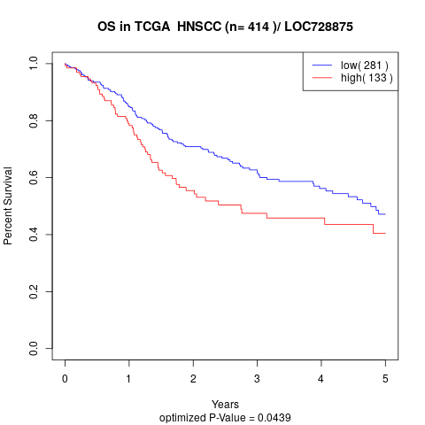

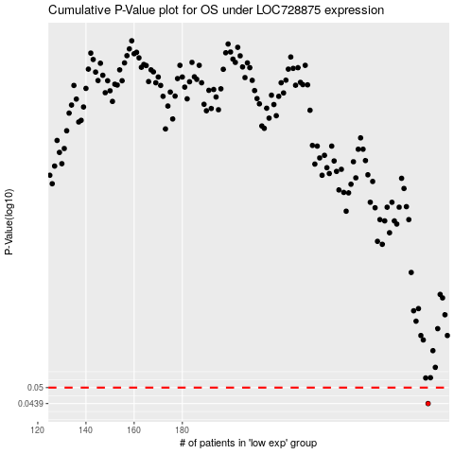

 |  |  |  |  |  | cases_OS | p_OS | rank | exp
 |  |  |  |  |  | 282 | 0.0439 | 74 | 0.029717410413
 |  |  |  |  |  |  | cases_RFS | p_RFS | rank | exp
 |  |  |  |  |  |  | 281 | 0.0439 | 392 | 0.023340803135

