LOC729020 _multivariate
Reported by Tex Li-Hsing Chi. tex@gate.sinica.edu.tw 2019-08-18

Table 2. The clinicopathological features of HNSCC cohort and LOC729020 expression. (Chi square test)
Cutoff at 0.035 (49.8%)
 |  | LOC729020 expression |  | LOC729020 expression |  | (Optimised)
 | Features | Low | (%) | High | (%) | Case no | P-value | Remark | Matthews
Gender | Female | 146 | 35.2 | 160 | 38.6 | 415 | 0.1714 | 0 | 0
2 | Male | 61 | 14.7 | 48 | 11.6
Age at diagnosis | <=65y | 132 | 31.8 | 142 | 34.2 | 415 | 0.3874 | 0 | 0
4 | >65y | 75 | 18.1 | 66 | 15.9
Clinical T Status | T1+T2 | 71 | 17.1 | 78 | 18.8 | 415 | 0.5638 | 0 | 0
6 | T3+T4 | 136 | 32.8 | 130 | 31.3
Clinical N Status | N0 | 116 | 28 | 100 | 24.1 | 415 | 0.1273 | 1 | 0
8 | N1-3 | 91 | 21.9 | 108 | 26
Clinical M Status | M0 | 204 | 49.2 | 208 | 50.1 | 415 | 0.1232 | 0 | 0
10 | M1 | 3 | 0.7 | 0 | 0
Clinical Stage | Stage I+II | 47 | 11.3 | 55 | 13.3 | 415 | 0.4413 | 0 | 0
12 | Stage III+IV | 160 | 38.6 | 153 | 36.9
Surgical Margin status | Negative | 158 | 38.1 | 160 | 38.6 | 415 | 0.9081 | 0 | 0
14 | Positive | 49 | 11.8 | 48 | 11.6
Tobacco Exposure | Low | 86 | 20.7 | 75 | 18.1 | 415 | 0.2687 | 0 | 0
16 | High | 121 | 29.2 | 133 | 32

Table 3. Univariate/Multivariate Cox's proportional hazards regression analyses on OS time of LOC729020 gene expression in HNSCC

 |  | Univariate |  |  |  | Multivariate
 | Features | HR | CI95%(L) | CI95%(H) | P-value | HR | CI95%(L) | CI95%(H) | P-value
1 | Female | 1 |  |  |  | 1
Gender | Male | 1.157 | 0.843 | 1.587 | 0.367 | 1.207 | 0.864 | 1.686 | 0.27
11 | <=65y | 1 |  |  |  | 1
Age at diagnosis | >65y | 1.329 | 0.99 | 1.784 | 0.058 | 1.395 | 1.026 | 1.896 | 0.034
12 | T1+T2 | 1 |  |  |  | 1
Clinical T Status | T3+T4 | 1.409 | 1.028 | 1.931 | 0.033 | 2.194 | 1.16 | 4.149 | 0.016
13 | N0 | 1 |  |  |  | 1
Clinical N Status | N1-3 | 1.185 | 0.89 | 1.577 | 0.246 | 1.224 | 0.855 | 1.752 | 0.269
14 | M0 | 1 |  |  |  | 1
Clinical M Status | M1 | 4.097 | 1.009 | 16.644 | 0.049 | 9.874 | 2.134 | 45.694 | 0.003
15 | Stage I+II | 1 |  |  |  | 1
Clinical Stage | Stage III+IV | 1.245 | 0.882 | 1.759 | 0.213 | 0.51 | 0.237 | 1.096 | 0.085
16 | Negative | 1 |  |  |  | 1
Surgical Margin status | Positive | 1.591 | 1.155 | 2.191 | 0.004 | 1.685 | 1.218 | 2.331 | 0.002
17 | Low | 1 |  |  |  | 1
Tobacco Exposure | High | 1.364 | 1.008 | 1.844 | 0.044 | 1.458 | 1.059 | 2.008 | 0.021
18 | Low | 1 |  |  |  | 1
RNAseq(z-score) | High | 1.023 | 0.768 | 1.362 | 0.878 | 1.089 | 0.812 | 1.459 | 0.57

Table 4. Univariate/Multivariate Cox's proportional hazards regression analyses on RFS time of LOC729020 gene expression in HNSCC

 |  | Univariate |  |  |  | Multivariate
 | Features | HR | CI95%(L) | CI95%(H) | P-value | HR | CI95%(L) | CI95%(H) | P-value
1 | Female | 1 |  |  |  | 1
Gender | Male | 1.157 | 0.843 | 1.587 | 0.367 | 1.207 | 0.864 | 1.686 | 0.27
11 | <=65y | 1 |  |  |  | 1
Age at diagnosis | >65y | 1.329 | 0.99 | 1.784 | 0.058 | 1.395 | 1.026 | 1.896 | 0.034
12 | T1+T2 | 1 |  |  |  | 1
Clinical T Status | T3+T4 | 1.409 | 1.028 | 1.931 | 0.033 | 2.194 | 1.16 | 4.149 | 0.016
13 | N0 | 1 |  |  |  | 1
Clinical N Status | N1-3 | 1.185 | 0.89 | 1.577 | 0.246 | 1.224 | 0.855 | 1.752 | 0.269
14 | M0 | 1 |  |  |  | 1
Clinical M Status | M1 | 4.097 | 1.009 | 16.644 | 0.049 | 9.874 | 2.134 | 45.694 | 0.003
15 | Stage I+II | 1 |  |  |  | 1
Clinical Stage | Stage III+IV | 1.245 | 0.882 | 1.759 | 0.213 | 0.51 | 0.237 | 1.096 | 0.085
16 | Negative | 1 |  |  |  | 1
Surgical Margin status | Positive | 1.591 | 1.155 | 2.191 | 0.004 | 1.685 | 1.218 | 2.331 | 0.002
17 | Low | 1 |  |  |  | 1
Tobacco Exposure | High | 1.364 | 1.008 | 1.844 | 0.044 | 1.458 | 1.059 | 2.008 | 0.021
18 | Low | 1 |  |  |  | 1
RNAseq(z-score) | High | 1.023 | 0.768 | 1.362 | 0.878 | 1.089 | 0.812 | 1.459 | 0.57

Kaplan-Meier survival estimate: Cutoff at 0.035 (49.8%)

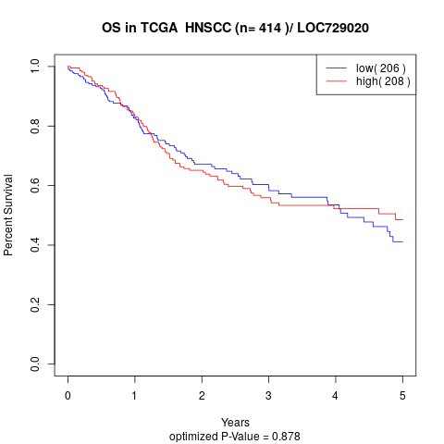

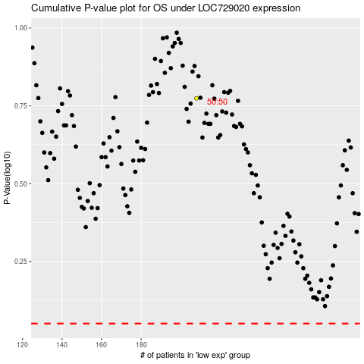

 |  |  |  |  |  | cases_OS | p_OS | rank | exp
 |  |  |  |  |  |  | cases_RFS | p_RFS | rank | exp

