LOC729082 _multivariate
Reported by Tex Li-Hsing Chi. tex@gate.sinica.edu.tw 2019-08-18

Table 2. The clinicopathological features of HNSCC cohort and LOC729082 expression. (Chi square test)
Cutoff at -0.188 (49.8%)
 |  | LOC729082 expression |  | LOC729082 expression |  | (Optimised)
 | Features | Low | (%) | High | (%) | Case no | P-value | Remark | Matthews
Gender | Female | 152 | 36.6 | 154 | 37.1 | 415 | 0.9766 | 0 | 0
2 | Male | 55 | 13.3 | 54 | 13
Age at diagnosis | <=65y | 133 | 32 | 141 | 34 | 415 | 0.5111 | 0 | 0
4 | >65y | 74 | 17.8 | 67 | 16.1
Clinical T Status | T1+T2 | 70 | 16.9 | 79 | 19 | 415 | 0.4343 | 0 | 0
6 | T3+T4 | 137 | 33 | 129 | 31.1
Clinical N Status | N0 | 104 | 25.1 | 112 | 27 | 415 | 0.5243 | 0 | 0
8 | N1-3 | 103 | 24.8 | 96 | 23.1
Clinical M Status | M0 | 205 | 49.4 | 207 | 49.9 | 415 | 0.6232 | 0 | 0
10 | M1 | 2 | 0.5 | 1 | 0.2
Clinical Stage | Stage I+II | 50 | 12 | 52 | 12.5 | 415 | 0.9315 | 0 | 0
12 | Stage III+IV | 157 | 37.8 | 156 | 37.6
Surgical Margin status | Negative | 167 | 40.2 | 151 | 36.4 | 415 | 0.0632 | 0 | 0
14 | Positive | 40 | 9.6 | 57 | 13.7
Tobacco Exposure | Low | 89 | 21.4 | 72 | 17.3 | 415 | 0.0872 | 0 | 0
16 | High | 118 | 28.4 | 136 | 32.8

Table 3. Univariate/Multivariate Cox's proportional hazards regression analyses on OS time of LOC729082 gene expression in HNSCC

 |  | Univariate |  |  |  | Multivariate
 | Features | HR | CI95%(L) | CI95%(H) | P-value | HR | CI95%(L) | CI95%(H) | P-value
1 | Female | 1 |  |  |  | 1
Gender | Male | 1.157 | 0.843 | 1.587 | 0.367 | 1.202 | 0.86 | 1.68 | 0.281
11 | <=65y | 1 |  |  |  | 1
Age at diagnosis | >65y | 1.329 | 0.99 | 1.784 | 0.058 | 1.391 | 1.024 | 1.892 | 0.035
12 | T1+T2 | 1 |  |  |  | 1
Clinical T Status | T3+T4 | 1.409 | 1.028 | 1.931 | 0.033 | 2.2 | 1.163 | 4.163 | 0.015
13 | N0 | 1 |  |  |  | 1
Clinical N Status | N1-3 | 1.185 | 0.89 | 1.577 | 0.246 | 1.24 | 0.868 | 1.77 | 0.238
14 | M0 | 1 |  |  |  | 1
Clinical M Status | M1 | 4.097 | 1.009 | 16.644 | 0.049 | 9.389 | 2.047 | 43.073 | 0.004
15 | Stage I+II | 1 |  |  |  | 1
Clinical Stage | Stage III+IV | 1.245 | 0.882 | 1.759 | 0.213 | 0.505 | 0.235 | 1.086 | 0.08
16 | Negative | 1 |  |  |  | 1
Surgical Margin status | Positive | 1.591 | 1.155 | 2.191 | 0.004 | 1.673 | 1.21 | 2.314 | 0.002
17 | Low | 1 |  |  |  | 1
Tobacco Exposure | High | 1.364 | 1.008 | 1.844 | 0.044 | 1.454 | 1.055 | 2.006 | 0.022
18 | Low | 1 |  |  |  | 1
RNAseq(z-score) | High | 1.012 | 0.759 | 1.348 | 0.937 | 0.989 | 0.74 | 1.322 | 0.942

Table 4. Univariate/Multivariate Cox's proportional hazards regression analyses on RFS time of LOC729082 gene expression in HNSCC

 |  | Univariate |  |  |  | Multivariate
 | Features | HR | CI95%(L) | CI95%(H) | P-value | HR | CI95%(L) | CI95%(H) | P-value
1 | Female | 1 |  |  |  | 1
Gender | Male | 1.157 | 0.843 | 1.587 | 0.367 | 1.202 | 0.86 | 1.68 | 0.281
11 | <=65y | 1 |  |  |  | 1
Age at diagnosis | >65y | 1.329 | 0.99 | 1.784 | 0.058 | 1.391 | 1.024 | 1.892 | 0.035
12 | T1+T2 | 1 |  |  |  | 1
Clinical T Status | T3+T4 | 1.409 | 1.028 | 1.931 | 0.033 | 2.2 | 1.163 | 4.163 | 0.015
13 | N0 | 1 |  |  |  | 1
Clinical N Status | N1-3 | 1.185 | 0.89 | 1.577 | 0.246 | 1.24 | 0.868 | 1.77 | 0.238
14 | M0 | 1 |  |  |  | 1
Clinical M Status | M1 | 4.097 | 1.009 | 16.644 | 0.049 | 9.389 | 2.047 | 43.073 | 0.004
15 | Stage I+II | 1 |  |  |  | 1
Clinical Stage | Stage III+IV | 1.245 | 0.882 | 1.759 | 0.213 | 0.505 | 0.235 | 1.086 | 0.08
16 | Negative | 1 |  |  |  | 1
Surgical Margin status | Positive | 1.591 | 1.155 | 2.191 | 0.004 | 1.673 | 1.21 | 2.314 | 0.002
17 | Low | 1 |  |  |  | 1
Tobacco Exposure | High | 1.364 | 1.008 | 1.844 | 0.044 | 1.454 | 1.055 | 2.006 | 0.022
18 | Low | 1 |  |  |  | 1
RNAseq(z-score) | High | 1.012 | 0.759 | 1.348 | 0.937 | 0.989 | 0.74 | 1.322 | 0.942

Kaplan-Meier survival estimate: Cutoff at -0.188 (49.8%)

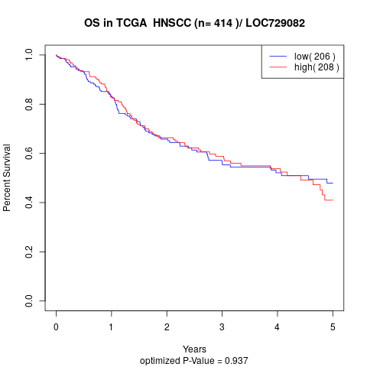

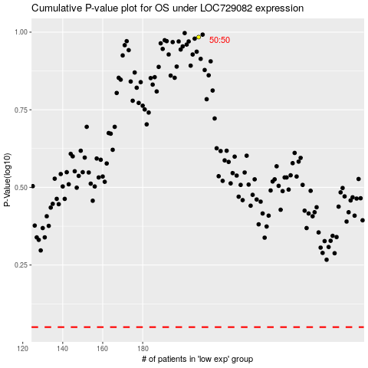

 |  |  |  |  |  | cases_OS | p_OS | rank | exp
 |  |  |  |  |  |  | cases_RFS | p_RFS | rank | exp

