LOC729176 _multivariate
Reported by Tex Li-Hsing Chi. tex@gate.sinica.edu.tw 2019-08-18

Table 2. The clinicopathological features of HNSCC cohort and LOC729176 expression. (Chi square test)
Cutoff at -0.209 (50.0%)
 |  | LOC729176 expression |  | LOC729176 expression |  | (Optimised)
 | Features | Low | (%) | High | (%) | Case no | P-value | Remark | Matthews
Gender | Female | 163 | 39.3 | 143 | 34.5 | 415 | 0.0277 | 1 | 0
2 | Male | 44 | 10.6 | 65 | 15.7
Age at diagnosis | <=65y | 145 | 34.9 | 129 | 31.1 | 415 | 0.1046 | 0 | 0
4 | >65y | 62 | 14.9 | 79 | 19
Clinical T Status | T1+T2 | 73 | 17.6 | 76 | 18.3 | 415 | 0.8666 | 0 | 0
6 | T3+T4 | 134 | 32.3 | 132 | 31.8
Clinical N Status | N0 | 96 | 23.1 | 120 | 28.9 | 415 | 0.0272 | 1 | 0
8 | N1-3 | 111 | 26.7 | 88 | 21.2
Clinical M Status | M0 | 205 | 49.4 | 207 | 49.9 | 415 | 0.6232 | 0 | 0
10 | M1 | 2 | 0.5 | 1 | 0.2
Clinical Stage | Stage I+II | 45 | 10.8 | 57 | 13.7 | 415 | 0.2202 | 0 | 0
12 | Stage III+IV | 162 | 39 | 151 | 36.4
Surgical Margin status | Negative | 158 | 38.1 | 160 | 38.6 | 415 | 0.9081 | 0 | 0
14 | Positive | 49 | 11.8 | 48 | 11.6
Tobacco Exposure | Low | 81 | 19.5 | 80 | 19.3 | 415 | 0.9199 | 0 | 0
16 | High | 126 | 30.4 | 128 | 30.8

Table 3. Univariate/Multivariate Cox's proportional hazards regression analyses on OS time of LOC729176 gene expression in HNSCC

 |  | Univariate |  |  |  | Multivariate
 | Features | HR | CI95%(L) | CI95%(H) | P-value | HR | CI95%(L) | CI95%(H) | P-value
1 | Female | 1 |  |  |  | 1
Gender | Male | 1.157 | 0.843 | 1.587 | 0.367 | 1.183 | 0.842 | 1.662 | 0.334
11 | <=65y | 1 |  |  |  | 1
Age at diagnosis | >65y | 1.329 | 0.99 | 1.784 | 0.058 | 1.386 | 1.019 | 1.885 | 0.037
12 | T1+T2 | 1 |  |  |  | 1
Clinical T Status | T3+T4 | 1.409 | 1.028 | 1.931 | 0.033 | 2.206 | 1.167 | 4.173 | 0.015
13 | N0 | 1 |  |  |  | 1
Clinical N Status | N1-3 | 1.185 | 0.89 | 1.577 | 0.246 | 1.262 | 0.879 | 1.812 | 0.208
14 | M0 | 1 |  |  |  | 1
Clinical M Status | M1 | 4.097 | 1.009 | 16.644 | 0.049 | 9.377 | 2.046 | 42.981 | 0.004
15 | Stage I+II | 1 |  |  |  | 1
Clinical Stage | Stage III+IV | 1.245 | 0.882 | 1.759 | 0.213 | 0.503 | 0.234 | 1.079 | 0.078
16 | Negative | 1 |  |  |  | 1
Surgical Margin status | Positive | 1.591 | 1.155 | 2.191 | 0.004 | 1.671 | 1.209 | 2.309 | 0.002
17 | Low | 1 |  |  |  | 1
Tobacco Exposure | High | 1.364 | 1.008 | 1.844 | 0.044 | 1.437 | 1.04 | 1.986 | 0.028
18 | Low | 1 |  |  |  | 1
RNAseq(z-score) | High | 1.124 | 0.843 | 1.499 | 0.425 | 1.077 | 0.797 | 1.455 | 0.631

Table 4. Univariate/Multivariate Cox's proportional hazards regression analyses on RFS time of LOC729176 gene expression in HNSCC

 |  | Univariate |  |  |  | Multivariate
 | Features | HR | CI95%(L) | CI95%(H) | P-value | HR | CI95%(L) | CI95%(H) | P-value
1 | Female | 1 |  |  |  | 1
Gender | Male | 1.157 | 0.843 | 1.587 | 0.367 | 1.183 | 0.842 | 1.662 | 0.334
11 | <=65y | 1 |  |  |  | 1
Age at diagnosis | >65y | 1.329 | 0.99 | 1.784 | 0.058 | 1.386 | 1.019 | 1.885 | 0.037
12 | T1+T2 | 1 |  |  |  | 1
Clinical T Status | T3+T4 | 1.409 | 1.028 | 1.931 | 0.033 | 2.206 | 1.167 | 4.173 | 0.015
13 | N0 | 1 |  |  |  | 1
Clinical N Status | N1-3 | 1.185 | 0.89 | 1.577 | 0.246 | 1.262 | 0.879 | 1.812 | 0.208
14 | M0 | 1 |  |  |  | 1
Clinical M Status | M1 | 4.097 | 1.009 | 16.644 | 0.049 | 9.377 | 2.046 | 42.981 | 0.004
15 | Stage I+II | 1 |  |  |  | 1
Clinical Stage | Stage III+IV | 1.245 | 0.882 | 1.759 | 0.213 | 0.503 | 0.234 | 1.079 | 0.078
16 | Negative | 1 |  |  |  | 1
Surgical Margin status | Positive | 1.591 | 1.155 | 2.191 | 0.004 | 1.671 | 1.209 | 2.309 | 0.002
17 | Low | 1 |  |  |  | 1
Tobacco Exposure | High | 1.364 | 1.008 | 1.844 | 0.044 | 1.437 | 1.04 | 1.986 | 0.028
18 | Low | 1 |  |  |  | 1
RNAseq(z-score) | High | 1.124 | 0.843 | 1.499 | 0.425 | 1.077 | 0.797 | 1.455 | 0.631

Kaplan-Meier survival estimate: Cutoff at -0.209 (50.0%)



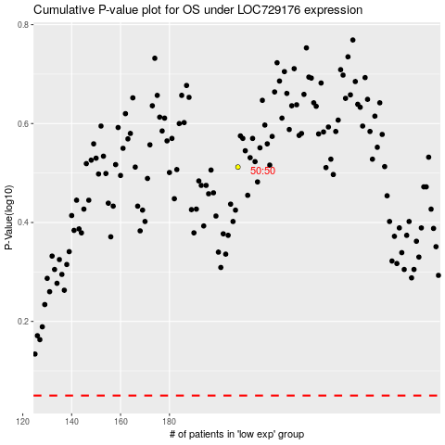

 |  |  |  |  |  | cases_OS | p_OS | rank | exp
 |  |  |  |  |  |  | cases_RFS | p_RFS | rank | exp

