LOC729375 _multivariate
Reported by Tex Li-Hsing Chi. tex@gate.sinica.edu.tw 2019-08-18

Table 2. The clinicopathological features of HNSCC cohort and LOC729375 expression. (Chi square test)
Cutoff at -0.305 (49.8%)
 |  | LOC729375 expression |  | LOC729375 expression |  | (Optimised)
 | Features | Low | (%) | High | (%) | Case no | P-value | Remark | Matthews
Gender | Female | 146 | 35.2 | 160 | 38.6 | 415 | 0.1714 | 0 | 0
2 | Male | 61 | 14.7 | 48 | 11.6
Age at diagnosis | <=65y | 138 | 33.3 | 136 | 32.8 | 415 | 0.8634 | 0 | 0
4 | >65y | 69 | 16.6 | 72 | 17.3
Clinical T Status | T1+T2 | 82 | 19.8 | 67 | 16.1 | 415 | 0.1417 | 0 | 0
6 | T3+T4 | 125 | 30.1 | 141 | 34
Clinical N Status | N0 | 112 | 27 | 104 | 25.1 | 415 | 0.4599 | 0 | 0
8 | N1-3 | 95 | 22.9 | 104 | 25.1
Clinical M Status | M0 | 206 | 49.6 | 206 | 49.6 | 415 | 1 | 0 | 0
10 | M1 | 1 | 0.2 | 2 | 0.5
Clinical Stage | Stage I+II | 63 | 15.2 | 39 | 9.4 | 415 | 0.008 | 1 | 0
12 | Stage III+IV | 144 | 34.7 | 169 | 40.7
Surgical Margin status | Negative | 159 | 38.3 | 159 | 38.3 | 415 | 1 | 0 | 0
14 | Positive | 48 | 11.6 | 49 | 11.8
Tobacco Exposure | Low | 89 | 21.4 | 72 | 17.3 | 415 | 0.0872 | 0 | 0
16 | High | 118 | 28.4 | 136 | 32.8

Table 3. Univariate/Multivariate Cox's proportional hazards regression analyses on OS time of LOC729375 gene expression in HNSCC

 |  | Univariate |  |  |  | Multivariate
 | Features | HR | CI95%(L) | CI95%(H) | P-value | HR | CI95%(L) | CI95%(H) | P-value
1 | Female | 1 |  |  |  | 1
Gender | Male | 1.157 | 0.843 | 1.587 | 0.367 | 1.195 | 0.855 | 1.671 | 0.296
11 | <=65y | 1 |  |  |  | 1
Age at diagnosis | >65y | 1.329 | 0.99 | 1.784 | 0.058 | 1.414 | 1.036 | 1.928 | 0.029
12 | T1+T2 | 1 |  |  |  | 1
Clinical T Status | T3+T4 | 1.409 | 1.028 | 1.931 | 0.033 | 2.19 | 1.158 | 4.141 | 0.016
13 | N0 | 1 |  |  |  | 1
Clinical N Status | N1-3 | 1.185 | 0.89 | 1.577 | 0.246 | 1.235 | 0.865 | 1.762 | 0.245
14 | M0 | 1 |  |  |  | 1
Clinical M Status | M1 | 4.097 | 1.009 | 16.644 | 0.049 | 9.46 | 2.064 | 43.366 | 0.004
15 | Stage I+II | 1 |  |  |  | 1
Clinical Stage | Stage III+IV | 1.245 | 0.882 | 1.759 | 0.213 | 0.519 | 0.241 | 1.119 | 0.095
16 | Negative | 1 |  |  |  | 1
Surgical Margin status | Positive | 1.591 | 1.155 | 2.191 | 0.004 | 1.669 | 1.208 | 2.305 | 0.002
17 | Low | 1 |  |  |  | 1
Tobacco Exposure | High | 1.364 | 1.008 | 1.844 | 0.044 | 1.468 | 1.064 | 2.026 | 0.019
18 | Low | 1 |  |  |  | 1
RNAseq(z-score) | High | 0.962 | 0.72 | 1.285 | 0.794 | 0.898 | 0.666 | 1.21 | 0.479

Table 4. Univariate/Multivariate Cox's proportional hazards regression analyses on RFS time of LOC729375 gene expression in HNSCC

 |  | Univariate |  |  |  | Multivariate
 | Features | HR | CI95%(L) | CI95%(H) | P-value | HR | CI95%(L) | CI95%(H) | P-value
1 | Female | 1 |  |  |  | 1
Gender | Male | 1.157 | 0.843 | 1.587 | 0.367 | 1.195 | 0.855 | 1.671 | 0.296
11 | <=65y | 1 |  |  |  | 1
Age at diagnosis | >65y | 1.329 | 0.99 | 1.784 | 0.058 | 1.414 | 1.036 | 1.928 | 0.029
12 | T1+T2 | 1 |  |  |  | 1
Clinical T Status | T3+T4 | 1.409 | 1.028 | 1.931 | 0.033 | 2.19 | 1.158 | 4.141 | 0.016
13 | N0 | 1 |  |  |  | 1
Clinical N Status | N1-3 | 1.185 | 0.89 | 1.577 | 0.246 | 1.235 | 0.865 | 1.762 | 0.245
14 | M0 | 1 |  |  |  | 1
Clinical M Status | M1 | 4.097 | 1.009 | 16.644 | 0.049 | 9.46 | 2.064 | 43.366 | 0.004
15 | Stage I+II | 1 |  |  |  | 1
Clinical Stage | Stage III+IV | 1.245 | 0.882 | 1.759 | 0.213 | 0.519 | 0.241 | 1.119 | 0.095
16 | Negative | 1 |  |  |  | 1
Surgical Margin status | Positive | 1.591 | 1.155 | 2.191 | 0.004 | 1.669 | 1.208 | 2.305 | 0.002
17 | Low | 1 |  |  |  | 1
Tobacco Exposure | High | 1.364 | 1.008 | 1.844 | 0.044 | 1.468 | 1.064 | 2.026 | 0.019
18 | Low | 1 |  |  |  | 1
RNAseq(z-score) | High | 0.962 | 0.72 | 1.285 | 0.794 | 0.898 | 0.666 | 1.21 | 0.479

Kaplan-Meier survival estimate: Cutoff at -0.305 (49.8%)

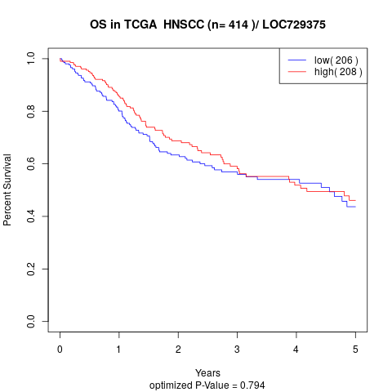

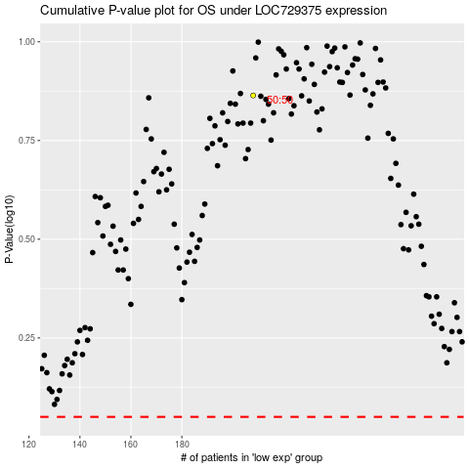

 |  |  |  |  |  | cases_OS | p_OS | rank | exp
 |  |  |  |  |  |  | cases_RFS | p_RFS | rank | exp

