LOC729678 _multivariate
Reported by Tex Li-Hsing Chi. tex@gate.sinica.edu.tw 2019-08-18

Table 2. The clinicopathological features of HNSCC cohort and LOC729678 expression. (Chi square test)
Cutoff at -0.244 (49.8%)
 |  | LOC729678 expression |  | LOC729678 expression |  | (Optimised)
 | Features | Low | (%) | High | (%) | Case no | P-value | Remark | Matthews
Gender | Female | 141 | 34 | 165 | 39.8 | 415 | 0.013 | 1 | 0
2 | Male | 66 | 15.9 | 43 | 10.4
Age at diagnosis | <=65y | 138 | 33.3 | 136 | 32.8 | 415 | 0.8634 | 0 | 0
4 | >65y | 69 | 16.6 | 72 | 17.3
Clinical T Status | T1+T2 | 74 | 17.8 | 75 | 18.1 | 415 | 1 | 0 | 0
6 | T3+T4 | 133 | 32 | 133 | 32
Clinical N Status | N0 | 114 | 27.5 | 102 | 24.6 | 415 | 0.2576 | 1 | 0
8 | N1-3 | 93 | 22.4 | 106 | 25.5
Clinical M Status | M0 | 206 | 49.6 | 206 | 49.6 | 415 | 1 | 0 | 0
10 | M1 | 1 | 0.2 | 2 | 0.5
Clinical Stage | Stage I+II | 60 | 14.5 | 42 | 10.1 | 415 | 0.0493 | 1 | 0
12 | Stage III+IV | 147 | 35.4 | 166 | 40
Surgical Margin status | Negative | 168 | 40.5 | 150 | 36.1 | 415 | 0.0366 | 1 | 0
14 | Positive | 39 | 9.4 | 58 | 14
Tobacco Exposure | Low | 91 | 21.9 | 70 | 16.9 | 415 | 0.0346 | 1 | 0
16 | High | 116 | 28 | 138 | 33.3

Table 3. Univariate/Multivariate Cox's proportional hazards regression analyses on OS time of LOC729678 gene expression in HNSCC

 |  | Univariate |  |  |  | Multivariate
 | Features | HR | CI95%(L) | CI95%(H) | P-value | HR | CI95%(L) | CI95%(H) | P-value
1 | Female | 1 |  |  |  | 1
Gender | Male | 1.157 | 0.843 | 1.587 | 0.367 | 1.212 | 0.866 | 1.696 | 0.263
11 | <=65y | 1 |  |  |  | 1
Age at diagnosis | >65y | 1.329 | 0.99 | 1.784 | 0.058 | 1.39 | 1.022 | 1.891 | 0.036
12 | T1+T2 | 1 |  |  |  | 1
Clinical T Status | T3+T4 | 1.409 | 1.028 | 1.931 | 0.033 | 2.23 | 1.177 | 4.225 | 0.014
13 | N0 | 1 |  |  |  | 1
Clinical N Status | N1-3 | 1.185 | 0.89 | 1.577 | 0.246 | 1.245 | 0.872 | 1.777 | 0.227
14 | M0 | 1 |  |  |  | 1
Clinical M Status | M1 | 4.097 | 1.009 | 16.644 | 0.049 | 9.46 | 2.063 | 43.368 | 0.004
15 | Stage I+II | 1 |  |  |  | 1
Clinical Stage | Stage III+IV | 1.245 | 0.882 | 1.759 | 0.213 | 0.497 | 0.231 | 1.07 | 0.074
16 | Negative | 1 |  |  |  | 1
Surgical Margin status | Positive | 1.591 | 1.155 | 2.191 | 0.004 | 1.651 | 1.19 | 2.291 | 0.003
17 | Low | 1 |  |  |  | 1
Tobacco Exposure | High | 1.364 | 1.008 | 1.844 | 0.044 | 1.448 | 1.05 | 1.995 | 0.024
18 | Low | 1 |  |  |  | 1
RNAseq(z-score) | High | 1.099 | 0.826 | 1.464 | 0.517 | 1.071 | 0.798 | 1.439 | 0.647

Table 4. Univariate/Multivariate Cox's proportional hazards regression analyses on RFS time of LOC729678 gene expression in HNSCC

 |  | Univariate |  |  |  | Multivariate
 | Features | HR | CI95%(L) | CI95%(H) | P-value | HR | CI95%(L) | CI95%(H) | P-value
1 | Female | 1 |  |  |  | 1
Gender | Male | 1.157 | 0.843 | 1.587 | 0.367 | 1.212 | 0.866 | 1.696 | 0.263
11 | <=65y | 1 |  |  |  | 1
Age at diagnosis | >65y | 1.329 | 0.99 | 1.784 | 0.058 | 1.39 | 1.022 | 1.891 | 0.036
12 | T1+T2 | 1 |  |  |  | 1
Clinical T Status | T3+T4 | 1.409 | 1.028 | 1.931 | 0.033 | 2.23 | 1.177 | 4.225 | 0.014
13 | N0 | 1 |  |  |  | 1
Clinical N Status | N1-3 | 1.185 | 0.89 | 1.577 | 0.246 | 1.245 | 0.872 | 1.777 | 0.227
14 | M0 | 1 |  |  |  | 1
Clinical M Status | M1 | 4.097 | 1.009 | 16.644 | 0.049 | 9.46 | 2.063 | 43.368 | 0.004
15 | Stage I+II | 1 |  |  |  | 1
Clinical Stage | Stage III+IV | 1.245 | 0.882 | 1.759 | 0.213 | 0.497 | 0.231 | 1.07 | 0.074
16 | Negative | 1 |  |  |  | 1
Surgical Margin status | Positive | 1.591 | 1.155 | 2.191 | 0.004 | 1.651 | 1.19 | 2.291 | 0.003
17 | Low | 1 |  |  |  | 1
Tobacco Exposure | High | 1.364 | 1.008 | 1.844 | 0.044 | 1.448 | 1.05 | 1.995 | 0.024
18 | Low | 1 |  |  |  | 1
RNAseq(z-score) | High | 1.099 | 0.826 | 1.464 | 0.517 | 1.071 | 0.798 | 1.439 | 0.647

Kaplan-Meier survival estimate: Cutoff at -0.244 (49.8%)



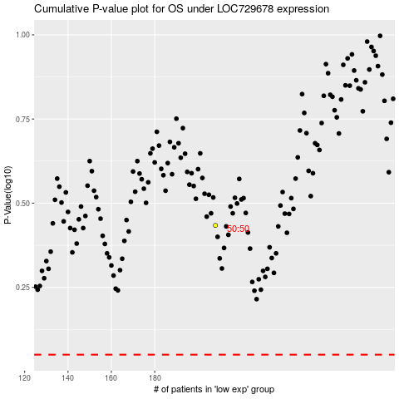

 |  |  |  |  |  | cases_OS | p_OS | rank | exp
 |  |  |  |  |  |  | cases_RFS | p_RFS | rank | exp

