LOC729799 _multivariate
Reported by Tex Li-Hsing Chi. tex@gate.sinica.edu.tw 2019-08-18

Table 2. The clinicopathological features of HNSCC cohort and LOC729799 expression. (Chi square test)
Cutoff at -0.153 (49.8%)
 |  | LOC729799 expression |  | LOC729799 expression |  | (Optimised)
 | Features | Low | (%) | High | (%) | Case no | P-value | Remark | Matthews
Gender | Female | 159 | 38.3 | 147 | 35.4 | 415 | 0.1905 | 0 | 0
2 | Male | 48 | 11.6 | 61 | 14.7
Age at diagnosis | <=65y | 147 | 35.4 | 127 | 30.6 | 415 | 0.0416 | 1 | 0
4 | >65y | 60 | 14.5 | 81 | 19.5
Clinical T Status | T1+T2 | 77 | 18.6 | 72 | 17.3 | 415 | 0.6556 | 0 | 0
6 | T3+T4 | 130 | 31.3 | 136 | 32.8
Clinical N Status | N0 | 93 | 22.4 | 123 | 29.6 | 415 | 0.0051 | 1 | 0
8 | N1-3 | 114 | 27.5 | 85 | 20.5
Clinical M Status | M0 | 204 | 49.2 | 208 | 50.1 | 415 | 0.1232 | 0 | 0
10 | M1 | 3 | 0.7 | 0 | 0
Clinical Stage | Stage I+II | 43 | 10.4 | 59 | 14.2 | 415 | 0.0925 | 0 | 0
12 | Stage III+IV | 164 | 39.5 | 149 | 35.9
Surgical Margin status | Negative | 156 | 37.6 | 162 | 39 | 415 | 0.5636 | 0 | 0
14 | Positive | 51 | 12.3 | 46 | 11.1
Tobacco Exposure | Low | 77 | 18.6 | 84 | 20.2 | 415 | 0.5459 | 0 | 0
16 | High | 130 | 31.3 | 124 | 29.9

Table 3. Univariate/Multivariate Cox's proportional hazards regression analyses on OS time of LOC729799 gene expression in HNSCC

 |  | Univariate |  |  |  | Multivariate
 | Features | HR | CI95%(L) | CI95%(H) | P-value | HR | CI95%(L) | CI95%(H) | P-value
1 | Female | 1 |  |  |  | 1
Gender | Male | 1.157 | 0.843 | 1.587 | 0.367 | 1.193 | 0.853 | 1.668 | 0.303
11 | <=65y | 1 |  |  |  | 1
Age at diagnosis | >65y | 1.329 | 0.99 | 1.784 | 0.058 | 1.366 | 1.003 | 1.86 | 0.048
12 | T1+T2 | 1 |  |  |  | 1
Clinical T Status | T3+T4 | 1.409 | 1.028 | 1.931 | 0.033 | 2.122 | 1.12 | 4.019 | 0.021
13 | N0 | 1 |  |  |  | 1
Clinical N Status | N1-3 | 1.185 | 0.89 | 1.577 | 0.246 | 1.278 | 0.893 | 1.829 | 0.18
14 | M0 | 1 |  |  |  | 1
Clinical M Status | M1 | 4.097 | 1.009 | 16.644 | 0.049 | 10.103 | 2.197 | 46.463 | 0.003
15 | Stage I+II | 1 |  |  |  | 1
Clinical Stage | Stage III+IV | 1.245 | 0.882 | 1.759 | 0.213 | 0.527 | 0.245 | 1.133 | 0.101
16 | Negative | 1 |  |  |  | 1
Surgical Margin status | Positive | 1.591 | 1.155 | 2.191 | 0.004 | 1.685 | 1.219 | 2.33 | 0.002
17 | Low | 1 |  |  |  | 1
Tobacco Exposure | High | 1.364 | 1.008 | 1.844 | 0.044 | 1.471 | 1.066 | 2.03 | 0.019
18 | Low | 1 |  |  |  | 1
RNAseq(z-score) | High | 1.232 | 0.923 | 1.646 | 0.157 | 1.26 | 0.934 | 1.701 | 0.13

Table 4. Univariate/Multivariate Cox's proportional hazards regression analyses on RFS time of LOC729799 gene expression in HNSCC

 |  | Univariate |  |  |  | Multivariate
 | Features | HR | CI95%(L) | CI95%(H) | P-value | HR | CI95%(L) | CI95%(H) | P-value
1 | Female | 1 |  |  |  | 1
Gender | Male | 1.157 | 0.843 | 1.587 | 0.367 | 1.193 | 0.853 | 1.668 | 0.303
11 | <=65y | 1 |  |  |  | 1
Age at diagnosis | >65y | 1.329 | 0.99 | 1.784 | 0.058 | 1.366 | 1.003 | 1.86 | 0.048
12 | T1+T2 | 1 |  |  |  | 1
Clinical T Status | T3+T4 | 1.409 | 1.028 | 1.931 | 0.033 | 2.122 | 1.12 | 4.019 | 0.021
13 | N0 | 1 |  |  |  | 1
Clinical N Status | N1-3 | 1.185 | 0.89 | 1.577 | 0.246 | 1.278 | 0.893 | 1.829 | 0.18
14 | M0 | 1 |  |  |  | 1
Clinical M Status | M1 | 4.097 | 1.009 | 16.644 | 0.049 | 10.103 | 2.197 | 46.463 | 0.003
15 | Stage I+II | 1 |  |  |  | 1
Clinical Stage | Stage III+IV | 1.245 | 0.882 | 1.759 | 0.213 | 0.527 | 0.245 | 1.133 | 0.101
16 | Negative | 1 |  |  |  | 1
Surgical Margin status | Positive | 1.591 | 1.155 | 2.191 | 0.004 | 1.685 | 1.219 | 2.33 | 0.002
17 | Low | 1 |  |  |  | 1
Tobacco Exposure | High | 1.364 | 1.008 | 1.844 | 0.044 | 1.471 | 1.066 | 2.03 | 0.019
18 | Low | 1 |  |  |  | 1
RNAseq(z-score) | High | 1.232 | 0.923 | 1.646 | 0.157 | 1.26 | 0.934 | 1.701 | 0.13

Kaplan-Meier survival estimate: Cutoff at -0.153 (49.8%)

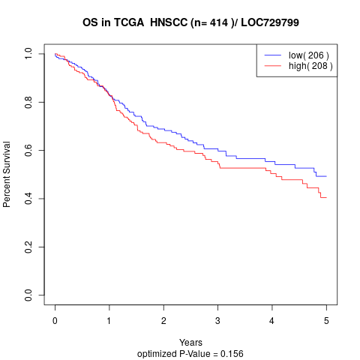

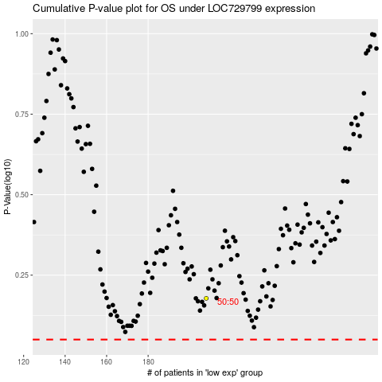

 |  |  |  |  |  | cases_OS | p_OS | rank | exp
 |  |  |  |  |  |  | cases_RFS | p_RFS | rank | exp

