LOC729991 _multivariate
Reported by Tex Li-Hsing Chi. tex@gate.sinica.edu.tw 2019-08-18

Table 2. The clinicopathological features of HNSCC cohort and LOC729991 expression. (Chi square test)
Cutoff at -0.545 (31.4%)
 |  | LOC729991 expression |  | LOC729991 expression |  | (Optimised)
 | Features | Low | (%) | High | (%) | Case no | P-value | Remark | Matthews
Gender | Female | 99 | 23.9 | 207 | 49.9 | 415 | 0.6471 | 0 | 0
2 | Male | 32 | 7.7 | 77 | 18.6
Age at diagnosis | <=65y | 85 | 20.5 | 189 | 45.5 | 415 | 0.825 | 0 | 0
4 | >65y | 46 | 11.1 | 95 | 22.9
Clinical T Status | T1+T2 | 47 | 11.3 | 102 | 24.6 | 415 | 1 | 0 | 0
6 | T3+T4 | 84 | 20.2 | 182 | 43.9
Clinical N Status | N0 | 62 | 14.9 | 154 | 37.1 | 415 | 0.2296 | 0 | 0
8 | N1-3 | 69 | 16.6 | 130 | 31.3
Clinical M Status | M0 | 130 | 31.3 | 282 | 68 | 415 | 1 | 0 | 0
10 | M1 | 1 | 0.2 | 2 | 0.5
Clinical Stage | Stage I+II | 29 | 7 | 73 | 17.6 | 415 | 0.5081 | 0 | 0
12 | Stage III+IV | 102 | 24.6 | 211 | 50.8
Surgical Margin status | Negative | 100 | 24.1 | 218 | 52.5 | 415 | 1 | 0 | 0
14 | Positive | 31 | 7.5 | 66 | 15.9
Tobacco Exposure | Low | 47 | 11.3 | 114 | 27.5 | 415 | 0.4486 | 0 | 0
16 | High | 84 | 20.2 | 170 | 41

Table 3. Univariate/Multivariate Cox's proportional hazards regression analyses on OS time of LOC729991 gene expression in HNSCC

 |  | Univariate |  |  |  | Multivariate
 | Features | HR | CI95%(L) | CI95%(H) | P-value | HR | CI95%(L) | CI95%(H) | P-value
1 | Female | 1 |  |  |  | 1
Gender | Male | 1.157 | 0.843 | 1.587 | 0.367 | 1.196 | 0.855 | 1.671 | 0.296
11 | <=65y | 1 |  |  |  | 1
Age at diagnosis | >65y | 1.329 | 0.99 | 1.784 | 0.058 | 1.369 | 1.007 | 1.861 | 0.045
12 | T1+T2 | 1 |  |  |  | 1
Clinical T Status | T3+T4 | 1.409 | 1.028 | 1.931 | 0.033 | 2.208 | 1.167 | 4.176 | 0.015
13 | N0 | 1 |  |  |  | 1
Clinical N Status | N1-3 | 1.185 | 0.89 | 1.577 | 0.246 | 1.208 | 0.845 | 1.727 | 0.299
14 | M0 | 1 |  |  |  | 1
Clinical M Status | M1 | 4.097 | 1.009 | 16.644 | 0.049 | 9.829 | 2.143 | 45.082 | 0.003
15 | Stage I+II | 1 |  |  |  | 1
Clinical Stage | Stage III+IV | 1.245 | 0.882 | 1.759 | 0.213 | 0.504 | 0.235 | 1.083 | 0.079
16 | Negative | 1 |  |  |  | 1
Surgical Margin status | Positive | 1.591 | 1.155 | 2.191 | 0.004 | 1.67 | 1.208 | 2.308 | 0.002
17 | Low | 1 |  |  |  | 1
Tobacco Exposure | High | 1.364 | 1.008 | 1.844 | 0.044 | 1.448 | 1.051 | 1.994 | 0.024
18 | Low | 1 |  |  |  | 1
RNAseq(z-score) | High | 0.737 | 0.544 | 0.998 | 0.049 | 0.76 | 0.56 | 1.031 | 0.078

Table 4. Univariate/Multivariate Cox's proportional hazards regression analyses on RFS time of LOC729991 gene expression in HNSCC

 |  | Univariate |  |  |  | Multivariate
 | Features | HR | CI95%(L) | CI95%(H) | P-value | HR | CI95%(L) | CI95%(H) | P-value
1 | Female | 1 |  |  |  | 1
Gender | Male | 1.157 | 0.843 | 1.587 | 0.367 | 1.196 | 0.855 | 1.671 | 0.296
11 | <=65y | 1 |  |  |  | 1
Age at diagnosis | >65y | 1.329 | 0.99 | 1.784 | 0.058 | 1.369 | 1.007 | 1.861 | 0.045
12 | T1+T2 | 1 |  |  |  | 1
Clinical T Status | T3+T4 | 1.409 | 1.028 | 1.931 | 0.033 | 2.208 | 1.167 | 4.176 | 0.015
13 | N0 | 1 |  |  |  | 1
Clinical N Status | N1-3 | 1.185 | 0.89 | 1.577 | 0.246 | 1.208 | 0.845 | 1.727 | 0.299
14 | M0 | 1 |  |  |  | 1
Clinical M Status | M1 | 4.097 | 1.009 | 16.644 | 0.049 | 9.829 | 2.143 | 45.082 | 0.003
15 | Stage I+II | 1 |  |  |  | 1
Clinical Stage | Stage III+IV | 1.245 | 0.882 | 1.759 | 0.213 | 0.504 | 0.235 | 1.083 | 0.079
16 | Negative | 1 |  |  |  | 1
Surgical Margin status | Positive | 1.591 | 1.155 | 2.191 | 0.004 | 1.67 | 1.208 | 2.308 | 0.002
17 | Low | 1 |  |  |  | 1
Tobacco Exposure | High | 1.364 | 1.008 | 1.844 | 0.044 | 1.448 | 1.051 | 1.994 | 0.024
18 | Low | 1 |  |  |  | 1
RNAseq(z-score) | High | 0.737 | 0.544 | 0.998 | 0.049 | 0.76 | 0.56 | 1.031 | 0.078

Kaplan-Meier survival estimate: Cutoff at -0.545 (31.4%)



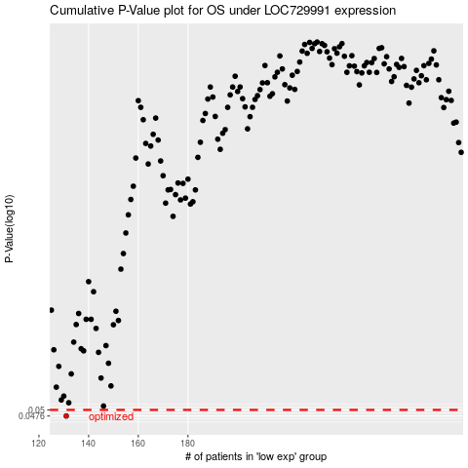

 |  |  |  |  |  | cases_OS | p_OS | rank | exp
 |  |  |  |  |  | 131 | 0.0476 | 332 | -0.54547227487
 |  |  |  |  |  |  | cases_RFS | p_RFS | rank | exp
 |  |  |  |  |  |  | 130 | 0.0476 | 251 | -0.55320741329

