LOC730668 _multivariate
Reported by Tex Li-Hsing Chi. tex@gate.sinica.edu.tw 2019-08-18

Table 2. The clinicopathological features of HNSCC cohort and LOC730668 expression. (Chi square test)
Cutoff at -0.083 (59.9%)
 |  | LOC730668 expression |  | LOC730668 expression |  | (Optimised)
 | Features | Low | (%) | High | (%) | Case no | P-value | Remark | Matthews
Gender | Female | 184 | 44.3 | 122 | 29.4 | 415 | 1 | 0 | 0
2 | Male | 65 | 15.7 | 44 | 10.6
Age at diagnosis | <=65y | 162 | 39 | 112 | 27 | 415 | 0.6877 | 0 | 0
4 | >65y | 87 | 21 | 54 | 13
Clinical T Status | T1+T2 | 87 | 21 | 62 | 14.9 | 415 | 0.6915 | 0 | 0
6 | T3+T4 | 162 | 39 | 104 | 25.1
Clinical N Status | N0 | 116 | 28 | 100 | 24.1 | 415 | 0.0086 | 1 | 0
8 | N1-3 | 133 | 32 | 66 | 15.9
Clinical M Status | M0 | 247 | 59.5 | 165 | 39.8 | 415 | 1 | 0 | 0
10 | M1 | 2 | 0.5 | 1 | 0.2
Clinical Stage | Stage I+II | 58 | 14 | 44 | 10.6 | 415 | 0.5298 | 0 | 0
12 | Stage III+IV | 191 | 46 | 122 | 29.4
Surgical Margin status | Negative | 192 | 46.3 | 126 | 30.4 | 415 | 0.8132 | 0 | 0
14 | Positive | 57 | 13.7 | 40 | 9.6
Tobacco Exposure | Low | 104 | 25.1 | 57 | 13.7 | 415 | 0.15 | 0 | 0
16 | High | 145 | 34.9 | 109 | 26.3

Table 3. Univariate/Multivariate Cox's proportional hazards regression analyses on OS time of LOC730668 gene expression in HNSCC

 |  | Univariate |  |  |  | Multivariate
 | Features | HR | CI95%(L) | CI95%(H) | P-value | HR | CI95%(L) | CI95%(H) | P-value
1 | Female | 1 |  |  |  | 1
Gender | Male | 1.157 | 0.843 | 1.587 | 0.367 | 1.209 | 0.866 | 1.688 | 0.264
11 | <=65y | 1 |  |  |  | 1
Age at diagnosis | >65y | 1.329 | 0.99 | 1.784 | 0.058 | 1.39 | 1.022 | 1.89 | 0.036
12 | T1+T2 | 1 |  |  |  | 1
Clinical T Status | T3+T4 | 1.409 | 1.028 | 1.931 | 0.033 | 2.142 | 1.132 | 4.055 | 0.019
13 | N0 | 1 |  |  |  | 1
Clinical N Status | N1-3 | 1.185 | 0.89 | 1.577 | 0.246 | 1.165 | 0.814 | 1.667 | 0.405
14 | M0 | 1 |  |  |  | 1
Clinical M Status | M1 | 4.097 | 1.009 | 16.644 | 0.049 | 8.84 | 1.926 | 40.568 | 0.005
15 | Stage I+II | 1 |  |  |  | 1
Clinical Stage | Stage III+IV | 1.245 | 0.882 | 1.759 | 0.213 | 0.533 | 0.248 | 1.147 | 0.107
16 | Negative | 1 |  |  |  | 1
Surgical Margin status | Positive | 1.591 | 1.155 | 2.191 | 0.004 | 1.7 | 1.23 | 2.349 | 0.001
17 | Low | 1 |  |  |  | 1
Tobacco Exposure | High | 1.364 | 1.008 | 1.844 | 0.044 | 1.526 | 1.104 | 2.11 | 0.01
18 | Low | 1 |  |  |  | 1
RNAseq(z-score) | High | 0.71 | 0.526 | 0.958 | 0.025 | 0.694 | 0.511 | 0.943 | 0.02

Table 4. Univariate/Multivariate Cox's proportional hazards regression analyses on RFS time of LOC730668 gene expression in HNSCC

 |  | Univariate |  |  |  | Multivariate
 | Features | HR | CI95%(L) | CI95%(H) | P-value | HR | CI95%(L) | CI95%(H) | P-value
1 | Female | 1 |  |  |  | 1
Gender | Male | 1.157 | 0.843 | 1.587 | 0.367 | 1.209 | 0.866 | 1.688 | 0.264
11 | <=65y | 1 |  |  |  | 1
Age at diagnosis | >65y | 1.329 | 0.99 | 1.784 | 0.058 | 1.39 | 1.022 | 1.89 | 0.036
12 | T1+T2 | 1 |  |  |  | 1
Clinical T Status | T3+T4 | 1.409 | 1.028 | 1.931 | 0.033 | 2.142 | 1.132 | 4.055 | 0.019
13 | N0 | 1 |  |  |  | 1
Clinical N Status | N1-3 | 1.185 | 0.89 | 1.577 | 0.246 | 1.165 | 0.814 | 1.667 | 0.405
14 | M0 | 1 |  |  |  | 1
Clinical M Status | M1 | 4.097 | 1.009 | 16.644 | 0.049 | 8.84 | 1.926 | 40.568 | 0.005
15 | Stage I+II | 1 |  |  |  | 1
Clinical Stage | Stage III+IV | 1.245 | 0.882 | 1.759 | 0.213 | 0.533 | 0.248 | 1.147 | 0.107
16 | Negative | 1 |  |  |  | 1
Surgical Margin status | Positive | 1.591 | 1.155 | 2.191 | 0.004 | 1.7 | 1.23 | 2.349 | 0.001
17 | Low | 1 |  |  |  | 1
Tobacco Exposure | High | 1.364 | 1.008 | 1.844 | 0.044 | 1.526 | 1.104 | 2.11 | 0.01
18 | Low | 1 |  |  |  | 1
RNAseq(z-score) | High | 0.71 | 0.526 | 0.958 | 0.025 | 0.694 | 0.511 | 0.943 | 0.02

Kaplan-Meier survival estimate: Cutoff at -0.083 (59.9%)

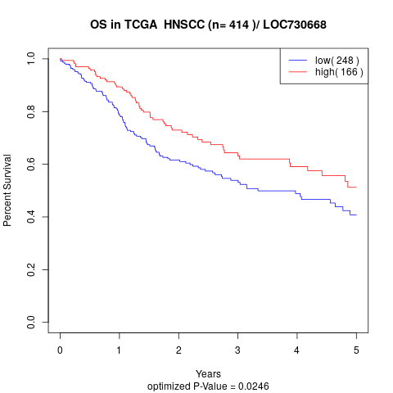

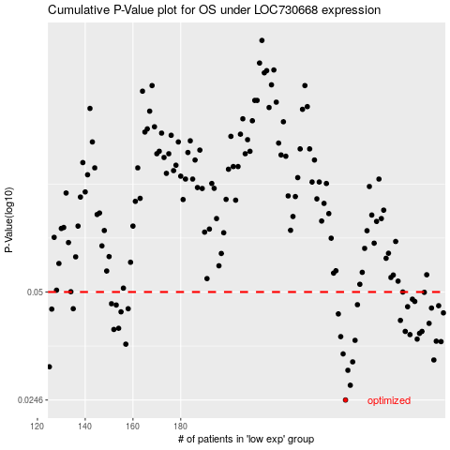

 |  |  |  |  |  | cases_OS | p_OS | rank | exp
 |  |  |  |  |  | 249 | 0.0246 | 329 | -0.082539590925
 |  |  |  |  |  | 251 | 0.0271 | 310 | -0.073597772222
 |  |  |  |  |  | 250 | 0.0299 | 72 | -0.075438734896
 |  |  |  |  |  | 125 | 0.0306 | 32 | -0.52792106074
 |  |  |  |  |  | 252 | 0.0316 | 292 | -0.065883261968
 |  |  |  |  |  | 286 | 0.032 | 353 | 0.11540772899
 |  |  |  |  |  | 248 | 0.0333 | 62 | -0.087185830055
 |  |  |  |  |  | 157 | 0.0355 | 150 | -0.43907269549
 |  |  |  |  |  | 289 | 0.0361 | 31 | 0.12912728416
 |  |  |  |  |  | 287 | 0.0362 | 105 | 0.11588988589
 |  |  |  |  |  | 253 | 0.0364 | 242 | -0.064655953519
 |  |  |  |  |  | 279 | 0.0367 | 94 | 0.077580329284
 |  |  |  |  |  | 247 | 0.0373 | 211 | -0.087361159833
 |  |  |  |  |  | 276 | 0.0378 | 166 | 0.070786300367
 |  |  |  |  |  | 280 | 0.0381 | 154 | 0.085557834205
 |  |  |  |  |  | 281 | 0.0386 | 122 | 0.096384448027
 |  |  |  |  |  | 274 | 0.0386 | 268 | 0.051193197621
 |  |  |  |  |  | 152 | 0.0391 | 100 | -0.4520470991
 |  |  |  |  |  | 154 | 0.0394 | 352 | -0.44766385464
 |  |  |  |  |  | 284 | 0.0407 | 307 | 0.10256482272
 |  |  |  |  |  | 272 | 0.0415 | 300 | 0.050316548728
 |  |  |  |  |  | 246 | 0.0433 | 3 | -0.091569074517
 |  |  |  |  |  | 290 | 0.0436 | 279 | 0.13745544864
 |  |  |  |  |  | 155 | 0.0439 | 96 | -0.44363126973
 |  |  |  |  |  | 126 | 0.0447 | 183 | -0.52467745984
 |  |  |  |  |  | 158 | 0.0448 | 111 | -0.43806454926
 |  |  |  |  |  | 135 | 0.0448 | 120 | -0.50907310955
 |  |  |  |  |  | 285 | 0.045 | 191 | 0.1120764632
 |  |  |  |  |  | 275 | 0.0454 | 87 | 0.062896460335
 |  |  |  |  |  | 288 | 0.0457 | 410 | 0.116985697
 |  |  |  |  |  | 153 | 0.0459 | 244 | -0.44862816842
 |  |  |  |  |  | 254 | 0.046 | 376 | -0.062157504175
 |  |  |  |  |  | 151 | 0.0463 | 118 | -0.46440784848
 |  |  |  |  |  | 278 | 0.047 | 143 | 0.07565170172
 |  |  |  |  |  | 277 | 0.0477 | 179 | 0.071399954592
 |  |  |  |  |  | 282 | 0.0499 | 29 | 0.096472112917
 |  |  |  |  |  | 273 | 0.05 | 65 | 0.050974035398
 |  |  |  |  |  |  | cases_RFS | p_RFS | rank | exp
 |  |  |  |  |  |  | 248 | 0.0246 | 62 | -0.087185830055
 |  |  |  |  |  |  | 250 | 0.0271 | 72 | -0.075438734896
 |  |  |  |  |  |  | 249 | 0.0299 | 329 | -0.082539590925
 |  |  |  |  |  |  |  | 0.0306 | 93 | -0.53383844077
 |  |  |  |  |  |  | 251 | 0.0316 | 310 | -0.073597772222
 |  |  |  |  |  |  | 285 | 0.032 | 191 | 0.1120764632
 |  |  |  |  |  |  | 247 | 0.0333 | 211 | -0.087361159833
 |  |  |  |  |  |  | 156 | 0.0355 | 250 | -0.44205330173
 |  |  |  |  |  |  | 288 | 0.0361 | 410 | 0.116985697
 |  |  |  |  |  |  | 286 | 0.0362 | 353 | 0.11540772899
 |  |  |  |  |  |  | 252 | 0.0364 | 292 | -0.065883261968
 |  |  |  |  |  |  | 278 | 0.0367 | 143 | 0.07565170172
 |  |  |  |  |  |  | 246 | 0.0373 | 3 | -0.091569074517
 |  |  |  |  |  |  | 275 | 0.0378 | 87 | 0.062896460335
 |  |  |  |  |  |  | 279 | 0.0381 | 94 | 0.077580329284
 |  |  |  |  |  |  | 273 | 0.0386 | 65 | 0.050974035398
 |  |  |  |  |  |  | 280 | 0.0386 | 154 | 0.085557834205
 |  |  |  |  |  |  | 151 | 0.0391 | 118 | -0.46440784848
 |  |  |  |  |  |  | 153 | 0.0394 | 244 | -0.44862816842
 |  |  |  |  |  |  | 283 | 0.0407 | 223 | 0.10094302227
 |  |  |  |  |  |  | 271 | 0.0415 | 390 | 0.046371628712
 |  |  |  |  |  |  | 245 | 0.0433 | 133 | -0.09481267542
 |  |  |  |  |  |  | 289 | 0.0436 | 31 | 0.12912728416
 |  |  |  |  |  |  | 154 | 0.0439 | 352 | -0.44766385464
 |  |  |  |  |  |  | 125 | 0.0447 | 32 | -0.52792106074
 |  |  |  |  |  |  | 157 | 0.0448 | 150 | -0.43907269549
 |  |  |  |  |  |  | 134 | 0.0448 | 278 | -0.51139622912
 |  |  |  |  |  |  | 284 | 0.045 | 307 | 0.10256482272
 |  |  |  |  |  |  | 274 | 0.0454 | 268 | 0.051193197621
 |  |  |  |  |  |  | 287 | 0.0457 | 105 | 0.11588988589
 |  |  |  |  |  |  | 152 | 0.0459 | 100 | -0.4520470991
 |  |  |  |  |  |  | 253 | 0.046 | 242 | -0.064655953519
 |  |  |  |  |  |  | 150 | 0.0463 | 2 | -0.46541599471
 |  |  |  |  |  |  | 277 | 0.047 | 179 | 0.071399954592
 |  |  |  |  |  |  | 276 | 0.0477 | 166 | 0.070786300367
 |  |  |  |  |  |  | 281 | 0.0499 | 122 | 0.096384448027
 |  |  |  |  |  |  | 272 | 0.05 | 300 | 0.050316548728

