LOC80154 _multivariate
Reported by Tex Li-Hsing Chi. tex@gate.sinica.edu.tw 2019-08-18

Table 2. The clinicopathological features of HNSCC cohort and LOC80154 expression. (Chi square test)
Cutoff at -0.355 (50.0%)
 |  | LOC80154 expression |  | LOC80154 expression |  | (Optimised)
 | Features | Low | (%) | High | (%) | Case no | P-value | Remark | Matthews
Gender | Female | 150 | 36.1 | 156 | 37.6 | 415 | 0.6344 | 0 | 0
2 | Male | 57 | 13.7 | 52 | 12.5
Age at diagnosis | <=65y | 141 | 34 | 133 | 32 | 415 | 0.4272 | 0 | 0
4 | >65y | 66 | 15.9 | 75 | 18.1
Clinical T Status | T1+T2 | 79 | 19 | 70 | 16.9 | 415 | 0.3924 | 0 | 0
6 | T3+T4 | 128 | 30.8 | 138 | 33.3
Clinical N Status | N0 | 111 | 26.7 | 105 | 25.3 | 415 | 0.5875 | 0 | 0
8 | N1-3 | 96 | 23.1 | 103 | 24.8
Clinical M Status | M0 | 206 | 49.6 | 206 | 49.6 | 415 | 1 | 0 | 0
10 | M1 | 1 | 0.2 | 2 | 0.5
Clinical Stage | Stage I+II | 58 | 14 | 44 | 10.6 | 415 | 0.131 | 0 | 0
12 | Stage III+IV | 149 | 35.9 | 164 | 39.5
Surgical Margin status | Negative | 163 | 39.3 | 155 | 37.3 | 415 | 0.3537 | 0 | 0
14 | Positive | 44 | 10.6 | 53 | 12.8
Tobacco Exposure | Low | 82 | 19.8 | 79 | 19 | 415 | 0.763 | 0 | 0
16 | High | 125 | 30.1 | 129 | 31.1

Table 3. Univariate/Multivariate Cox's proportional hazards regression analyses on OS time of LOC80154 gene expression in HNSCC

 |  | Univariate |  |  |  | Multivariate
 | Features | HR | CI95%(L) | CI95%(H) | P-value | HR | CI95%(L) | CI95%(H) | P-value
1 | Female | 1 |  |  |  | 1
Gender | Male | 1.157 | 0.843 | 1.587 | 0.367 | 1.205 | 0.863 | 1.681 | 0.274
11 | <=65y | 1 |  |  |  | 1
Age at diagnosis | >65y | 1.329 | 0.99 | 1.784 | 0.058 | 1.41 | 1.037 | 1.919 | 0.029
12 | T1+T2 | 1 |  |  |  | 1
Clinical T Status | T3+T4 | 1.409 | 1.028 | 1.931 | 0.033 | 2.197 | 1.163 | 4.151 | 0.015
13 | N0 | 1 |  |  |  | 1
Clinical N Status | N1-3 | 1.185 | 0.89 | 1.577 | 0.246 | 1.253 | 0.878 | 1.79 | 0.214
14 | M0 | 1 |  |  |  | 1
Clinical M Status | M1 | 4.097 | 1.009 | 16.644 | 0.049 | 9.472 | 2.066 | 43.416 | 0.004
15 | Stage I+II | 1 |  |  |  | 1
Clinical Stage | Stage III+IV | 1.245 | 0.882 | 1.759 | 0.213 | 0.514 | 0.239 | 1.105 | 0.088
16 | Negative | 1 |  |  |  | 1
Surgical Margin status | Positive | 1.591 | 1.155 | 2.191 | 0.004 | 1.684 | 1.219 | 2.326 | 0.002
17 | Low | 1 |  |  |  | 1
Tobacco Exposure | High | 1.364 | 1.008 | 1.844 | 0.044 | 1.473 | 1.069 | 2.032 | 0.018
18 | Low | 1 |  |  |  | 1
RNAseq(z-score) | High | 0.941 | 0.706 | 1.254 | 0.678 | 0.855 | 0.639 | 1.146 | 0.295

Table 4. Univariate/Multivariate Cox's proportional hazards regression analyses on RFS time of LOC80154 gene expression in HNSCC

 |  | Univariate |  |  |  | Multivariate
 | Features | HR | CI95%(L) | CI95%(H) | P-value | HR | CI95%(L) | CI95%(H) | P-value
1 | Female | 1 |  |  |  | 1
Gender | Male | 1.157 | 0.843 | 1.587 | 0.367 | 1.205 | 0.863 | 1.681 | 0.274
11 | <=65y | 1 |  |  |  | 1
Age at diagnosis | >65y | 1.329 | 0.99 | 1.784 | 0.058 | 1.41 | 1.037 | 1.919 | 0.029
12 | T1+T2 | 1 |  |  |  | 1
Clinical T Status | T3+T4 | 1.409 | 1.028 | 1.931 | 0.033 | 2.197 | 1.163 | 4.151 | 0.015
13 | N0 | 1 |  |  |  | 1
Clinical N Status | N1-3 | 1.185 | 0.89 | 1.577 | 0.246 | 1.253 | 0.878 | 1.79 | 0.214
14 | M0 | 1 |  |  |  | 1
Clinical M Status | M1 | 4.097 | 1.009 | 16.644 | 0.049 | 9.472 | 2.066 | 43.416 | 0.004
15 | Stage I+II | 1 |  |  |  | 1
Clinical Stage | Stage III+IV | 1.245 | 0.882 | 1.759 | 0.213 | 0.514 | 0.239 | 1.105 | 0.088
16 | Negative | 1 |  |  |  | 1
Surgical Margin status | Positive | 1.591 | 1.155 | 2.191 | 0.004 | 1.684 | 1.219 | 2.326 | 0.002
17 | Low | 1 |  |  |  | 1
Tobacco Exposure | High | 1.364 | 1.008 | 1.844 | 0.044 | 1.473 | 1.069 | 2.032 | 0.018
18 | Low | 1 |  |  |  | 1
RNAseq(z-score) | High | 0.941 | 0.706 | 1.254 | 0.678 | 0.855 | 0.639 | 1.146 | 0.295

Kaplan-Meier survival estimate: Cutoff at -0.355 (50.0%)



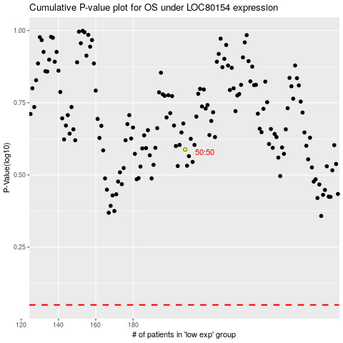

 |  |  |  |  |  | cases_OS | p_OS | rank | exp
 |  |  |  |  |  |  | cases_RFS | p_RFS | rank | exp

