LOC81691 _multivariate
Reported by Tex Li-Hsing Chi. tex@gate.sinica.edu.tw 2019-08-18

Table 2. The clinicopathological features of HNSCC cohort and LOC81691 expression. (Chi square test)
Cutoff at -0.357 (49.8%)
 |  | LOC81691 expression |  | LOC81691 expression |  | (Optimised)
 | Features | Low | (%) | High | (%) | Case no | P-value | Remark | Matthews
Gender | Female | 144 | 34.7 | 162 | 39 | 415 | 0.0697 | 0 | 0
2 | Male | 63 | 15.2 | 46 | 11.1
Age at diagnosis | <=65y | 140 | 33.7 | 134 | 32.3 | 415 | 0.5574 | 0 | 0
4 | >65y | 67 | 16.1 | 74 | 17.8
Clinical T Status | T1+T2 | 75 | 18.1 | 74 | 17.8 | 415 | 0.9707 | 0 | 0
6 | T3+T4 | 132 | 31.8 | 134 | 32.3
Clinical N Status | N0 | 112 | 27 | 104 | 25.1 | 415 | 0.4599 | 0 | 0
8 | N1-3 | 95 | 22.9 | 104 | 25.1
Clinical M Status | M0 | 206 | 49.6 | 206 | 49.6 | 415 | 1 | 0 | 0
10 | M1 | 1 | 0.2 | 2 | 0.5
Clinical Stage | Stage I+II | 60 | 14.5 | 42 | 10.1 | 415 | 0.0493 | 1 | 0
12 | Stage III+IV | 147 | 35.4 | 166 | 40
Surgical Margin status | Negative | 169 | 40.7 | 149 | 35.9 | 415 | 0.0201 | 1 | 0
14 | Positive | 38 | 9.2 | 59 | 14.2
Tobacco Exposure | Low | 89 | 21.4 | 72 | 17.3 | 415 | 0.0872 | 0 | 0
16 | High | 118 | 28.4 | 136 | 32.8

Table 3. Univariate/Multivariate Cox's proportional hazards regression analyses on OS time of LOC81691 gene expression in HNSCC

 |  | Univariate |  |  |  | Multivariate
 | Features | HR | CI95%(L) | CI95%(H) | P-value | HR | CI95%(L) | CI95%(H) | P-value
1 | Female | 1 |  |  |  | 1
Gender | Male | 1.157 | 0.843 | 1.587 | 0.367 | 1.217 | 0.87 | 1.702 | 0.251
11 | <=65y | 1 |  |  |  | 1
Age at diagnosis | >65y | 1.329 | 0.99 | 1.784 | 0.058 | 1.365 | 1.001 | 1.862 | 0.049
12 | T1+T2 | 1 |  |  |  | 1
Clinical T Status | T3+T4 | 1.409 | 1.028 | 1.931 | 0.033 | 2.259 | 1.191 | 4.285 | 0.013
13 | N0 | 1 |  |  |  | 1
Clinical N Status | N1-3 | 1.185 | 0.89 | 1.577 | 0.246 | 1.247 | 0.874 | 1.781 | 0.224
14 | M0 | 1 |  |  |  | 1
Clinical M Status | M1 | 4.097 | 1.009 | 16.644 | 0.049 | 9.551 | 2.082 | 43.812 | 0.004
15 | Stage I+II | 1 |  |  |  | 1
Clinical Stage | Stage III+IV | 1.245 | 0.882 | 1.759 | 0.213 | 0.482 | 0.223 | 1.043 | 0.064
16 | Negative | 1 |  |  |  | 1
Surgical Margin status | Positive | 1.591 | 1.155 | 2.191 | 0.004 | 1.656 | 1.197 | 2.29 | 0.002
17 | Low | 1 |  |  |  | 1
Tobacco Exposure | High | 1.364 | 1.008 | 1.844 | 0.044 | 1.447 | 1.05 | 1.993 | 0.024
18 | Low | 1 |  |  |  | 1
RNAseq(z-score) | High | 1.167 | 0.876 | 1.554 | 0.291 | 1.129 | 0.839 | 1.519 | 0.422

Table 4. Univariate/Multivariate Cox's proportional hazards regression analyses on RFS time of LOC81691 gene expression in HNSCC

 |  | Univariate |  |  |  | Multivariate
 | Features | HR | CI95%(L) | CI95%(H) | P-value | HR | CI95%(L) | CI95%(H) | P-value
1 | Female | 1 |  |  |  | 1
Gender | Male | 1.157 | 0.843 | 1.587 | 0.367 | 1.217 | 0.87 | 1.702 | 0.251
11 | <=65y | 1 |  |  |  | 1
Age at diagnosis | >65y | 1.329 | 0.99 | 1.784 | 0.058 | 1.365 | 1.001 | 1.862 | 0.049
12 | T1+T2 | 1 |  |  |  | 1
Clinical T Status | T3+T4 | 1.409 | 1.028 | 1.931 | 0.033 | 2.259 | 1.191 | 4.285 | 0.013
13 | N0 | 1 |  |  |  | 1
Clinical N Status | N1-3 | 1.185 | 0.89 | 1.577 | 0.246 | 1.247 | 0.874 | 1.781 | 0.224
14 | M0 | 1 |  |  |  | 1
Clinical M Status | M1 | 4.097 | 1.009 | 16.644 | 0.049 | 9.551 | 2.082 | 43.812 | 0.004
15 | Stage I+II | 1 |  |  |  | 1
Clinical Stage | Stage III+IV | 1.245 | 0.882 | 1.759 | 0.213 | 0.482 | 0.223 | 1.043 | 0.064
16 | Negative | 1 |  |  |  | 1
Surgical Margin status | Positive | 1.591 | 1.155 | 2.191 | 0.004 | 1.656 | 1.197 | 2.29 | 0.002
17 | Low | 1 |  |  |  | 1
Tobacco Exposure | High | 1.364 | 1.008 | 1.844 | 0.044 | 1.447 | 1.05 | 1.993 | 0.024
18 | Low | 1 |  |  |  | 1
RNAseq(z-score) | High | 1.167 | 0.876 | 1.554 | 0.291 | 1.129 | 0.839 | 1.519 | 0.422

Kaplan-Meier survival estimate: Cutoff at -0.357 (49.8%)



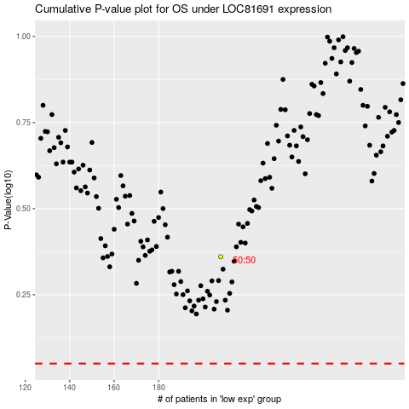

 |  |  |  |  |  | cases_OS | p_OS | rank | exp
 |  |  |  |  |  |  | cases_RFS | p_RFS | rank | exp

