LOC84856 _multivariate
Reported by Tex Li-Hsing Chi. tex@gate.sinica.edu.tw 2019-08-18

Table 2. The clinicopathological features of HNSCC cohort and LOC84856 expression. (Chi square test)
Cutoff at -0.262 (49.8%)
 |  | LOC84856 expression |  | LOC84856 expression |  | (Optimised)
 | Features | Low | (%) | High | (%) | Case no | P-value | Remark | Matthews
Gender | Female | 151 | 36.4 | 155 | 37.3 | 415 | 0.8007 | 0 | 0
2 | Male | 56 | 13.5 | 53 | 12.8
Age at diagnosis | <=65y | 135 | 32.5 | 139 | 33.5 | 415 | 0.8084 | 0 | 0
4 | >65y | 72 | 17.3 | 69 | 16.6
Clinical T Status | T1+T2 | 81 | 19.5 | 68 | 16.4 | 415 | 0.206 | 0 | 0
6 | T3+T4 | 126 | 30.4 | 140 | 33.7
Clinical N Status | N0 | 117 | 28.2 | 99 | 23.9 | 415 | 0.0852 | 1 | 0
8 | N1-3 | 90 | 21.7 | 109 | 26.3
Clinical M Status | M0 | 207 | 49.9 | 205 | 49.4 | 415 | 0.2482 | 0 | 0
10 | M1 | 0 | 0 | 3 | 0.7
Clinical Stage | Stage I+II | 59 | 14.2 | 43 | 10.4 | 415 | 0.0822 | 0 | 0
12 | Stage III+IV | 148 | 35.7 | 165 | 39.8
Surgical Margin status | Negative | 164 | 39.5 | 154 | 37.1 | 415 | 0.2462 | 0 | 0
14 | Positive | 43 | 10.4 | 54 | 13
Tobacco Exposure | Low | 93 | 22.4 | 68 | 16.4 | 415 | 0.0118 | 1 | 0
16 | High | 114 | 27.5 | 140 | 33.7

Table 3. Univariate/Multivariate Cox's proportional hazards regression analyses on OS time of LOC84856 gene expression in HNSCC

 |  | Univariate |  |  |  | Multivariate
 | Features | HR | CI95%(L) | CI95%(H) | P-value | HR | CI95%(L) | CI95%(H) | P-value
1 | Female | 1 |  |  |  | 1
Gender | Male | 1.157 | 0.843 | 1.587 | 0.367 | 1.194 | 0.854 | 1.67 | 0.299
11 | <=65y | 1 |  |  |  | 1
Age at diagnosis | >65y | 1.329 | 0.99 | 1.784 | 0.058 | 1.396 | 1.027 | 1.897 | 0.033
12 | T1+T2 | 1 |  |  |  | 1
Clinical T Status | T3+T4 | 1.409 | 1.028 | 1.931 | 0.033 | 2.227 | 1.176 | 4.217 | 0.014
13 | N0 | 1 |  |  |  | 1
Clinical N Status | N1-3 | 1.185 | 0.89 | 1.577 | 0.246 | 1.248 | 0.874 | 1.782 | 0.222
14 | M0 | 1 |  |  |  | 1
Clinical M Status | M1 | 4.097 | 1.009 | 16.644 | 0.049 | 9.838 | 2.125 | 45.552 | 0.003
15 | Stage I+II | 1 |  |  |  | 1
Clinical Stage | Stage III+IV | 1.245 | 0.882 | 1.759 | 0.213 | 0.498 | 0.232 | 1.071 | 0.074
16 | Negative | 1 |  |  |  | 1
Surgical Margin status | Positive | 1.591 | 1.155 | 2.191 | 0.004 | 1.682 | 1.216 | 2.326 | 0.002
17 | Low | 1 |  |  |  | 1
Tobacco Exposure | High | 1.364 | 1.008 | 1.844 | 0.044 | 1.464 | 1.062 | 2.019 | 0.02
18 | Low | 1 |  |  |  | 1
RNAseq(z-score) | High | 1.027 | 0.771 | 1.368 | 0.855 | 0.926 | 0.691 | 1.242 | 0.609

Table 4. Univariate/Multivariate Cox's proportional hazards regression analyses on RFS time of LOC84856 gene expression in HNSCC

 |  | Univariate |  |  |  | Multivariate
 | Features | HR | CI95%(L) | CI95%(H) | P-value | HR | CI95%(L) | CI95%(H) | P-value
1 | Female | 1 |  |  |  | 1
Gender | Male | 1.157 | 0.843 | 1.587 | 0.367 | 1.194 | 0.854 | 1.67 | 0.299
11 | <=65y | 1 |  |  |  | 1
Age at diagnosis | >65y | 1.329 | 0.99 | 1.784 | 0.058 | 1.396 | 1.027 | 1.897 | 0.033
12 | T1+T2 | 1 |  |  |  | 1
Clinical T Status | T3+T4 | 1.409 | 1.028 | 1.931 | 0.033 | 2.227 | 1.176 | 4.217 | 0.014
13 | N0 | 1 |  |  |  | 1
Clinical N Status | N1-3 | 1.185 | 0.89 | 1.577 | 0.246 | 1.248 | 0.874 | 1.782 | 0.222
14 | M0 | 1 |  |  |  | 1
Clinical M Status | M1 | 4.097 | 1.009 | 16.644 | 0.049 | 9.838 | 2.125 | 45.552 | 0.003
15 | Stage I+II | 1 |  |  |  | 1
Clinical Stage | Stage III+IV | 1.245 | 0.882 | 1.759 | 0.213 | 0.498 | 0.232 | 1.071 | 0.074
16 | Negative | 1 |  |  |  | 1
Surgical Margin status | Positive | 1.591 | 1.155 | 2.191 | 0.004 | 1.682 | 1.216 | 2.326 | 0.002
17 | Low | 1 |  |  |  | 1
Tobacco Exposure | High | 1.364 | 1.008 | 1.844 | 0.044 | 1.464 | 1.062 | 2.019 | 0.02
18 | Low | 1 |  |  |  | 1
RNAseq(z-score) | High | 1.027 | 0.771 | 1.368 | 0.855 | 0.926 | 0.691 | 1.242 | 0.609

Kaplan-Meier survival estimate: Cutoff at -0.262 (49.8%)

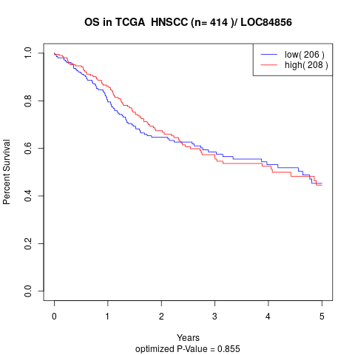

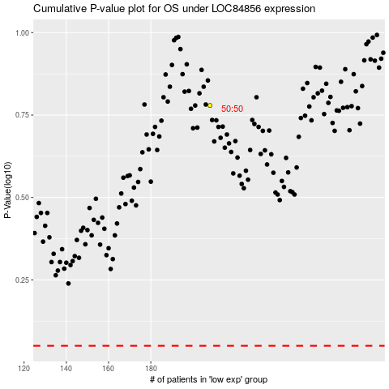

 |  |  |  |  |  | cases_OS | p_OS | rank | exp
 |  |  |  |  |  |  | cases_RFS | p_RFS | rank | exp

