LOC90246 _multivariate
Reported by Tex Li-Hsing Chi. tex@gate.sinica.edu.tw 2019-08-18

Table 2. The clinicopathological features of HNSCC cohort and LOC90246 expression. (Chi square test)
Cutoff at -0.324 (50.0%)
 |  | LOC90246 expression |  | LOC90246 expression |  | (Optimised)
 | Features | Low | (%) | High | (%) | Case no | P-value | Remark | Matthews
Gender | Female | 156 | 37.6 | 150 | 36.1 | 415 | 0.5222 | 0 | 0
2 | Male | 51 | 12.3 | 58 | 14
Age at diagnosis | <=65y | 135 | 32.5 | 139 | 33.5 | 415 | 0.8084 | 0 | 0
4 | >65y | 72 | 17.3 | 69 | 16.6
Clinical T Status | T1+T2 | 79 | 19 | 70 | 16.9 | 415 | 0.3924 | 0 | 0
6 | T3+T4 | 128 | 30.8 | 138 | 33.3
Clinical N Status | N0 | 101 | 24.3 | 115 | 27.7 | 415 | 0.2201 | 0 | 0
8 | N1-3 | 106 | 25.5 | 93 | 22.4
Clinical M Status | M0 | 205 | 49.4 | 207 | 49.9 | 415 | 0.6232 | 0 | 0
10 | M1 | 2 | 0.5 | 1 | 0.2
Clinical Stage | Stage I+II | 50 | 12 | 52 | 12.5 | 415 | 0.9315 | 0 | 0
12 | Stage III+IV | 157 | 37.8 | 156 | 37.6
Surgical Margin status | Negative | 155 | 37.3 | 163 | 39.3 | 415 | 0.4187 | 0 | 0
14 | Positive | 52 | 12.5 | 45 | 10.8
Tobacco Exposure | Low | 91 | 21.9 | 70 | 16.9 | 415 | 0.0346 | 1 | 0
16 | High | 116 | 28 | 138 | 33.3

Table 3. Univariate/Multivariate Cox's proportional hazards regression analyses on OS time of LOC90246 gene expression in HNSCC

 |  | Univariate |  |  |  | Multivariate
 | Features | HR | CI95%(L) | CI95%(H) | P-value | HR | CI95%(L) | CI95%(H) | P-value
1 | Female | 1 |  |  |  | 1
Gender | Male | 1.157 | 0.843 | 1.587 | 0.367 | 1.19 | 0.851 | 1.663 | 0.309
11 | <=65y | 1 |  |  |  | 1
Age at diagnosis | >65y | 1.329 | 0.99 | 1.784 | 0.058 | 1.396 | 1.027 | 1.896 | 0.033
12 | T1+T2 | 1 |  |  |  | 1
Clinical T Status | T3+T4 | 1.409 | 1.028 | 1.931 | 0.033 | 2.181 | 1.153 | 4.124 | 0.016
13 | N0 | 1 |  |  |  | 1
Clinical N Status | N1-3 | 1.185 | 0.89 | 1.577 | 0.246 | 1.255 | 0.879 | 1.792 | 0.211
14 | M0 | 1 |  |  |  | 1
Clinical M Status | M1 | 4.097 | 1.009 | 16.644 | 0.049 | 9.669 | 2.108 | 44.346 | 0.004
15 | Stage I+II | 1 |  |  |  | 1
Clinical Stage | Stage III+IV | 1.245 | 0.882 | 1.759 | 0.213 | 0.519 | 0.241 | 1.116 | 0.093
16 | Negative | 1 |  |  |  | 1
Surgical Margin status | Positive | 1.591 | 1.155 | 2.191 | 0.004 | 1.665 | 1.205 | 2.3 | 0.002
17 | Low | 1 |  |  |  | 1
Tobacco Exposure | High | 1.364 | 1.008 | 1.844 | 0.044 | 1.415 | 1.024 | 1.955 | 0.035
18 | Low | 1 |  |  |  | 1
RNAseq(z-score) | High | 1.175 | 0.882 | 1.566 | 0.271 | 1.179 | 0.879 | 1.581 | 0.273

Table 4. Univariate/Multivariate Cox's proportional hazards regression analyses on RFS time of LOC90246 gene expression in HNSCC

 |  | Univariate |  |  |  | Multivariate
 | Features | HR | CI95%(L) | CI95%(H) | P-value | HR | CI95%(L) | CI95%(H) | P-value
1 | Female | 1 |  |  |  | 1
Gender | Male | 1.157 | 0.843 | 1.587 | 0.367 | 1.19 | 0.851 | 1.663 | 0.309
11 | <=65y | 1 |  |  |  | 1
Age at diagnosis | >65y | 1.329 | 0.99 | 1.784 | 0.058 | 1.396 | 1.027 | 1.896 | 0.033
12 | T1+T2 | 1 |  |  |  | 1
Clinical T Status | T3+T4 | 1.409 | 1.028 | 1.931 | 0.033 | 2.181 | 1.153 | 4.124 | 0.016
13 | N0 | 1 |  |  |  | 1
Clinical N Status | N1-3 | 1.185 | 0.89 | 1.577 | 0.246 | 1.255 | 0.879 | 1.792 | 0.211
14 | M0 | 1 |  |  |  | 1
Clinical M Status | M1 | 4.097 | 1.009 | 16.644 | 0.049 | 9.669 | 2.108 | 44.346 | 0.004
15 | Stage I+II | 1 |  |  |  | 1
Clinical Stage | Stage III+IV | 1.245 | 0.882 | 1.759 | 0.213 | 0.519 | 0.241 | 1.116 | 0.093
16 | Negative | 1 |  |  |  | 1
Surgical Margin status | Positive | 1.591 | 1.155 | 2.191 | 0.004 | 1.665 | 1.205 | 2.3 | 0.002
17 | Low | 1 |  |  |  | 1
Tobacco Exposure | High | 1.364 | 1.008 | 1.844 | 0.044 | 1.415 | 1.024 | 1.955 | 0.035
18 | Low | 1 |  |  |  | 1
RNAseq(z-score) | High | 1.175 | 0.882 | 1.566 | 0.271 | 1.179 | 0.879 | 1.581 | 0.273

Kaplan-Meier survival estimate: Cutoff at -0.324 (50.0%)



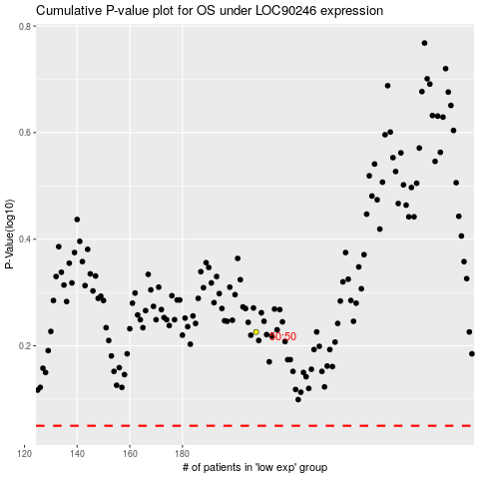

 |  |  |  |  |  | cases_OS | p_OS | rank | exp
 |  |  |  |  |  |  | cases_RFS | p_RFS | rank | exp

