LOC90834 _multivariate
Reported by Tex Li-Hsing Chi. tex@gate.sinica.edu.tw 2019-08-18

Table 2. The clinicopathological features of HNSCC cohort and LOC90834 expression. (Chi square test)
Cutoff at -0.274 (49.8%)
 |  | LOC90834 expression |  | LOC90834 expression |  | (Optimised)
 | Features | Low | (%) | High | (%) | Case no | P-value | Remark | Matthews
Gender | Female | 158 | 38.1 | 148 | 35.7 | 415 | 0.2774 | 0 | 0
2 | Male | 49 | 11.8 | 60 | 14.5
Age at diagnosis | <=65y | 141 | 34 | 133 | 32 | 415 | 0.4272 | 0 | 0
4 | >65y | 66 | 15.9 | 75 | 18.1
Clinical T Status | T1+T2 | 74 | 17.8 | 75 | 18.1 | 415 | 1 | 0 | 0
6 | T3+T4 | 133 | 32 | 133 | 32
Clinical N Status | N0 | 101 | 24.3 | 115 | 27.7 | 415 | 0.2201 | 0 | 0
8 | N1-3 | 106 | 25.5 | 93 | 22.4
Clinical M Status | M0 | 205 | 49.4 | 207 | 49.9 | 415 | 0.6232 | 0 | 0
10 | M1 | 2 | 0.5 | 1 | 0.2
Clinical Stage | Stage I+II | 50 | 12 | 52 | 12.5 | 415 | 0.9315 | 0 | 0
12 | Stage III+IV | 157 | 37.8 | 156 | 37.6
Surgical Margin status | Negative | 163 | 39.3 | 155 | 37.3 | 415 | 0.3537 | 0 | 0
14 | Positive | 44 | 10.6 | 53 | 12.8
Tobacco Exposure | Low | 81 | 19.5 | 80 | 19.3 | 415 | 0.9199 | 0 | 0
16 | High | 126 | 30.4 | 128 | 30.8

Table 3. Univariate/Multivariate Cox's proportional hazards regression analyses on OS time of LOC90834 gene expression in HNSCC

 |  | Univariate |  |  |  | Multivariate
 | Features | HR | CI95%(L) | CI95%(H) | P-value | HR | CI95%(L) | CI95%(H) | P-value
1 | Female | 1 |  |  |  | 1
Gender | Male | 1.157 | 0.843 | 1.587 | 0.367 | 1.202 | 0.86 | 1.679 | 0.281
11 | <=65y | 1 |  |  |  | 1
Age at diagnosis | >65y | 1.329 | 0.99 | 1.784 | 0.058 | 1.391 | 1.022 | 1.893 | 0.036
12 | T1+T2 | 1 |  |  |  | 1
Clinical T Status | T3+T4 | 1.409 | 1.028 | 1.931 | 0.033 | 2.203 | 1.164 | 4.17 | 0.015
13 | N0 | 1 |  |  |  | 1
Clinical N Status | N1-3 | 1.185 | 0.89 | 1.577 | 0.246 | 1.241 | 0.868 | 1.775 | 0.236
14 | M0 | 1 |  |  |  | 1
Clinical M Status | M1 | 4.097 | 1.009 | 16.644 | 0.049 | 9.42 | 2.046 | 43.359 | 0.004
15 | Stage I+II | 1 |  |  |  | 1
Clinical Stage | Stage III+IV | 1.245 | 0.882 | 1.759 | 0.213 | 0.504 | 0.234 | 1.086 | 0.08
16 | Negative | 1 |  |  |  | 1
Surgical Margin status | Positive | 1.591 | 1.155 | 2.191 | 0.004 | 1.672 | 1.21 | 2.31 | 0.002
17 | Low | 1 |  |  |  | 1
Tobacco Exposure | High | 1.364 | 1.008 | 1.844 | 0.044 | 1.453 | 1.054 | 2.003 | 0.023
18 | Low | 1 |  |  |  | 1
RNAseq(z-score) | High | 1.005 | 0.753 | 1.341 | 0.975 | 1.004 | 0.748 | 1.346 | 0.981

Table 4. Univariate/Multivariate Cox's proportional hazards regression analyses on RFS time of LOC90834 gene expression in HNSCC

 |  | Univariate |  |  |  | Multivariate
 | Features | HR | CI95%(L) | CI95%(H) | P-value | HR | CI95%(L) | CI95%(H) | P-value
1 | Female | 1 |  |  |  | 1
Gender | Male | 1.157 | 0.843 | 1.587 | 0.367 | 1.202 | 0.86 | 1.679 | 0.281
11 | <=65y | 1 |  |  |  | 1
Age at diagnosis | >65y | 1.329 | 0.99 | 1.784 | 0.058 | 1.391 | 1.022 | 1.893 | 0.036
12 | T1+T2 | 1 |  |  |  | 1
Clinical T Status | T3+T4 | 1.409 | 1.028 | 1.931 | 0.033 | 2.203 | 1.164 | 4.17 | 0.015
13 | N0 | 1 |  |  |  | 1
Clinical N Status | N1-3 | 1.185 | 0.89 | 1.577 | 0.246 | 1.241 | 0.868 | 1.775 | 0.236
14 | M0 | 1 |  |  |  | 1
Clinical M Status | M1 | 4.097 | 1.009 | 16.644 | 0.049 | 9.42 | 2.046 | 43.359 | 0.004
15 | Stage I+II | 1 |  |  |  | 1
Clinical Stage | Stage III+IV | 1.245 | 0.882 | 1.759 | 0.213 | 0.504 | 0.234 | 1.086 | 0.08
16 | Negative | 1 |  |  |  | 1
Surgical Margin status | Positive | 1.591 | 1.155 | 2.191 | 0.004 | 1.672 | 1.21 | 2.31 | 0.002
17 | Low | 1 |  |  |  | 1
Tobacco Exposure | High | 1.364 | 1.008 | 1.844 | 0.044 | 1.453 | 1.054 | 2.003 | 0.023
18 | Low | 1 |  |  |  | 1
RNAseq(z-score) | High | 1.005 | 0.753 | 1.341 | 0.975 | 1.004 | 0.748 | 1.346 | 0.981

Kaplan-Meier survival estimate: Cutoff at -0.274 (49.8%)



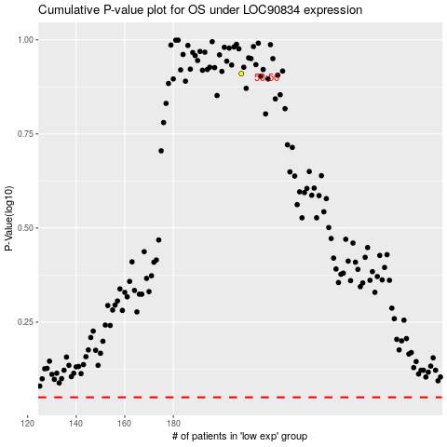

 |  |  |  |  |  | cases_OS | p_OS | rank | exp
 |  |  |  |  |  |  | cases_RFS | p_RFS | rank | exp

