LOH12CR1 _multivariate
Reported by Tex Li-Hsing Chi. tex@gate.sinica.edu.tw 2019-08-18

Table 2. The clinicopathological features of HNSCC cohort and LOH12CR1 expression. (Chi square test)
Cutoff at -0.239 (50.0%)
 |  | LOH12CR1 expression |  | LOH12CR1 expression |  | (Optimised)
 | Features | Low | (%) | High | (%) | Case no | P-value | Remark | Matthews
Gender | Female | 146 | 35.2 | 160 | 38.6 | 415 | 0.1714 | 0 | 0
2 | Male | 61 | 14.7 | 48 | 11.6
Age at diagnosis | <=65y | 141 | 34 | 133 | 32 | 415 | 0.4272 | 0 | 0
4 | >65y | 66 | 15.9 | 75 | 18.1
Clinical T Status | T1+T2 | 79 | 19 | 70 | 16.9 | 415 | 0.3924 | 0 | 0
6 | T3+T4 | 128 | 30.8 | 138 | 33.3
Clinical N Status | N0 | 110 | 26.5 | 106 | 25.5 | 415 | 0.7294 | 0 | 0
8 | N1-3 | 97 | 23.4 | 102 | 24.6
Clinical M Status | M0 | 206 | 49.6 | 206 | 49.6 | 415 | 1 | 0 | 0
10 | M1 | 1 | 0.2 | 2 | 0.5
Clinical Stage | Stage I+II | 57 | 13.7 | 45 | 10.8 | 415 | 0.1998 | 0 | 0
12 | Stage III+IV | 150 | 36.1 | 163 | 39.3
Surgical Margin status | Negative | 158 | 38.1 | 160 | 38.6 | 415 | 0.9081 | 0 | 0
14 | Positive | 49 | 11.8 | 48 | 11.6
Tobacco Exposure | Low | 87 | 21 | 74 | 17.8 | 415 | 0.1911 | 0 | 0
16 | High | 120 | 28.9 | 134 | 32.3

Table 3. Univariate/Multivariate Cox's proportional hazards regression analyses on OS time of LOH12CR1 gene expression in HNSCC

 |  | Univariate |  |  |  | Multivariate
 | Features | HR | CI95%(L) | CI95%(H) | P-value | HR | CI95%(L) | CI95%(H) | P-value
1 | Female | 1 |  |  |  | 1
Gender | Male | 1.157 | 0.843 | 1.587 | 0.367 | 1.185 | 0.849 | 1.655 | 0.319
11 | <=65y | 1 |  |  |  | 1
Age at diagnosis | >65y | 1.329 | 0.99 | 1.784 | 0.058 | 1.431 | 1.049 | 1.951 | 0.023
12 | T1+T2 | 1 |  |  |  | 1
Clinical T Status | T3+T4 | 1.409 | 1.028 | 1.931 | 0.033 | 2.171 | 1.148 | 4.107 | 0.017
13 | N0 | 1 |  |  |  | 1
Clinical N Status | N1-3 | 1.185 | 0.89 | 1.577 | 0.246 | 1.223 | 0.857 | 1.744 | 0.268
14 | M0 | 1 |  |  |  | 1
Clinical M Status | M1 | 4.097 | 1.009 | 16.644 | 0.049 | 9.586 | 2.092 | 43.935 | 0.004
15 | Stage I+II | 1 |  |  |  | 1
Clinical Stage | Stage III+IV | 1.245 | 0.882 | 1.759 | 0.213 | 0.524 | 0.243 | 1.127 | 0.098
16 | Negative | 1 |  |  |  | 1
Surgical Margin status | Positive | 1.591 | 1.155 | 2.191 | 0.004 | 1.682 | 1.217 | 2.323 | 0.002
17 | Low | 1 |  |  |  | 1
Tobacco Exposure | High | 1.364 | 1.008 | 1.844 | 0.044 | 1.459 | 1.06 | 2.009 | 0.02
18 | Low | 1 |  |  |  | 1
RNAseq(z-score) | High | 0.823 | 0.617 | 1.097 | 0.183 | 0.78 | 0.584 | 1.044 | 0.095

Table 4. Univariate/Multivariate Cox's proportional hazards regression analyses on RFS time of LOH12CR1 gene expression in HNSCC

 |  | Univariate |  |  |  | Multivariate
 | Features | HR | CI95%(L) | CI95%(H) | P-value | HR | CI95%(L) | CI95%(H) | P-value
1 | Female | 1 |  |  |  | 1
Gender | Male | 1.157 | 0.843 | 1.587 | 0.367 | 1.185 | 0.849 | 1.655 | 0.319
11 | <=65y | 1 |  |  |  | 1
Age at diagnosis | >65y | 1.329 | 0.99 | 1.784 | 0.058 | 1.431 | 1.049 | 1.951 | 0.023
12 | T1+T2 | 1 |  |  |  | 1
Clinical T Status | T3+T4 | 1.409 | 1.028 | 1.931 | 0.033 | 2.171 | 1.148 | 4.107 | 0.017
13 | N0 | 1 |  |  |  | 1
Clinical N Status | N1-3 | 1.185 | 0.89 | 1.577 | 0.246 | 1.223 | 0.857 | 1.744 | 0.268
14 | M0 | 1 |  |  |  | 1
Clinical M Status | M1 | 4.097 | 1.009 | 16.644 | 0.049 | 9.586 | 2.092 | 43.935 | 0.004
15 | Stage I+II | 1 |  |  |  | 1
Clinical Stage | Stage III+IV | 1.245 | 0.882 | 1.759 | 0.213 | 0.524 | 0.243 | 1.127 | 0.098
16 | Negative | 1 |  |  |  | 1
Surgical Margin status | Positive | 1.591 | 1.155 | 2.191 | 0.004 | 1.682 | 1.217 | 2.323 | 0.002
17 | Low | 1 |  |  |  | 1
Tobacco Exposure | High | 1.364 | 1.008 | 1.844 | 0.044 | 1.459 | 1.06 | 2.009 | 0.02
18 | Low | 1 |  |  |  | 1
RNAseq(z-score) | High | 0.823 | 0.617 | 1.097 | 0.183 | 0.78 | 0.584 | 1.044 | 0.095

Kaplan-Meier survival estimate: Cutoff at -0.239 (50.0%)



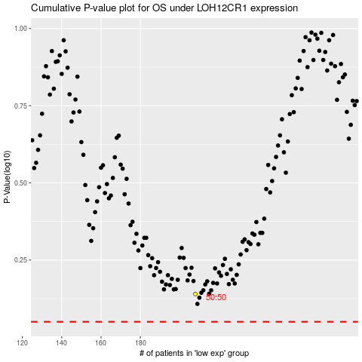

 |  |  |  |  |  | cases_OS | p_OS | rank | exp
 |  |  |  |  |  |  | cases_RFS | p_RFS | rank | exp

