LONP1 _multivariate
Reported by Tex Li-Hsing Chi. tex@gate.sinica.edu.tw 2019-08-18

Table 2. The clinicopathological features of HNSCC cohort and LONP1 expression. (Chi square test)
Cutoff at -0.153 (49.8%)
 |  | LONP1 expression |  | LONP1 expression |  | (Optimised)
 | Features | Low | (%) | High | (%) | Case no | P-value | Remark | Matthews
Gender | Female | 148 | 35.7 | 158 | 38.1 | 415 | 0.3567 | 0 | 0
2 | Male | 59 | 14.2 | 50 | 12
Age at diagnosis | <=65y | 140 | 33.7 | 134 | 32.3 | 415 | 0.5574 | 0 | 0
4 | >65y | 67 | 16.1 | 74 | 17.8
Clinical T Status | T1+T2 | 80 | 19.3 | 69 | 16.6 | 415 | 0.2891 | 0 | 0
6 | T3+T4 | 127 | 30.6 | 139 | 33.5
Clinical N Status | N0 | 107 | 25.8 | 109 | 26.3 | 415 | 0.9624 | 0 | 0
8 | N1-3 | 100 | 24.1 | 99 | 23.9
Clinical M Status | M0 | 206 | 49.6 | 206 | 49.6 | 415 | 1 | 0 | 0
10 | M1 | 1 | 0.2 | 2 | 0.5
Clinical Stage | Stage I+II | 61 | 14.7 | 41 | 9.9 | 415 | 0.0282 | 1 | 0
12 | Stage III+IV | 146 | 35.2 | 167 | 40.2
Surgical Margin status | Negative | 160 | 38.6 | 158 | 38.1 | 415 | 0.8167 | 0 | 0
14 | Positive | 47 | 11.3 | 50 | 12
Tobacco Exposure | Low | 90 | 21.7 | 71 | 17.1 | 415 | 0.0559 | 0 | 0
16 | High | 117 | 28.2 | 137 | 33

Table 3. Univariate/Multivariate Cox's proportional hazards regression analyses on OS time of LONP1 gene expression in HNSCC

 |  | Univariate |  |  |  | Multivariate
 | Features | HR | CI95%(L) | CI95%(H) | P-value | HR | CI95%(L) | CI95%(H) | P-value
1 | Female | 1 |  |  |  | 1
Gender | Male | 1.157 | 0.843 | 1.587 | 0.367 | 1.179 | 0.845 | 1.647 | 0.333
11 | <=65y | 1 |  |  |  | 1
Age at diagnosis | >65y | 1.329 | 0.99 | 1.784 | 0.058 | 1.429 | 1.049 | 1.947 | 0.024
12 | T1+T2 | 1 |  |  |  | 1
Clinical T Status | T3+T4 | 1.409 | 1.028 | 1.931 | 0.033 | 2.2 | 1.162 | 4.166 | 0.015
13 | N0 | 1 |  |  |  | 1
Clinical N Status | N1-3 | 1.185 | 0.89 | 1.577 | 0.246 | 1.228 | 0.86 | 1.753 | 0.259
14 | M0 | 1 |  |  |  | 1
Clinical M Status | M1 | 4.097 | 1.009 | 16.644 | 0.049 | 9.593 | 2.091 | 44.015 | 0.004
15 | Stage I+II | 1 |  |  |  | 1
Clinical Stage | Stage III+IV | 1.245 | 0.882 | 1.759 | 0.213 | 0.529 | 0.246 | 1.141 | 0.104
16 | Negative | 1 |  |  |  | 1
Surgical Margin status | Positive | 1.591 | 1.155 | 2.191 | 0.004 | 1.688 | 1.22 | 2.334 | 0.002
17 | Low | 1 |  |  |  | 1
Tobacco Exposure | High | 1.364 | 1.008 | 1.844 | 0.044 | 1.472 | 1.069 | 2.027 | 0.018
18 | Low | 1 |  |  |  | 1
RNAseq(z-score) | High | 0.865 | 0.649 | 1.153 | 0.322 | 0.8 | 0.595 | 1.074 | 0.137

Table 4. Univariate/Multivariate Cox's proportional hazards regression analyses on RFS time of LONP1 gene expression in HNSCC

 |  | Univariate |  |  |  | Multivariate
 | Features | HR | CI95%(L) | CI95%(H) | P-value | HR | CI95%(L) | CI95%(H) | P-value
1 | Female | 1 |  |  |  | 1
Gender | Male | 1.157 | 0.843 | 1.587 | 0.367 | 1.179 | 0.845 | 1.647 | 0.333
11 | <=65y | 1 |  |  |  | 1
Age at diagnosis | >65y | 1.329 | 0.99 | 1.784 | 0.058 | 1.429 | 1.049 | 1.947 | 0.024
12 | T1+T2 | 1 |  |  |  | 1
Clinical T Status | T3+T4 | 1.409 | 1.028 | 1.931 | 0.033 | 2.2 | 1.162 | 4.166 | 0.015
13 | N0 | 1 |  |  |  | 1
Clinical N Status | N1-3 | 1.185 | 0.89 | 1.577 | 0.246 | 1.228 | 0.86 | 1.753 | 0.259
14 | M0 | 1 |  |  |  | 1
Clinical M Status | M1 | 4.097 | 1.009 | 16.644 | 0.049 | 9.593 | 2.091 | 44.015 | 0.004
15 | Stage I+II | 1 |  |  |  | 1
Clinical Stage | Stage III+IV | 1.245 | 0.882 | 1.759 | 0.213 | 0.529 | 0.246 | 1.141 | 0.104
16 | Negative | 1 |  |  |  | 1
Surgical Margin status | Positive | 1.591 | 1.155 | 2.191 | 0.004 | 1.688 | 1.22 | 2.334 | 0.002
17 | Low | 1 |  |  |  | 1
Tobacco Exposure | High | 1.364 | 1.008 | 1.844 | 0.044 | 1.472 | 1.069 | 2.027 | 0.018
18 | Low | 1 |  |  |  | 1
RNAseq(z-score) | High | 0.865 | 0.649 | 1.153 | 0.322 | 0.8 | 0.595 | 1.074 | 0.137

Kaplan-Meier survival estimate: Cutoff at -0.153 (49.8%)



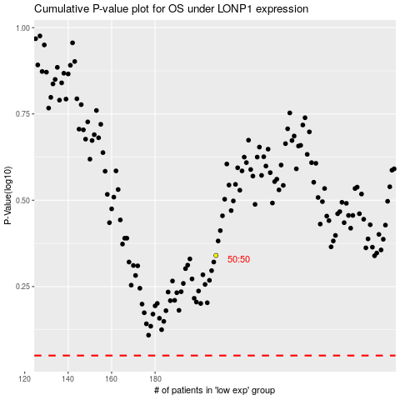

 |  |  |  |  |  | cases_OS | p_OS | rank | exp
 |  |  |  |  |  |  | cases_RFS | p_RFS | rank | exp

