LONRF2 _multivariate
Reported by Tex Li-Hsing Chi. tex@gate.sinica.edu.tw 2019-08-18

Table 2. The clinicopathological features of HNSCC cohort and LONRF2 expression. (Chi square test)
Cutoff at -0.358 (50.0%)
 |  | LONRF2 expression |  | LONRF2 expression |  | (Optimised)
 | Features | Low | (%) | High | (%) | Case no | P-value | Remark | Matthews
Gender | Female | 147 | 35.4 | 159 | 38.3 | 415 | 0.2523 | 0 | 0
2 | Male | 60 | 14.5 | 49 | 11.8
Age at diagnosis | <=65y | 123 | 29.6 | 151 | 36.4 | 415 | 0.0063 | 1 | 0
4 | >65y | 84 | 20.2 | 57 | 13.7
Clinical T Status | T1+T2 | 62 | 14.9 | 87 | 21 | 415 | 0.0156 | 1 | 0
6 | T3+T4 | 145 | 34.9 | 121 | 29.2
Clinical N Status | N0 | 109 | 26.3 | 107 | 25.8 | 415 | 0.8812 | 0 | 0
8 | N1-3 | 98 | 23.6 | 101 | 24.3
Clinical M Status | M0 | 204 | 49.2 | 208 | 50.1 | 415 | 0.1232 | 0 | 0
10 | M1 | 3 | 0.7 | 0 | 0
Clinical Stage | Stage I+II | 46 | 11.1 | 56 | 13.5 | 415 | 0.3182 | 0 | 0
12 | Stage III+IV | 161 | 38.8 | 152 | 36.6
Surgical Margin status | Negative | 151 | 36.4 | 167 | 40.2 | 415 | 0.0828 | 0 | 0
14 | Positive | 56 | 13.5 | 41 | 9.9
Tobacco Exposure | Low | 97 | 23.4 | 64 | 15.4 | 415 | 9e-04 | 1 | 0
16 | High | 110 | 26.5 | 144 | 34.7

Table 3. Univariate/Multivariate Cox's proportional hazards regression analyses on OS time of LONRF2 gene expression in HNSCC

 |  | Univariate |  |  |  | Multivariate
 | Features | HR | CI95%(L) | CI95%(H) | P-value | HR | CI95%(L) | CI95%(H) | P-value
1 | Female | 1 |  |  |  | 1
Gender | Male | 1.157 | 0.843 | 1.587 | 0.367 | 1.203 | 0.861 | 1.68 | 0.28
11 | <=65y | 1 |  |  |  | 1
Age at diagnosis | >65y | 1.329 | 0.99 | 1.784 | 0.058 | 1.398 | 1.027 | 1.902 | 0.033
12 | T1+T2 | 1 |  |  |  | 1
Clinical T Status | T3+T4 | 1.409 | 1.028 | 1.931 | 0.033 | 2.229 | 1.174 | 4.232 | 0.014
13 | N0 | 1 |  |  |  | 1
Clinical N Status | N1-3 | 1.185 | 0.89 | 1.577 | 0.246 | 1.24 | 0.869 | 1.77 | 0.235
14 | M0 | 1 |  |  |  | 1
Clinical M Status | M1 | 4.097 | 1.009 | 16.644 | 0.049 | 9.757 | 2.097 | 45.399 | 0.004
15 | Stage I+II | 1 |  |  |  | 1
Clinical Stage | Stage III+IV | 1.245 | 0.882 | 1.759 | 0.213 | 0.5 | 0.233 | 1.075 | 0.076
16 | Negative | 1 |  |  |  | 1
Surgical Margin status | Positive | 1.591 | 1.155 | 2.191 | 0.004 | 1.683 | 1.215 | 2.33 | 0.002
17 | Low | 1 |  |  |  | 1
Tobacco Exposure | High | 1.364 | 1.008 | 1.844 | 0.044 | 1.44 | 1.04 | 1.992 | 0.028
18 | Low | 1 |  |  |  | 1
RNAseq(z-score) | High | 0.952 | 0.715 | 1.268 | 0.735 | 1.053 | 0.78 | 1.421 | 0.736

Table 4. Univariate/Multivariate Cox's proportional hazards regression analyses on RFS time of LONRF2 gene expression in HNSCC

 |  | Univariate |  |  |  | Multivariate
 | Features | HR | CI95%(L) | CI95%(H) | P-value | HR | CI95%(L) | CI95%(H) | P-value
1 | Female | 1 |  |  |  | 1
Gender | Male | 1.157 | 0.843 | 1.587 | 0.367 | 1.203 | 0.861 | 1.68 | 0.28
11 | <=65y | 1 |  |  |  | 1
Age at diagnosis | >65y | 1.329 | 0.99 | 1.784 | 0.058 | 1.398 | 1.027 | 1.902 | 0.033
12 | T1+T2 | 1 |  |  |  | 1
Clinical T Status | T3+T4 | 1.409 | 1.028 | 1.931 | 0.033 | 2.229 | 1.174 | 4.232 | 0.014
13 | N0 | 1 |  |  |  | 1
Clinical N Status | N1-3 | 1.185 | 0.89 | 1.577 | 0.246 | 1.24 | 0.869 | 1.77 | 0.235
14 | M0 | 1 |  |  |  | 1
Clinical M Status | M1 | 4.097 | 1.009 | 16.644 | 0.049 | 9.757 | 2.097 | 45.399 | 0.004
15 | Stage I+II | 1 |  |  |  | 1
Clinical Stage | Stage III+IV | 1.245 | 0.882 | 1.759 | 0.213 | 0.5 | 0.233 | 1.075 | 0.076
16 | Negative | 1 |  |  |  | 1
Surgical Margin status | Positive | 1.591 | 1.155 | 2.191 | 0.004 | 1.683 | 1.215 | 2.33 | 0.002
17 | Low | 1 |  |  |  | 1
Tobacco Exposure | High | 1.364 | 1.008 | 1.844 | 0.044 | 1.44 | 1.04 | 1.992 | 0.028
18 | Low | 1 |  |  |  | 1
RNAseq(z-score) | High | 0.952 | 0.715 | 1.268 | 0.735 | 1.053 | 0.78 | 1.421 | 0.736

Kaplan-Meier survival estimate: Cutoff at -0.358 (50.0%)



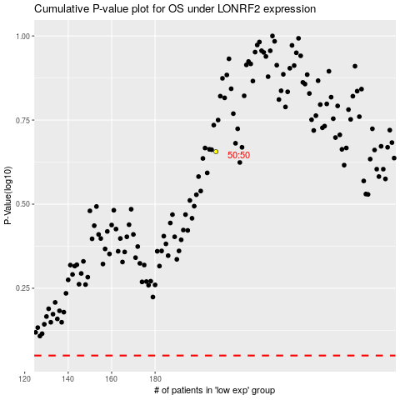

 |  |  |  |  |  | cases_OS | p_OS | rank | exp
 |  |  |  |  |  |  | cases_RFS | p_RFS | rank | exp

