LOXL1 _multivariate
Reported by Tex Li-Hsing Chi. tex@gate.sinica.edu.tw 2019-08-18

Table 2. The clinicopathological features of HNSCC cohort and LOXL1 expression. (Chi square test)
Cutoff at -0.132 (52.4%)
 |  | LOXL1 expression |  | LOXL1 expression |  | (Optimised)
 | Features | Low | (%) | High | (%) | Case no | P-value | Remark | Matthews
Gender | Female | 156 | 37.6 | 150 | 36.1 | 415 | 0.3433 | 0 | 0
2 | Male | 62 | 14.9 | 47 | 11.3
Age at diagnosis | <=65y | 143 | 34.5 | 131 | 31.6 | 415 | 0.9285 | 0 | 0
4 | >65y | 75 | 18.1 | 66 | 15.9
Clinical T Status | T1+T2 | 76 | 18.3 | 73 | 17.6 | 415 | 0.7168 | 0 | 0
6 | T3+T4 | 142 | 34.2 | 124 | 29.9
Clinical N Status | N0 | 111 | 26.7 | 105 | 25.3 | 415 | 0.699 | 0 | 0
8 | N1-3 | 107 | 25.8 | 92 | 22.2
Clinical M Status | M0 | 215 | 51.8 | 197 | 47.5 | 415 | 0.2501 | 0 | 0
10 | M1 | 3 | 0.7 | 0 | 0
Clinical Stage | Stage I+II | 50 | 12 | 52 | 12.5 | 415 | 0.4818 | 0 | 0
12 | Stage III+IV | 168 | 40.5 | 145 | 34.9
Surgical Margin status | Negative | 166 | 40 | 152 | 36.6 | 415 | 0.8175 | 0 | 0
14 | Positive | 52 | 12.5 | 45 | 10.8
Tobacco Exposure | Low | 94 | 22.7 | 67 | 16.1 | 415 | 0.0693 | 0 | 0
16 | High | 124 | 29.9 | 130 | 31.3

Table 3. Univariate/Multivariate Cox's proportional hazards regression analyses on OS time of LOXL1 gene expression in HNSCC

 |  | Univariate |  |  |  | Multivariate
 | Features | HR | CI95%(L) | CI95%(H) | P-value | HR | CI95%(L) | CI95%(H) | P-value
1 | Female | 1 |  |  |  | 1
Gender | Male | 1.157 | 0.843 | 1.587 | 0.367 | 1.147 | 0.818 | 1.609 | 0.427
11 | <=65y | 1 |  |  |  | 1
Age at diagnosis | >65y | 1.329 | 0.99 | 1.784 | 0.058 | 1.398 | 1.028 | 1.902 | 0.033
12 | T1+T2 | 1 |  |  |  | 1
Clinical T Status | T3+T4 | 1.409 | 1.028 | 1.931 | 0.033 | 2.221 | 1.173 | 4.204 | 0.014
13 | N0 | 1 |  |  |  | 1
Clinical N Status | N1-3 | 1.185 | 0.89 | 1.577 | 0.246 | 1.25 | 0.876 | 1.783 | 0.219
14 | M0 | 1 |  |  |  | 1
Clinical M Status | M1 | 4.097 | 1.009 | 16.644 | 0.049 | 8.054 | 1.748 | 37.117 | 0.007
15 | Stage I+II | 1 |  |  |  | 1
Clinical Stage | Stage III+IV | 1.245 | 0.882 | 1.759 | 0.213 | 0.499 | 0.232 | 1.071 | 0.074
16 | Negative | 1 |  |  |  | 1
Surgical Margin status | Positive | 1.591 | 1.155 | 2.191 | 0.004 | 1.679 | 1.215 | 2.321 | 0.002
17 | Low | 1 |  |  |  | 1
Tobacco Exposure | High | 1.364 | 1.008 | 1.844 | 0.044 | 1.493 | 1.08 | 2.063 | 0.015
18 | Low | 1 |  |  |  | 1
RNAseq(z-score) | High | 0.708 | 0.529 | 0.947 | 0.02 | 0.711 | 0.528 | 0.956 | 0.024

Table 4. Univariate/Multivariate Cox's proportional hazards regression analyses on RFS time of LOXL1 gene expression in HNSCC

 |  | Univariate |  |  |  | Multivariate
 | Features | HR | CI95%(L) | CI95%(H) | P-value | HR | CI95%(L) | CI95%(H) | P-value
1 | Female | 1 |  |  |  | 1
Gender | Male | 1.157 | 0.843 | 1.587 | 0.367 | 1.147 | 0.818 | 1.609 | 0.427
11 | <=65y | 1 |  |  |  | 1
Age at diagnosis | >65y | 1.329 | 0.99 | 1.784 | 0.058 | 1.398 | 1.028 | 1.902 | 0.033
12 | T1+T2 | 1 |  |  |  | 1
Clinical T Status | T3+T4 | 1.409 | 1.028 | 1.931 | 0.033 | 2.221 | 1.173 | 4.204 | 0.014
13 | N0 | 1 |  |  |  | 1
Clinical N Status | N1-3 | 1.185 | 0.89 | 1.577 | 0.246 | 1.25 | 0.876 | 1.783 | 0.219
14 | M0 | 1 |  |  |  | 1
Clinical M Status | M1 | 4.097 | 1.009 | 16.644 | 0.049 | 8.054 | 1.748 | 37.117 | 0.007
15 | Stage I+II | 1 |  |  |  | 1
Clinical Stage | Stage III+IV | 1.245 | 0.882 | 1.759 | 0.213 | 0.499 | 0.232 | 1.071 | 0.074
16 | Negative | 1 |  |  |  | 1
Surgical Margin status | Positive | 1.591 | 1.155 | 2.191 | 0.004 | 1.679 | 1.215 | 2.321 | 0.002
17 | Low | 1 |  |  |  | 1
Tobacco Exposure | High | 1.364 | 1.008 | 1.844 | 0.044 | 1.493 | 1.08 | 2.063 | 0.015
18 | Low | 1 |  |  |  | 1
RNAseq(z-score) | High | 0.708 | 0.529 | 0.947 | 0.02 | 0.711 | 0.528 | 0.956 | 0.024

Kaplan-Meier survival estimate: Cutoff at -0.132 (52.4%)

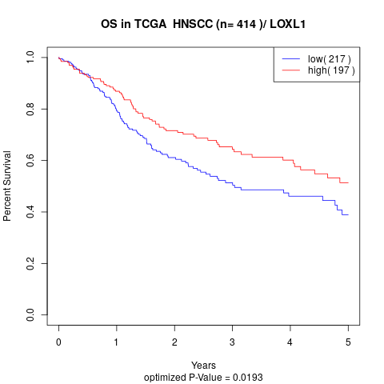

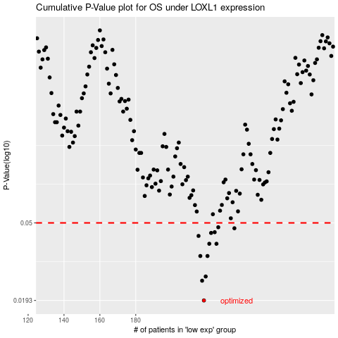

 |  |  |  |  |  | cases_OS | p_OS | rank | exp
 |  |  |  |  |  | 218 | 0.0193 | 51 | -0.13241414738
 |  |  |  |  |  | 217 | 0.0246 | 161 | -0.13952102244
 |  |  |  |  |  | 219 | 0.0259 | 363 | -0.13096442208
 |  |  |  |  |  | 220 | 0.0333 | 156 | -0.13044024329
 |  |  |  |  |  | 216 | 0.0333 | 207 | -0.14037840763
 |  |  |  |  |  | 221 | 0.0387 | 16 | -0.12643356302
 |  |  |  |  |  | 225 | 0.0387 | 233 | -0.11775222137
 |  |  |  |  |  | 215 | 0.0426 | 237 | -0.14037997594
 |  |  |  |  |  | 222 | 0.0442 | 71 | -0.12453891911
 |  |  |  |  |  | 224 | 0.0446 | 142 | -0.12111565164
 |  |  |  |  |  | 235 | 0.0468 | 177 | -0.067295579924
 |  |  |  |  |  | 226 | 0.0474 | 59 | -0.11573766176
 |  |  |  |  |  |  | cases_RFS | p_RFS | rank | exp
 |  |  |  |  |  |  | 217 | 0.0193 | 161 | -0.13952102244
 |  |  |  |  |  |  | 216 | 0.0246 | 207 | -0.14037840763
 |  |  |  |  |  |  | 218 | 0.0259 | 51 | -0.13241414738
 |  |  |  |  |  |  | 215 | 0.0333 | 237 | -0.14037997594
 |  |  |  |  |  |  | 219 | 0.0333 | 363 | -0.13096442208
 |  |  |  |  |  |  | 224 | 0.0387 | 142 | -0.12111565164
 |  |  |  |  |  |  | 220 | 0.0387 | 156 | -0.13044024329
 |  |  |  |  |  |  | 214 | 0.0426 | 223 | -0.14841456904
 |  |  |  |  |  |  | 221 | 0.0442 | 16 | -0.12643356302
 |  |  |  |  |  |  | 223 | 0.0446 | 77 | -0.12378745544
 |  |  |  |  |  |  | 234 | 0.0468 | 124 | -0.068126786327
 |  |  |  |  |  |  | 225 | 0.0474 | 233 | -0.11775222137

