LOXL2 _multivariate
Reported by Tex Li-Hsing Chi. tex@gate.sinica.edu.tw 2019-08-18

Table 2. The clinicopathological features of HNSCC cohort and LOXL2 expression. (Chi square test)
Cutoff at -0.33 (37.2%)
 |  | LOXL2 expression |  | LOXL2 expression |  | (Optimised)
 | Features | Low | (%) | High | (%) | Case no | P-value | Remark | Matthews
Gender | Female | 114 | 27.5 | 192 | 46.3 | 415 | 1 | 0 | 0
2 | Male | 40 | 9.6 | 69 | 16.6
Age at diagnosis | <=65y | 103 | 24.8 | 171 | 41.2 | 415 | 0.8599 | 0 | 0
4 | >65y | 51 | 12.3 | 90 | 21.7
Clinical T Status | T1+T2 | 61 | 14.7 | 88 | 21.2 | 415 | 0.2699 | 0 | 0
6 | T3+T4 | 93 | 22.4 | 173 | 41.7
Clinical N Status | N0 | 82 | 19.8 | 134 | 32.3 | 415 | 0.7843 | 0 | 0
8 | N1-3 | 72 | 17.3 | 127 | 30.6
Clinical M Status | M0 | 151 | 36.4 | 261 | 62.9 | 415 | 0.0505 | 0 | 0
10 | M1 | 3 | 0.7 | 0 | 0
Clinical Stage | Stage I+II | 35 | 8.4 | 67 | 16.1 | 415 | 0.5791 | 0 | 0
12 | Stage III+IV | 119 | 28.7 | 194 | 46.7
Surgical Margin status | Negative | 117 | 28.2 | 201 | 48.4 | 415 | 0.8113 | 0 | 0
14 | Positive | 37 | 8.9 | 60 | 14.5
Tobacco Exposure | Low | 70 | 16.9 | 91 | 21.9 | 415 | 0.0371 | 1 | 0
16 | High | 84 | 20.2 | 170 | 41

Table 3. Univariate/Multivariate Cox's proportional hazards regression analyses on OS time of LOXL2 gene expression in HNSCC

 |  | Univariate |  |  |  | Multivariate
 | Features | HR | CI95%(L) | CI95%(H) | P-value | HR | CI95%(L) | CI95%(H) | P-value
1 | Female | 1 |  |  |  | 1
Gender | Male | 1.157 | 0.843 | 1.587 | 0.367 | 1.208 | 0.865 | 1.687 | 0.267
11 | <=65y | 1 |  |  |  | 1
Age at diagnosis | >65y | 1.329 | 0.99 | 1.784 | 0.058 | 1.4 | 1.029 | 1.904 | 0.032
12 | T1+T2 | 1 |  |  |  | 1
Clinical T Status | T3+T4 | 1.409 | 1.028 | 1.931 | 0.033 | 2.047 | 1.079 | 3.883 | 0.028
13 | N0 | 1 |  |  |  | 1
Clinical N Status | N1-3 | 1.185 | 0.89 | 1.577 | 0.246 | 1.21 | 0.848 | 1.726 | 0.294
14 | M0 | 1 |  |  |  | 1
Clinical M Status | M1 | 4.097 | 1.009 | 16.644 | 0.049 | 10.997 | 2.379 | 50.841 | 0.002
15 | Stage I+II | 1 |  |  |  | 1
Clinical Stage | Stage III+IV | 1.245 | 0.882 | 1.759 | 0.213 | 0.564 | 0.261 | 1.219 | 0.145
16 | Negative | 1 |  |  |  | 1
Surgical Margin status | Positive | 1.591 | 1.155 | 2.191 | 0.004 | 1.668 | 1.207 | 2.304 | 0.002
17 | Low | 1 |  |  |  | 1
Tobacco Exposure | High | 1.364 | 1.008 | 1.844 | 0.044 | 1.419 | 1.029 | 1.957 | 0.033
18 | Low | 1 |  |  |  | 1
RNAseq(z-score) | High | 1.383 | 1.015 | 1.883 | 0.04 | 1.381 | 1.004 | 1.899 | 0.047

Table 4. Univariate/Multivariate Cox's proportional hazards regression analyses on RFS time of LOXL2 gene expression in HNSCC

 |  | Univariate |  |  |  | Multivariate
 | Features | HR | CI95%(L) | CI95%(H) | P-value | HR | CI95%(L) | CI95%(H) | P-value
1 | Female | 1 |  |  |  | 1
Gender | Male | 1.157 | 0.843 | 1.587 | 0.367 | 1.208 | 0.865 | 1.687 | 0.267
11 | <=65y | 1 |  |  |  | 1
Age at diagnosis | >65y | 1.329 | 0.99 | 1.784 | 0.058 | 1.4 | 1.029 | 1.904 | 0.032
12 | T1+T2 | 1 |  |  |  | 1
Clinical T Status | T3+T4 | 1.409 | 1.028 | 1.931 | 0.033 | 2.047 | 1.079 | 3.883 | 0.028
13 | N0 | 1 |  |  |  | 1
Clinical N Status | N1-3 | 1.185 | 0.89 | 1.577 | 0.246 | 1.21 | 0.848 | 1.726 | 0.294
14 | M0 | 1 |  |  |  | 1
Clinical M Status | M1 | 4.097 | 1.009 | 16.644 | 0.049 | 10.997 | 2.379 | 50.841 | 0.002
15 | Stage I+II | 1 |  |  |  | 1
Clinical Stage | Stage III+IV | 1.245 | 0.882 | 1.759 | 0.213 | 0.564 | 0.261 | 1.219 | 0.145
16 | Negative | 1 |  |  |  | 1
Surgical Margin status | Positive | 1.591 | 1.155 | 2.191 | 0.004 | 1.668 | 1.207 | 2.304 | 0.002
17 | Low | 1 |  |  |  | 1
Tobacco Exposure | High | 1.364 | 1.008 | 1.844 | 0.044 | 1.419 | 1.029 | 1.957 | 0.033
18 | Low | 1 |  |  |  | 1
RNAseq(z-score) | High | 1.383 | 1.015 | 1.883 | 0.04 | 1.381 | 1.004 | 1.899 | 0.047

Kaplan-Meier survival estimate: Cutoff at -0.33 (37.2%)

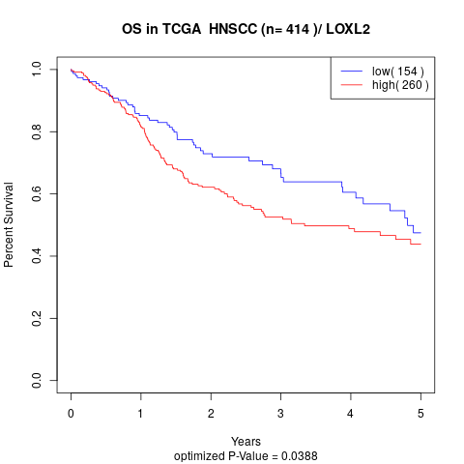

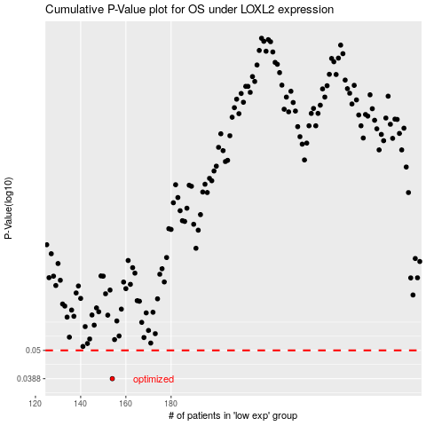

 |  |  |  |  |  | cases_OS | p_OS | rank | exp
 |  |  |  |  |  | 154 | 0.0388 | 247 | -0.33008872288
 |  |  |  |  |  |  | cases_RFS | p_RFS | rank | exp
 |  |  |  |  |  |  | 153 | 0.0388 | 271 | -0.33280832956

