LOXL3 _multivariate
Reported by Tex Li-Hsing Chi. tex@gate.sinica.edu.tw 2019-08-18

Table 2. The clinicopathological features of HNSCC cohort and LOXL3 expression. (Chi square test)
Cutoff at -0.147 (49.8%)
 |  | LOXL3 expression |  | LOXL3 expression |  | (Optimised)
 | Features | Low | (%) | High | (%) | Case no | P-value | Remark | Matthews
Gender | Female | 152 | 36.6 | 154 | 37.1 | 415 | 0.9766 | 0 | 0
2 | Male | 55 | 13.3 | 54 | 13
Age at diagnosis | <=65y | 143 | 34.5 | 131 | 31.6 | 415 | 0.2269 | 0 | 0
4 | >65y | 64 | 15.4 | 77 | 18.6
Clinical T Status | T1+T2 | 89 | 21.4 | 60 | 14.5 | 415 | 0.0037 | 1 | 0
6 | T3+T4 | 118 | 28.4 | 148 | 35.7
Clinical N Status | N0 | 112 | 27 | 104 | 25.1 | 415 | 0.4599 | 0 | 0
8 | N1-3 | 95 | 22.9 | 104 | 25.1
Clinical M Status | M0 | 204 | 49.2 | 208 | 50.1 | 415 | 0.1232 | 0 | 0
10 | M1 | 3 | 0.7 | 0 | 0
Clinical Stage | Stage I+II | 60 | 14.5 | 42 | 10.1 | 415 | 0.0493 | 1 | 0
12 | Stage III+IV | 147 | 35.4 | 166 | 40
Surgical Margin status | Negative | 160 | 38.6 | 158 | 38.1 | 415 | 0.8167 | 0 | 0
14 | Positive | 47 | 11.3 | 50 | 12
Tobacco Exposure | Low | 90 | 21.7 | 71 | 17.1 | 415 | 0.0559 | 0 | 0
16 | High | 117 | 28.2 | 137 | 33

Table 3. Univariate/Multivariate Cox's proportional hazards regression analyses on OS time of LOXL3 gene expression in HNSCC

 |  | Univariate |  |  |  | Multivariate
 | Features | HR | CI95%(L) | CI95%(H) | P-value | HR | CI95%(L) | CI95%(H) | P-value
1 | Female | 1 |  |  |  | 1
Gender | Male | 1.157 | 0.843 | 1.587 | 0.367 | 1.204 | 0.862 | 1.682 | 0.277
11 | <=65y | 1 |  |  |  | 1
Age at diagnosis | >65y | 1.329 | 0.99 | 1.784 | 0.058 | 1.396 | 1.027 | 1.899 | 0.033
12 | T1+T2 | 1 |  |  |  | 1
Clinical T Status | T3+T4 | 1.409 | 1.028 | 1.931 | 0.033 | 2.221 | 1.173 | 4.206 | 0.014
13 | N0 | 1 |  |  |  | 1
Clinical N Status | N1-3 | 1.185 | 0.89 | 1.577 | 0.246 | 1.239 | 0.868 | 1.768 | 0.237
14 | M0 | 1 |  |  |  | 1
Clinical M Status | M1 | 4.097 | 1.009 | 16.644 | 0.049 | 9.224 | 2.005 | 42.433 | 0.004
15 | Stage I+II | 1 |  |  |  | 1
Clinical Stage | Stage III+IV | 1.245 | 0.882 | 1.759 | 0.213 | 0.504 | 0.235 | 1.081 | 0.078
16 | Negative | 1 |  |  |  | 1
Surgical Margin status | Positive | 1.591 | 1.155 | 2.191 | 0.004 | 1.674 | 1.211 | 2.314 | 0.002
17 | Low | 1 |  |  |  | 1
Tobacco Exposure | High | 1.364 | 1.008 | 1.844 | 0.044 | 1.459 | 1.058 | 2.013 | 0.021
18 | Low | 1 |  |  |  | 1
RNAseq(z-score) | High | 1.023 | 0.767 | 1.364 | 0.877 | 0.947 | 0.707 | 1.268 | 0.715

Table 4. Univariate/Multivariate Cox's proportional hazards regression analyses on RFS time of LOXL3 gene expression in HNSCC

 |  | Univariate |  |  |  | Multivariate
 | Features | HR | CI95%(L) | CI95%(H) | P-value | HR | CI95%(L) | CI95%(H) | P-value
1 | Female | 1 |  |  |  | 1
Gender | Male | 1.157 | 0.843 | 1.587 | 0.367 | 1.204 | 0.862 | 1.682 | 0.277
11 | <=65y | 1 |  |  |  | 1
Age at diagnosis | >65y | 1.329 | 0.99 | 1.784 | 0.058 | 1.396 | 1.027 | 1.899 | 0.033
12 | T1+T2 | 1 |  |  |  | 1
Clinical T Status | T3+T4 | 1.409 | 1.028 | 1.931 | 0.033 | 2.221 | 1.173 | 4.206 | 0.014
13 | N0 | 1 |  |  |  | 1
Clinical N Status | N1-3 | 1.185 | 0.89 | 1.577 | 0.246 | 1.239 | 0.868 | 1.768 | 0.237
14 | M0 | 1 |  |  |  | 1
Clinical M Status | M1 | 4.097 | 1.009 | 16.644 | 0.049 | 9.224 | 2.005 | 42.433 | 0.004
15 | Stage I+II | 1 |  |  |  | 1
Clinical Stage | Stage III+IV | 1.245 | 0.882 | 1.759 | 0.213 | 0.504 | 0.235 | 1.081 | 0.078
16 | Negative | 1 |  |  |  | 1
Surgical Margin status | Positive | 1.591 | 1.155 | 2.191 | 0.004 | 1.674 | 1.211 | 2.314 | 0.002
17 | Low | 1 |  |  |  | 1
Tobacco Exposure | High | 1.364 | 1.008 | 1.844 | 0.044 | 1.459 | 1.058 | 2.013 | 0.021
18 | Low | 1 |  |  |  | 1
RNAseq(z-score) | High | 1.023 | 0.767 | 1.364 | 0.877 | 0.947 | 0.707 | 1.268 | 0.715

Kaplan-Meier survival estimate: Cutoff at -0.147 (49.8%)



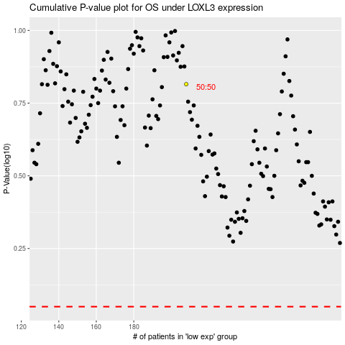

 |  |  |  |  |  | cases_OS | p_OS | rank | exp
 |  |  |  |  |  |  | cases_RFS | p_RFS | rank | exp

