LOXL4 _multivariate
Reported by Tex Li-Hsing Chi. tex@gate.sinica.edu.tw 2019-08-18

Table 2. The clinicopathological features of HNSCC cohort and LOXL4 expression. (Chi square test)
Cutoff at -0.295 (49.8%)
 |  | LOXL4 expression |  | LOXL4 expression |  | (Optimised)
 | Features | Low | (%) | High | (%) | Case no | P-value | Remark | Matthews
Gender | Female | 139 | 33.5 | 167 | 40.2 | 415 | 0.0034 | 1 | 0
2 | Male | 68 | 16.4 | 41 | 9.9
Age at diagnosis | <=65y | 134 | 32.3 | 140 | 33.7 | 415 | 0.6529 | 0 | 0
4 | >65y | 73 | 17.6 | 68 | 16.4
Clinical T Status | T1+T2 | 70 | 16.9 | 79 | 19 | 415 | 0.4343 | 0 | 0
6 | T3+T4 | 137 | 33 | 129 | 31.1
Clinical N Status | N0 | 108 | 26 | 108 | 26 | 415 | 1 | 0 | 0
8 | N1-3 | 99 | 23.9 | 100 | 24.1
Clinical M Status | M0 | 205 | 49.4 | 207 | 49.9 | 415 | 0.6232 | 0 | 0
10 | M1 | 2 | 0.5 | 1 | 0.2
Clinical Stage | Stage I+II | 48 | 11.6 | 54 | 13 | 415 | 0.5878 | 0 | 0
12 | Stage III+IV | 159 | 38.3 | 154 | 37.1
Surgical Margin status | Negative | 156 | 37.6 | 162 | 39 | 415 | 0.5636 | 0 | 0
14 | Positive | 51 | 12.3 | 46 | 11.1
Tobacco Exposure | Low | 100 | 24.1 | 61 | 14.7 | 415 | 1e-04 | 1 | 0
16 | High | 107 | 25.8 | 147 | 35.4

Table 3. Univariate/Multivariate Cox's proportional hazards regression analyses on OS time of LOXL4 gene expression in HNSCC

 |  | Univariate |  |  |  | Multivariate
 | Features | HR | CI95%(L) | CI95%(H) | P-value | HR | CI95%(L) | CI95%(H) | P-value
1 | Female | 1 |  |  |  | 1
Gender | Male | 1.157 | 0.843 | 1.587 | 0.367 | 1.228 | 0.874 | 1.725 | 0.236
11 | <=65y | 1 |  |  |  | 1
Age at diagnosis | >65y | 1.329 | 0.99 | 1.784 | 0.058 | 1.385 | 1.019 | 1.884 | 0.038
12 | T1+T2 | 1 |  |  |  | 1
Clinical T Status | T3+T4 | 1.409 | 1.028 | 1.931 | 0.033 | 2.198 | 1.162 | 4.158 | 0.015
13 | N0 | 1 |  |  |  | 1
Clinical N Status | N1-3 | 1.185 | 0.89 | 1.577 | 0.246 | 1.236 | 0.866 | 1.764 | 0.244
14 | M0 | 1 |  |  |  | 1
Clinical M Status | M1 | 4.097 | 1.009 | 16.644 | 0.049 | 9.76 | 2.121 | 44.916 | 0.003
15 | Stage I+II | 1 |  |  |  | 1
Clinical Stage | Stage III+IV | 1.245 | 0.882 | 1.759 | 0.213 | 0.503 | 0.235 | 1.08 | 0.078
16 | Negative | 1 |  |  |  | 1
Surgical Margin status | Positive | 1.591 | 1.155 | 2.191 | 0.004 | 1.687 | 1.219 | 2.333 | 0.002
17 | Low | 1 |  |  |  | 1
Tobacco Exposure | High | 1.364 | 1.008 | 1.844 | 0.044 | 1.424 | 1.028 | 1.972 | 0.033
18 | Low | 1 |  |  |  | 1
RNAseq(z-score) | High | 1.113 | 0.836 | 1.483 | 0.464 | 1.109 | 0.819 | 1.502 | 0.503

Table 4. Univariate/Multivariate Cox's proportional hazards regression analyses on RFS time of LOXL4 gene expression in HNSCC

 |  | Univariate |  |  |  | Multivariate
 | Features | HR | CI95%(L) | CI95%(H) | P-value | HR | CI95%(L) | CI95%(H) | P-value
1 | Female | 1 |  |  |  | 1
Gender | Male | 1.157 | 0.843 | 1.587 | 0.367 | 1.228 | 0.874 | 1.725 | 0.236
11 | <=65y | 1 |  |  |  | 1
Age at diagnosis | >65y | 1.329 | 0.99 | 1.784 | 0.058 | 1.385 | 1.019 | 1.884 | 0.038
12 | T1+T2 | 1 |  |  |  | 1
Clinical T Status | T3+T4 | 1.409 | 1.028 | 1.931 | 0.033 | 2.198 | 1.162 | 4.158 | 0.015
13 | N0 | 1 |  |  |  | 1
Clinical N Status | N1-3 | 1.185 | 0.89 | 1.577 | 0.246 | 1.236 | 0.866 | 1.764 | 0.244
14 | M0 | 1 |  |  |  | 1
Clinical M Status | M1 | 4.097 | 1.009 | 16.644 | 0.049 | 9.76 | 2.121 | 44.916 | 0.003
15 | Stage I+II | 1 |  |  |  | 1
Clinical Stage | Stage III+IV | 1.245 | 0.882 | 1.759 | 0.213 | 0.503 | 0.235 | 1.08 | 0.078
16 | Negative | 1 |  |  |  | 1
Surgical Margin status | Positive | 1.591 | 1.155 | 2.191 | 0.004 | 1.687 | 1.219 | 2.333 | 0.002
17 | Low | 1 |  |  |  | 1
Tobacco Exposure | High | 1.364 | 1.008 | 1.844 | 0.044 | 1.424 | 1.028 | 1.972 | 0.033
18 | Low | 1 |  |  |  | 1
RNAseq(z-score) | High | 1.113 | 0.836 | 1.483 | 0.464 | 1.109 | 0.819 | 1.502 | 0.503

Kaplan-Meier survival estimate: Cutoff at -0.295 (49.8%)



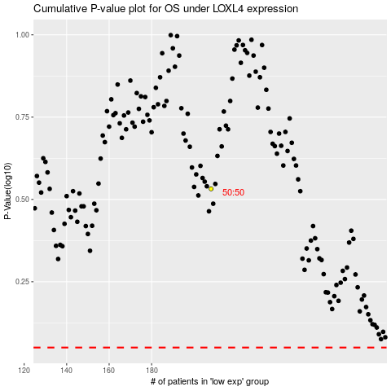

 |  |  |  |  |  | cases_OS | p_OS | rank | exp
 |  |  |  |  |  |  | cases_RFS | p_RFS | rank | exp

