LPAL2 _multivariate
Reported by Tex Li-Hsing Chi. tex@gate.sinica.edu.tw 2019-08-18

Table 2. The clinicopathological features of HNSCC cohort and LPAL2 expression. (Chi square test)
Cutoff at -0.322 (47.6%)
 |  | LPAL2 expression |  | LPAL2 expression |  | (Optimised)
 | Features | Low | (%) | High | (%) | Case no | P-value | Remark | Matthews
Gender | Female | 142 | 34.2 | 164 | 39.5 | 415 | 0.4351 | 0 | 0
2 | Male | 56 | 13.5 | 53 | 12.8
Age at diagnosis | <=65y | 131 | 31.6 | 143 | 34.5 | 415 | 1 | 0 | 0
4 | >65y | 67 | 16.1 | 74 | 17.8
Clinical T Status | T1+T2 | 73 | 17.6 | 76 | 18.3 | 415 | 0.7726 | 0 | 0
6 | T3+T4 | 125 | 30.1 | 141 | 34
Clinical N Status | N0 | 105 | 25.3 | 111 | 26.7 | 415 | 0.7763 | 0 | 0
8 | N1-3 | 93 | 22.4 | 106 | 25.5
Clinical M Status | M0 | 197 | 47.5 | 215 | 51.8 | 415 | 1 | 0 | 0
10 | M1 | 1 | 0.2 | 2 | 0.5
Clinical Stage | Stage I+II | 51 | 12.3 | 51 | 12.3 | 415 | 0.6753 | 0 | 0
12 | Stage III+IV | 147 | 35.4 | 166 | 40
Surgical Margin status | Negative | 159 | 38.3 | 159 | 38.3 | 415 | 0.1042 | 0 | 0
14 | Positive | 39 | 9.4 | 58 | 14
Tobacco Exposure | Low | 76 | 18.3 | 85 | 20.5 | 415 | 0.9198 | 0 | 0
16 | High | 122 | 29.4 | 132 | 31.8

Table 3. Univariate/Multivariate Cox's proportional hazards regression analyses on OS time of LPAL2 gene expression in HNSCC

 |  | Univariate |  |  |  | Multivariate
 | Features | HR | CI95%(L) | CI95%(H) | P-value | HR | CI95%(L) | CI95%(H) | P-value
1 | Female | 1 |  |  |  | 1
Gender | Male | 1.157 | 0.843 | 1.587 | 0.367 | 1.183 | 0.846 | 1.654 | 0.326
11 | <=65y | 1 |  |  |  | 1
Age at diagnosis | >65y | 1.329 | 0.99 | 1.784 | 0.058 | 1.424 | 1.046 | 1.939 | 0.025
12 | T1+T2 | 1 |  |  |  | 1
Clinical T Status | T3+T4 | 1.409 | 1.028 | 1.931 | 0.033 | 2.237 | 1.183 | 4.232 | 0.013
13 | N0 | 1 |  |  |  | 1
Clinical N Status | N1-3 | 1.185 | 0.89 | 1.577 | 0.246 | 1.235 | 0.865 | 1.762 | 0.246
14 | M0 | 1 |  |  |  | 1
Clinical M Status | M1 | 4.097 | 1.009 | 16.644 | 0.049 | 9.966 | 2.172 | 45.729 | 0.003
15 | Stage I+II | 1 |  |  |  | 1
Clinical Stage | Stage III+IV | 1.245 | 0.882 | 1.759 | 0.213 | 0.491 | 0.229 | 1.054 | 0.068
16 | Negative | 1 |  |  |  | 1
Surgical Margin status | Positive | 1.591 | 1.155 | 2.191 | 0.004 | 1.803 | 1.298 | 2.505 | 0
17 | Low | 1 |  |  |  | 1
Tobacco Exposure | High | 1.364 | 1.008 | 1.844 | 0.044 | 1.462 | 1.058 | 2.019 | 0.021
18 | Low | 1 |  |  |  | 1
RNAseq(z-score) | High | 0.75 | 0.563 | 0.999 | 0.049 | 0.686 | 0.512 | 0.919 | 0.011

Table 4. Univariate/Multivariate Cox's proportional hazards regression analyses on RFS time of LPAL2 gene expression in HNSCC

 |  | Univariate |  |  |  | Multivariate
 | Features | HR | CI95%(L) | CI95%(H) | P-value | HR | CI95%(L) | CI95%(H) | P-value
1 | Female | 1 |  |  |  | 1
Gender | Male | 1.157 | 0.843 | 1.587 | 0.367 | 1.183 | 0.846 | 1.654 | 0.326
11 | <=65y | 1 |  |  |  | 1
Age at diagnosis | >65y | 1.329 | 0.99 | 1.784 | 0.058 | 1.424 | 1.046 | 1.939 | 0.025
12 | T1+T2 | 1 |  |  |  | 1
Clinical T Status | T3+T4 | 1.409 | 1.028 | 1.931 | 0.033 | 2.237 | 1.183 | 4.232 | 0.013
13 | N0 | 1 |  |  |  | 1
Clinical N Status | N1-3 | 1.185 | 0.89 | 1.577 | 0.246 | 1.235 | 0.865 | 1.762 | 0.246
14 | M0 | 1 |  |  |  | 1
Clinical M Status | M1 | 4.097 | 1.009 | 16.644 | 0.049 | 9.966 | 2.172 | 45.729 | 0.003
15 | Stage I+II | 1 |  |  |  | 1
Clinical Stage | Stage III+IV | 1.245 | 0.882 | 1.759 | 0.213 | 0.491 | 0.229 | 1.054 | 0.068
16 | Negative | 1 |  |  |  | 1
Surgical Margin status | Positive | 1.591 | 1.155 | 2.191 | 0.004 | 1.803 | 1.298 | 2.505 | 0
17 | Low | 1 |  |  |  | 1
Tobacco Exposure | High | 1.364 | 1.008 | 1.844 | 0.044 | 1.462 | 1.058 | 2.019 | 0.021
18 | Low | 1 |  |  |  | 1
RNAseq(z-score) | High | 0.75 | 0.563 | 0.999 | 0.049 | 0.686 | 0.512 | 0.919 | 0.011

Kaplan-Meier survival estimate: Cutoff at -0.322 (47.6%)



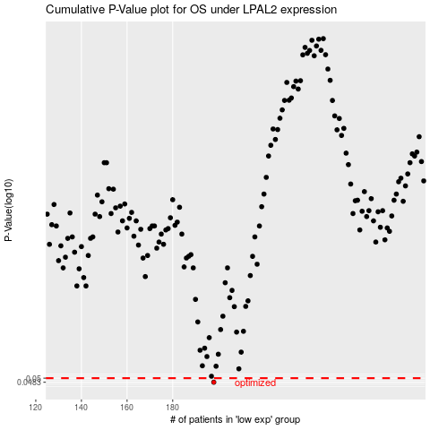

 |  |  |  |  |  | cases_OS | p_OS | rank | exp
 |  |  |  |  |  | 198 | 0.0483 | 11 | -0.32228173023
 |  |  |  |  |  |  | cases_RFS | p_RFS | rank | exp
 |  |  |  |  |  |  | 197 | 0.0483 | 218 | -0.3272628549

