LPAR1 _multivariate
Reported by Tex Li-Hsing Chi. tex@gate.sinica.edu.tw 2019-08-18

Table 2. The clinicopathological features of HNSCC cohort and LPAR1 expression. (Chi square test)
Cutoff at -0.182 (49.8%)
 |  | LPAR1 expression |  | LPAR1 expression |  | (Optimised)
 | Features | Low | (%) | High | (%) | Case no | P-value | Remark | Matthews
Gender | Female | 149 | 35.9 | 157 | 37.8 | 415 | 0.4848 | 0 | 0
2 | Male | 58 | 14 | 51 | 12.3
Age at diagnosis | <=65y | 132 | 31.8 | 142 | 34.2 | 415 | 0.3874 | 0 | 0
4 | >65y | 75 | 18.1 | 66 | 15.9
Clinical T Status | T1+T2 | 72 | 17.3 | 77 | 18.6 | 415 | 0.7095 | 0 | 0
6 | T3+T4 | 135 | 32.5 | 131 | 31.6
Clinical N Status | N0 | 100 | 24.1 | 116 | 28 | 415 | 0.1548 | 0 | 0
8 | N1-3 | 107 | 25.8 | 92 | 22.2
Clinical M Status | M0 | 206 | 49.6 | 206 | 49.6 | 415 | 1 | 0 | 0
10 | M1 | 1 | 0.2 | 2 | 0.5
Clinical Stage | Stage I+II | 45 | 10.8 | 57 | 13.7 | 415 | 0.2202 | 0 | 0
12 | Stage III+IV | 162 | 39 | 151 | 36.4
Surgical Margin status | Negative | 162 | 39 | 156 | 37.6 | 415 | 0.4867 | 0 | 0
14 | Positive | 45 | 10.8 | 52 | 12.5
Tobacco Exposure | Low | 90 | 21.7 | 71 | 17.1 | 415 | 0.0559 | 0 | 0
16 | High | 117 | 28.2 | 137 | 33

Table 3. Univariate/Multivariate Cox's proportional hazards regression analyses on OS time of LPAR1 gene expression in HNSCC

 |  | Univariate |  |  |  | Multivariate
 | Features | HR | CI95%(L) | CI95%(H) | P-value | HR | CI95%(L) | CI95%(H) | P-value
1 | Female | 1 |  |  |  | 1
Gender | Male | 1.157 | 0.843 | 1.587 | 0.367 | 1.211 | 0.866 | 1.693 | 0.264
11 | <=65y | 1 |  |  |  | 1
Age at diagnosis | >65y | 1.329 | 0.99 | 1.784 | 0.058 | 1.405 | 1.032 | 1.914 | 0.031
12 | T1+T2 | 1 |  |  |  | 1
Clinical T Status | T3+T4 | 1.409 | 1.028 | 1.931 | 0.033 | 2.185 | 1.155 | 4.135 | 0.016
13 | N0 | 1 |  |  |  | 1
Clinical N Status | N1-3 | 1.185 | 0.89 | 1.577 | 0.246 | 1.252 | 0.877 | 1.788 | 0.217
14 | M0 | 1 |  |  |  | 1
Clinical M Status | M1 | 4.097 | 1.009 | 16.644 | 0.049 | 9.175 | 1.998 | 42.125 | 0.004
15 | Stage I+II | 1 |  |  |  | 1
Clinical Stage | Stage III+IV | 1.245 | 0.882 | 1.759 | 0.213 | 0.513 | 0.238 | 1.104 | 0.088
16 | Negative | 1 |  |  |  | 1
Surgical Margin status | Positive | 1.591 | 1.155 | 2.191 | 0.004 | 1.664 | 1.204 | 2.3 | 0.002
17 | Low | 1 |  |  |  | 1
Tobacco Exposure | High | 1.364 | 1.008 | 1.844 | 0.044 | 1.434 | 1.039 | 1.98 | 0.028
18 | Low | 1 |  |  |  | 1
RNAseq(z-score) | High | 1.107 | 0.831 | 1.474 | 0.487 | 1.109 | 0.826 | 1.489 | 0.491

Table 4. Univariate/Multivariate Cox's proportional hazards regression analyses on RFS time of LPAR1 gene expression in HNSCC

 |  | Univariate |  |  |  | Multivariate
 | Features | HR | CI95%(L) | CI95%(H) | P-value | HR | CI95%(L) | CI95%(H) | P-value
1 | Female | 1 |  |  |  | 1
Gender | Male | 1.157 | 0.843 | 1.587 | 0.367 | 1.211 | 0.866 | 1.693 | 0.264
11 | <=65y | 1 |  |  |  | 1
Age at diagnosis | >65y | 1.329 | 0.99 | 1.784 | 0.058 | 1.405 | 1.032 | 1.914 | 0.031
12 | T1+T2 | 1 |  |  |  | 1
Clinical T Status | T3+T4 | 1.409 | 1.028 | 1.931 | 0.033 | 2.185 | 1.155 | 4.135 | 0.016
13 | N0 | 1 |  |  |  | 1
Clinical N Status | N1-3 | 1.185 | 0.89 | 1.577 | 0.246 | 1.252 | 0.877 | 1.788 | 0.217
14 | M0 | 1 |  |  |  | 1
Clinical M Status | M1 | 4.097 | 1.009 | 16.644 | 0.049 | 9.175 | 1.998 | 42.125 | 0.004
15 | Stage I+II | 1 |  |  |  | 1
Clinical Stage | Stage III+IV | 1.245 | 0.882 | 1.759 | 0.213 | 0.513 | 0.238 | 1.104 | 0.088
16 | Negative | 1 |  |  |  | 1
Surgical Margin status | Positive | 1.591 | 1.155 | 2.191 | 0.004 | 1.664 | 1.204 | 2.3 | 0.002
17 | Low | 1 |  |  |  | 1
Tobacco Exposure | High | 1.364 | 1.008 | 1.844 | 0.044 | 1.434 | 1.039 | 1.98 | 0.028
18 | Low | 1 |  |  |  | 1
RNAseq(z-score) | High | 1.107 | 0.831 | 1.474 | 0.487 | 1.109 | 0.826 | 1.489 | 0.491

Kaplan-Meier survival estimate: Cutoff at -0.182 (49.8%)



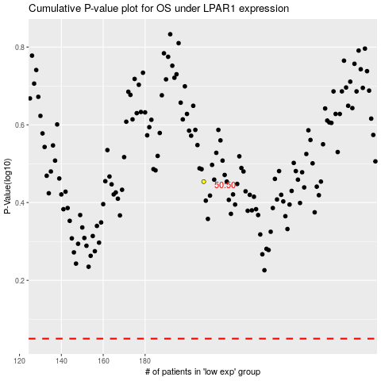

 |  |  |  |  |  | cases_OS | p_OS | rank | exp
 |  |  |  |  |  |  | cases_RFS | p_RFS | rank | exp

