LPAR5 _multivariate
Reported by Tex Li-Hsing Chi. tex@gate.sinica.edu.tw 2019-08-18

Table 2. The clinicopathological features of HNSCC cohort and LPAR5 expression. (Chi square test)
Cutoff at -0.133 (50.0%)
 |  | LPAR5 expression |  | LPAR5 expression |  | (Optimised)
 | Features | Low | (%) | High | (%) | Case no | P-value | Remark | Matthews
Gender | Female | 163 | 39.3 | 143 | 34.5 | 415 | 0.0277 | 1 | 0
2 | Male | 44 | 10.6 | 65 | 15.7
Age at diagnosis | <=65y | 139 | 33.5 | 135 | 32.5 | 415 | 0.7044 | 0 | 0
4 | >65y | 68 | 16.4 | 73 | 17.6
Clinical T Status | T1+T2 | 74 | 17.8 | 75 | 18.1 | 415 | 1 | 0 | 0
6 | T3+T4 | 133 | 32 | 133 | 32
Clinical N Status | N0 | 102 | 24.6 | 114 | 27.5 | 415 | 0.3031 | 0 | 0
8 | N1-3 | 105 | 25.3 | 94 | 22.7
Clinical M Status | M0 | 206 | 49.6 | 206 | 49.6 | 415 | 1 | 0 | 0
10 | M1 | 1 | 0.2 | 2 | 0.5
Clinical Stage | Stage I+II | 46 | 11.1 | 56 | 13.5 | 415 | 0.3182 | 0 | 0
12 | Stage III+IV | 161 | 38.8 | 152 | 36.6
Surgical Margin status | Negative | 154 | 37.1 | 164 | 39.5 | 415 | 0.2984 | 0 | 0
14 | Positive | 53 | 12.8 | 44 | 10.6
Tobacco Exposure | Low | 69 | 16.6 | 92 | 22.2 | 415 | 0.0266 | 1 | 0
16 | High | 138 | 33.3 | 116 | 28

Table 3. Univariate/Multivariate Cox's proportional hazards regression analyses on OS time of LPAR5 gene expression in HNSCC

 |  | Univariate |  |  |  | Multivariate
 | Features | HR | CI95%(L) | CI95%(H) | P-value | HR | CI95%(L) | CI95%(H) | P-value
1 | Female | 1 |  |  |  | 1
Gender | Male | 1.157 | 0.843 | 1.587 | 0.367 | 1.207 | 0.863 | 1.688 | 0.272
11 | <=65y | 1 |  |  |  | 1
Age at diagnosis | >65y | 1.329 | 0.99 | 1.784 | 0.058 | 1.393 | 1.024 | 1.894 | 0.035
12 | T1+T2 | 1 |  |  |  | 1
Clinical T Status | T3+T4 | 1.409 | 1.028 | 1.931 | 0.033 | 2.217 | 1.172 | 4.196 | 0.014
13 | N0 | 1 |  |  |  | 1
Clinical N Status | N1-3 | 1.185 | 0.89 | 1.577 | 0.246 | 1.239 | 0.868 | 1.767 | 0.238
14 | M0 | 1 |  |  |  | 1
Clinical M Status | M1 | 4.097 | 1.009 | 16.644 | 0.049 | 9.645 | 2.094 | 44.431 | 0.004
15 | Stage I+II | 1 |  |  |  | 1
Clinical Stage | Stage III+IV | 1.245 | 0.882 | 1.759 | 0.213 | 0.502 | 0.234 | 1.078 | 0.077
16 | Negative | 1 |  |  |  | 1
Surgical Margin status | Positive | 1.591 | 1.155 | 2.191 | 0.004 | 1.664 | 1.204 | 2.301 | 0.002
17 | Low | 1 |  |  |  | 1
Tobacco Exposure | High | 1.364 | 1.008 | 1.844 | 0.044 | 1.448 | 1.05 | 1.996 | 0.024
18 | Low | 1 |  |  |  | 1
RNAseq(z-score) | High | 0.944 | 0.709 | 1.258 | 0.695 | 0.943 | 0.705 | 1.26 | 0.692

Table 4. Univariate/Multivariate Cox's proportional hazards regression analyses on RFS time of LPAR5 gene expression in HNSCC

 |  | Univariate |  |  |  | Multivariate
 | Features | HR | CI95%(L) | CI95%(H) | P-value | HR | CI95%(L) | CI95%(H) | P-value
1 | Female | 1 |  |  |  | 1
Gender | Male | 1.157 | 0.843 | 1.587 | 0.367 | 1.207 | 0.863 | 1.688 | 0.272
11 | <=65y | 1 |  |  |  | 1
Age at diagnosis | >65y | 1.329 | 0.99 | 1.784 | 0.058 | 1.393 | 1.024 | 1.894 | 0.035
12 | T1+T2 | 1 |  |  |  | 1
Clinical T Status | T3+T4 | 1.409 | 1.028 | 1.931 | 0.033 | 2.217 | 1.172 | 4.196 | 0.014
13 | N0 | 1 |  |  |  | 1
Clinical N Status | N1-3 | 1.185 | 0.89 | 1.577 | 0.246 | 1.239 | 0.868 | 1.767 | 0.238
14 | M0 | 1 |  |  |  | 1
Clinical M Status | M1 | 4.097 | 1.009 | 16.644 | 0.049 | 9.645 | 2.094 | 44.431 | 0.004
15 | Stage I+II | 1 |  |  |  | 1
Clinical Stage | Stage III+IV | 1.245 | 0.882 | 1.759 | 0.213 | 0.502 | 0.234 | 1.078 | 0.077
16 | Negative | 1 |  |  |  | 1
Surgical Margin status | Positive | 1.591 | 1.155 | 2.191 | 0.004 | 1.664 | 1.204 | 2.301 | 0.002
17 | Low | 1 |  |  |  | 1
Tobacco Exposure | High | 1.364 | 1.008 | 1.844 | 0.044 | 1.448 | 1.05 | 1.996 | 0.024
18 | Low | 1 |  |  |  | 1
RNAseq(z-score) | High | 0.944 | 0.709 | 1.258 | 0.695 | 0.943 | 0.705 | 1.26 | 0.692

Kaplan-Meier survival estimate: Cutoff at -0.133 (50.0%)



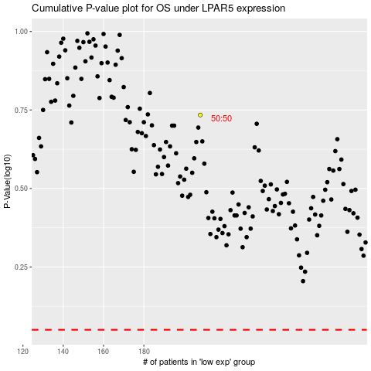

 |  |  |  |  |  | cases_OS | p_OS | rank | exp
 |  |  |  |  |  |  | cases_RFS | p_RFS | rank | exp

