LPAR6 _multivariate
Reported by Tex Li-Hsing Chi. tex@gate.sinica.edu.tw 2019-08-18

Table 2. The clinicopathological features of HNSCC cohort and LPAR6 expression. (Chi square test)
Cutoff at -0.319 (50.0%)
 |  | LPAR6 expression |  | LPAR6 expression |  | (Optimised)
 | Features | Low | (%) | High | (%) | Case no | P-value | Remark | Matthews
Gender | Female | 161 | 38.8 | 145 | 34.9 | 415 | 0.0792 | 0 | 0
2 | Male | 46 | 11.1 | 63 | 15.2
Age at diagnosis | <=65y | 145 | 34.9 | 129 | 31.1 | 415 | 0.1046 | 0 | 0
4 | >65y | 62 | 14.9 | 79 | 19
Clinical T Status | T1+T2 | 79 | 19 | 70 | 16.9 | 415 | 0.3924 | 0 | 0
6 | T3+T4 | 128 | 30.8 | 138 | 33.3
Clinical N Status | N0 | 96 | 23.1 | 120 | 28.9 | 415 | 0.0272 | 1 | 0
8 | N1-3 | 111 | 26.7 | 88 | 21.2
Clinical M Status | M0 | 206 | 49.6 | 206 | 49.6 | 415 | 1 | 0 | 0
10 | M1 | 1 | 0.2 | 2 | 0.5
Clinical Stage | Stage I+II | 53 | 12.8 | 49 | 11.8 | 415 | 0.7113 | 0 | 0
12 | Stage III+IV | 154 | 37.1 | 159 | 38.3
Surgical Margin status | Negative | 160 | 38.6 | 158 | 38.1 | 415 | 0.8167 | 0 | 0
14 | Positive | 47 | 11.3 | 50 | 12
Tobacco Exposure | Low | 68 | 16.4 | 93 | 22.4 | 415 | 0.0156 | 1 | 0
16 | High | 139 | 33.5 | 115 | 27.7

Table 3. Univariate/Multivariate Cox's proportional hazards regression analyses on OS time of LPAR6 gene expression in HNSCC

 |  | Univariate |  |  |  | Multivariate
 | Features | HR | CI95%(L) | CI95%(H) | P-value | HR | CI95%(L) | CI95%(H) | P-value
1 | Female | 1 |  |  |  | 1
Gender | Male | 1.157 | 0.843 | 1.587 | 0.367 | 1.238 | 0.884 | 1.733 | 0.214
11 | <=65y | 1 |  |  |  | 1
Age at diagnosis | >65y | 1.329 | 0.99 | 1.784 | 0.058 | 1.389 | 1.023 | 1.888 | 0.036
12 | T1+T2 | 1 |  |  |  | 1
Clinical T Status | T3+T4 | 1.409 | 1.028 | 1.931 | 0.033 | 2.215 | 1.172 | 4.183 | 0.014
13 | N0 | 1 |  |  |  | 1
Clinical N Status | N1-3 | 1.185 | 0.89 | 1.577 | 0.246 | 1.185 | 0.825 | 1.701 | 0.358
14 | M0 | 1 |  |  |  | 1
Clinical M Status | M1 | 4.097 | 1.009 | 16.644 | 0.049 | 9.915 | 2.159 | 45.541 | 0.003
15 | Stage I+II | 1 |  |  |  | 1
Clinical Stage | Stage III+IV | 1.245 | 0.882 | 1.759 | 0.213 | 0.523 | 0.243 | 1.122 | 0.096
16 | Negative | 1 |  |  |  | 1
Surgical Margin status | Positive | 1.591 | 1.155 | 2.191 | 0.004 | 1.685 | 1.219 | 2.328 | 0.002
17 | Low | 1 |  |  |  | 1
Tobacco Exposure | High | 1.364 | 1.008 | 1.844 | 0.044 | 1.409 | 1.02 | 1.946 | 0.038
18 | Low | 1 |  |  |  | 1
RNAseq(z-score) | High | 0.823 | 0.614 | 1.103 | 0.192 | 0.808 | 0.596 | 1.096 | 0.171

Table 4. Univariate/Multivariate Cox's proportional hazards regression analyses on RFS time of LPAR6 gene expression in HNSCC

 |  | Univariate |  |  |  | Multivariate
 | Features | HR | CI95%(L) | CI95%(H) | P-value | HR | CI95%(L) | CI95%(H) | P-value
1 | Female | 1 |  |  |  | 1
Gender | Male | 1.157 | 0.843 | 1.587 | 0.367 | 1.238 | 0.884 | 1.733 | 0.214
11 | <=65y | 1 |  |  |  | 1
Age at diagnosis | >65y | 1.329 | 0.99 | 1.784 | 0.058 | 1.389 | 1.023 | 1.888 | 0.036
12 | T1+T2 | 1 |  |  |  | 1
Clinical T Status | T3+T4 | 1.409 | 1.028 | 1.931 | 0.033 | 2.215 | 1.172 | 4.183 | 0.014
13 | N0 | 1 |  |  |  | 1
Clinical N Status | N1-3 | 1.185 | 0.89 | 1.577 | 0.246 | 1.185 | 0.825 | 1.701 | 0.358
14 | M0 | 1 |  |  |  | 1
Clinical M Status | M1 | 4.097 | 1.009 | 16.644 | 0.049 | 9.915 | 2.159 | 45.541 | 0.003
15 | Stage I+II | 1 |  |  |  | 1
Clinical Stage | Stage III+IV | 1.245 | 0.882 | 1.759 | 0.213 | 0.523 | 0.243 | 1.122 | 0.096
16 | Negative | 1 |  |  |  | 1
Surgical Margin status | Positive | 1.591 | 1.155 | 2.191 | 0.004 | 1.685 | 1.219 | 2.328 | 0.002
17 | Low | 1 |  |  |  | 1
Tobacco Exposure | High | 1.364 | 1.008 | 1.844 | 0.044 | 1.409 | 1.02 | 1.946 | 0.038
18 | Low | 1 |  |  |  | 1
RNAseq(z-score) | High | 0.823 | 0.614 | 1.103 | 0.192 | 0.808 | 0.596 | 1.096 | 0.171

Kaplan-Meier survival estimate: Cutoff at -0.319 (50.0%)



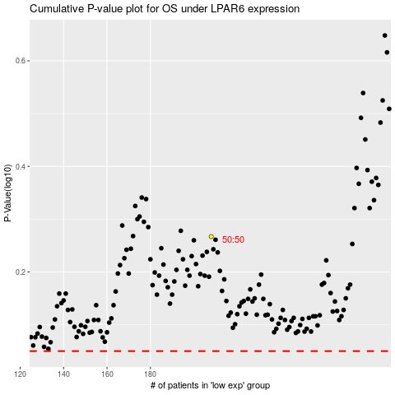

 |  |  |  |  |  | cases_OS | p_OS | rank | exp
 |  |  |  |  |  |  | cases_RFS | p_RFS | rank | exp

