LPCAT2 _multivariate
Reported by Tex Li-Hsing Chi. tex@gate.sinica.edu.tw 2019-08-18

Table 2. The clinicopathological features of HNSCC cohort and LPCAT2 expression. (Chi square test)
Cutoff at -0.121 (50.0%)
 |  | LPCAT2 expression |  | LPCAT2 expression |  | (Optimised)
 | Features | Low | (%) | High | (%) | Case no | P-value | Remark | Matthews
Gender | Female | 158 | 38.1 | 148 | 35.7 | 415 | 0.2774 | 0 | 0
2 | Male | 49 | 11.8 | 60 | 14.5
Age at diagnosis | <=65y | 144 | 34.7 | 130 | 31.3 | 415 | 0.1568 | 0 | 0
4 | >65y | 63 | 15.2 | 78 | 18.8
Clinical T Status | T1+T2 | 70 | 16.9 | 79 | 19 | 415 | 0.4343 | 0 | 0
6 | T3+T4 | 137 | 33 | 129 | 31.1
Clinical N Status | N0 | 105 | 25.3 | 111 | 26.7 | 415 | 0.6598 | 0 | 0
8 | N1-3 | 102 | 24.6 | 97 | 23.4
Clinical M Status | M0 | 205 | 49.4 | 207 | 49.9 | 415 | 0.6232 | 0 | 0
10 | M1 | 2 | 0.5 | 1 | 0.2
Clinical Stage | Stage I+II | 43 | 10.4 | 59 | 14.2 | 415 | 0.0925 | 0 | 0
12 | Stage III+IV | 164 | 39.5 | 149 | 35.9
Surgical Margin status | Negative | 151 | 36.4 | 167 | 40.2 | 415 | 0.0828 | 0 | 0
14 | Positive | 56 | 13.5 | 41 | 9.9
Tobacco Exposure | Low | 74 | 17.8 | 87 | 21 | 415 | 0.227 | 0 | 0
16 | High | 133 | 32 | 121 | 29.2

Table 3. Univariate/Multivariate Cox's proportional hazards regression analyses on OS time of LPCAT2 gene expression in HNSCC

 |  | Univariate |  |  |  | Multivariate
 | Features | HR | CI95%(L) | CI95%(H) | P-value | HR | CI95%(L) | CI95%(H) | P-value
1 | Female | 1 |  |  |  | 1
Gender | Male | 1.157 | 0.843 | 1.587 | 0.367 | 1.191 | 0.852 | 1.665 | 0.306
11 | <=65y | 1 |  |  |  | 1
Age at diagnosis | >65y | 1.329 | 0.99 | 1.784 | 0.058 | 1.412 | 1.038 | 1.922 | 0.028
12 | T1+T2 | 1 |  |  |  | 1
Clinical T Status | T3+T4 | 1.409 | 1.028 | 1.931 | 0.033 | 2.157 | 1.141 | 4.078 | 0.018
13 | N0 | 1 |  |  |  | 1
Clinical N Status | N1-3 | 1.185 | 0.89 | 1.577 | 0.246 | 1.233 | 0.864 | 1.759 | 0.248
14 | M0 | 1 |  |  |  | 1
Clinical M Status | M1 | 4.097 | 1.009 | 16.644 | 0.049 | 9.454 | 2.063 | 43.322 | 0.004
15 | Stage I+II | 1 |  |  |  | 1
Clinical Stage | Stage III+IV | 1.245 | 0.882 | 1.759 | 0.213 | 0.539 | 0.25 | 1.163 | 0.115
16 | Negative | 1 |  |  |  | 1
Surgical Margin status | Positive | 1.591 | 1.155 | 2.191 | 0.004 | 1.685 | 1.22 | 2.327 | 0.002
17 | Low | 1 |  |  |  | 1
Tobacco Exposure | High | 1.364 | 1.008 | 1.844 | 0.044 | 1.452 | 1.053 | 2 | 0.023
18 | Low | 1 |  |  |  | 1
RNAseq(z-score) | High | 1.222 | 0.917 | 1.629 | 0.171 | 1.273 | 0.951 | 1.705 | 0.105

Table 4. Univariate/Multivariate Cox's proportional hazards regression analyses on RFS time of LPCAT2 gene expression in HNSCC

 |  | Univariate |  |  |  | Multivariate
 | Features | HR | CI95%(L) | CI95%(H) | P-value | HR | CI95%(L) | CI95%(H) | P-value
1 | Female | 1 |  |  |  | 1
Gender | Male | 1.157 | 0.843 | 1.587 | 0.367 | 1.191 | 0.852 | 1.665 | 0.306
11 | <=65y | 1 |  |  |  | 1
Age at diagnosis | >65y | 1.329 | 0.99 | 1.784 | 0.058 | 1.412 | 1.038 | 1.922 | 0.028
12 | T1+T2 | 1 |  |  |  | 1
Clinical T Status | T3+T4 | 1.409 | 1.028 | 1.931 | 0.033 | 2.157 | 1.141 | 4.078 | 0.018
13 | N0 | 1 |  |  |  | 1
Clinical N Status | N1-3 | 1.185 | 0.89 | 1.577 | 0.246 | 1.233 | 0.864 | 1.759 | 0.248
14 | M0 | 1 |  |  |  | 1
Clinical M Status | M1 | 4.097 | 1.009 | 16.644 | 0.049 | 9.454 | 2.063 | 43.322 | 0.004
15 | Stage I+II | 1 |  |  |  | 1
Clinical Stage | Stage III+IV | 1.245 | 0.882 | 1.759 | 0.213 | 0.539 | 0.25 | 1.163 | 0.115
16 | Negative | 1 |  |  |  | 1
Surgical Margin status | Positive | 1.591 | 1.155 | 2.191 | 0.004 | 1.685 | 1.22 | 2.327 | 0.002
17 | Low | 1 |  |  |  | 1
Tobacco Exposure | High | 1.364 | 1.008 | 1.844 | 0.044 | 1.452 | 1.053 | 2 | 0.023
18 | Low | 1 |  |  |  | 1
RNAseq(z-score) | High | 1.222 | 0.917 | 1.629 | 0.171 | 1.273 | 0.951 | 1.705 | 0.105

Kaplan-Meier survival estimate: Cutoff at -0.121 (50.0%)



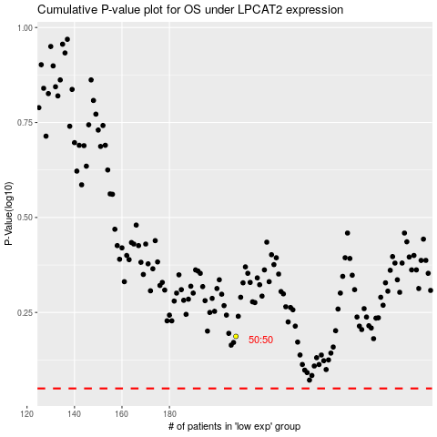

 |  |  |  |  |  | cases_OS | p_OS | rank | exp
 |  |  |  |  |  |  | cases_RFS | p_RFS | rank | exp

