LPCAT3 _multivariate
Reported by Tex Li-Hsing Chi. tex@gate.sinica.edu.tw 2019-08-18

Table 2. The clinicopathological features of HNSCC cohort and LPCAT3 expression. (Chi square test)
Cutoff at -0.257 (49.8%)
 |  | LPCAT3 expression |  | LPCAT3 expression |  | (Optimised)
 | Features | Low | (%) | High | (%) | Case no | P-value | Remark | Matthews
Gender | Female | 158 | 38.1 | 148 | 35.7 | 415 | 0.2774 | 0 | 0
2 | Male | 49 | 11.8 | 60 | 14.5
Age at diagnosis | <=65y | 133 | 32 | 141 | 34 | 415 | 0.5111 | 0 | 0
4 | >65y | 74 | 17.8 | 67 | 16.1
Clinical T Status | T1+T2 | 69 | 16.6 | 80 | 19.3 | 415 | 0.3239 | 0 | 0
6 | T3+T4 | 138 | 33.3 | 128 | 30.8
Clinical N Status | N0 | 106 | 25.5 | 110 | 26.5 | 415 | 0.8075 | 0 | 0
8 | N1-3 | 101 | 24.3 | 98 | 23.6
Clinical M Status | M0 | 206 | 49.6 | 206 | 49.6 | 415 | 1 | 0 | 0
10 | M1 | 1 | 0.2 | 2 | 0.5
Clinical Stage | Stage I+II | 45 | 10.8 | 57 | 13.7 | 415 | 0.2202 | 0 | 0
12 | Stage III+IV | 162 | 39 | 151 | 36.4
Surgical Margin status | Negative | 154 | 37.1 | 164 | 39.5 | 415 | 0.2984 | 0 | 0
14 | Positive | 53 | 12.8 | 44 | 10.6
Tobacco Exposure | Low | 88 | 21.2 | 73 | 17.6 | 415 | 0.1314 | 0 | 0
16 | High | 119 | 28.7 | 135 | 32.5

Table 3. Univariate/Multivariate Cox's proportional hazards regression analyses on OS time of LPCAT3 gene expression in HNSCC

 |  | Univariate |  |  |  | Multivariate
 | Features | HR | CI95%(L) | CI95%(H) | P-value | HR | CI95%(L) | CI95%(H) | P-value
1 | Female | 1 |  |  |  | 1
Gender | Male | 1.157 | 0.843 | 1.587 | 0.367 | 1.202 | 0.86 | 1.679 | 0.281
11 | <=65y | 1 |  |  |  | 1
Age at diagnosis | >65y | 1.329 | 0.99 | 1.784 | 0.058 | 1.393 | 1.025 | 1.894 | 0.034
12 | T1+T2 | 1 |  |  |  | 1
Clinical T Status | T3+T4 | 1.409 | 1.028 | 1.931 | 0.033 | 2.201 | 1.164 | 4.161 | 0.015
13 | N0 | 1 |  |  |  | 1
Clinical N Status | N1-3 | 1.185 | 0.89 | 1.577 | 0.246 | 1.238 | 0.866 | 1.769 | 0.241
14 | M0 | 1 |  |  |  | 1
Clinical M Status | M1 | 4.097 | 1.009 | 16.644 | 0.049 | 9.386 | 2.047 | 43.037 | 0.004
15 | Stage I+II | 1 |  |  |  | 1
Clinical Stage | Stage III+IV | 1.245 | 0.882 | 1.759 | 0.213 | 0.506 | 0.235 | 1.087 | 0.081
16 | Negative | 1 |  |  |  | 1
Surgical Margin status | Positive | 1.591 | 1.155 | 2.191 | 0.004 | 1.675 | 1.211 | 2.318 | 0.002
17 | Low | 1 |  |  |  | 1
Tobacco Exposure | High | 1.364 | 1.008 | 1.844 | 0.044 | 1.45 | 1.051 | 2 | 0.024
18 | Low | 1 |  |  |  | 1
RNAseq(z-score) | High | 1.025 | 0.769 | 1.366 | 0.868 | 1.021 | 0.762 | 1.368 | 0.888

Table 4. Univariate/Multivariate Cox's proportional hazards regression analyses on RFS time of LPCAT3 gene expression in HNSCC

 |  | Univariate |  |  |  | Multivariate
 | Features | HR | CI95%(L) | CI95%(H) | P-value | HR | CI95%(L) | CI95%(H) | P-value
1 | Female | 1 |  |  |  | 1
Gender | Male | 1.157 | 0.843 | 1.587 | 0.367 | 1.202 | 0.86 | 1.679 | 0.281
11 | <=65y | 1 |  |  |  | 1
Age at diagnosis | >65y | 1.329 | 0.99 | 1.784 | 0.058 | 1.393 | 1.025 | 1.894 | 0.034
12 | T1+T2 | 1 |  |  |  | 1
Clinical T Status | T3+T4 | 1.409 | 1.028 | 1.931 | 0.033 | 2.201 | 1.164 | 4.161 | 0.015
13 | N0 | 1 |  |  |  | 1
Clinical N Status | N1-3 | 1.185 | 0.89 | 1.577 | 0.246 | 1.238 | 0.866 | 1.769 | 0.241
14 | M0 | 1 |  |  |  | 1
Clinical M Status | M1 | 4.097 | 1.009 | 16.644 | 0.049 | 9.386 | 2.047 | 43.037 | 0.004
15 | Stage I+II | 1 |  |  |  | 1
Clinical Stage | Stage III+IV | 1.245 | 0.882 | 1.759 | 0.213 | 0.506 | 0.235 | 1.087 | 0.081
16 | Negative | 1 |  |  |  | 1
Surgical Margin status | Positive | 1.591 | 1.155 | 2.191 | 0.004 | 1.675 | 1.211 | 2.318 | 0.002
17 | Low | 1 |  |  |  | 1
Tobacco Exposure | High | 1.364 | 1.008 | 1.844 | 0.044 | 1.45 | 1.051 | 2 | 0.024
18 | Low | 1 |  |  |  | 1
RNAseq(z-score) | High | 1.025 | 0.769 | 1.366 | 0.868 | 1.021 | 0.762 | 1.368 | 0.888

Kaplan-Meier survival estimate: Cutoff at -0.257 (49.8%)

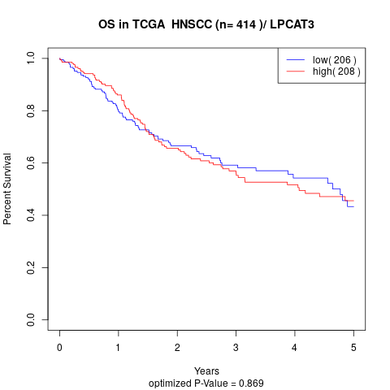

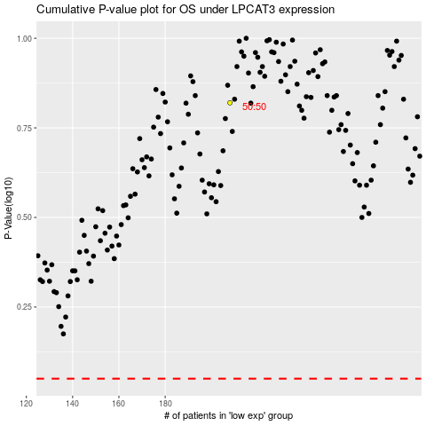

 |  |  |  |  |  | cases_OS | p_OS | rank | exp
 |  |  |  |  |  |  | cases_RFS | p_RFS | rank | exp

