LPHN1 _multivariate
Reported by Tex Li-Hsing Chi. tex@gate.sinica.edu.tw 2019-08-18

Table 2. The clinicopathological features of HNSCC cohort and LPHN1 expression. (Chi square test)
Cutoff at -0.261 (49.8%)
 |  | LPHN1 expression |  | LPHN1 expression |  | (Optimised)
 | Features | Low | (%) | High | (%) | Case no | P-value | Remark | Matthews
Gender | Female | 136 | 32.8 | 170 | 41 | 415 | 3e-04 | 1 | 0
2 | Male | 71 | 17.1 | 38 | 9.2
Age at diagnosis | <=65y | 129 | 31.1 | 145 | 34.9 | 415 | 0.1372 | 0 | 0
4 | >65y | 78 | 18.8 | 63 | 15.2
Clinical T Status | T1+T2 | 90 | 21.7 | 59 | 14.2 | 415 | 0.0019 | 1 | 0
6 | T3+T4 | 117 | 28.2 | 149 | 35.9
Clinical N Status | N0 | 105 | 25.3 | 111 | 26.7 | 415 | 0.6598 | 0 | 0
8 | N1-3 | 102 | 24.6 | 97 | 23.4
Clinical M Status | M0 | 205 | 49.4 | 207 | 49.9 | 415 | 0.6232 | 0 | 0
10 | M1 | 2 | 0.5 | 1 | 0.2
Clinical Stage | Stage I+II | 63 | 15.2 | 39 | 9.4 | 415 | 0.008 | 1 | 0
12 | Stage III+IV | 144 | 34.7 | 169 | 40.7
Surgical Margin status | Negative | 158 | 38.1 | 160 | 38.6 | 415 | 0.9081 | 0 | 0
14 | Positive | 49 | 11.8 | 48 | 11.6
Tobacco Exposure | Low | 103 | 24.8 | 58 | 14 | 415 | 0 | 1 | 0
16 | High | 104 | 25.1 | 150 | 36.1

Table 3. Univariate/Multivariate Cox's proportional hazards regression analyses on OS time of LPHN1 gene expression in HNSCC

 |  | Univariate |  |  |  | Multivariate
 | Features | HR | CI95%(L) | CI95%(H) | P-value | HR | CI95%(L) | CI95%(H) | P-value
1 | Female | 1 |  |  |  | 1
Gender | Male | 1.157 | 0.843 | 1.587 | 0.367 | 1.162 | 0.828 | 1.63 | 0.385
11 | <=65y | 1 |  |  |  | 1
Age at diagnosis | >65y | 1.329 | 0.99 | 1.784 | 0.058 | 1.382 | 1.017 | 1.878 | 0.038
12 | T1+T2 | 1 |  |  |  | 1
Clinical T Status | T3+T4 | 1.409 | 1.028 | 1.931 | 0.033 | 2.255 | 1.19 | 4.27 | 0.013
13 | N0 | 1 |  |  |  | 1
Clinical N Status | N1-3 | 1.185 | 0.89 | 1.577 | 0.246 | 1.221 | 0.855 | 1.744 | 0.271
14 | M0 | 1 |  |  |  | 1
Clinical M Status | M1 | 4.097 | 1.009 | 16.644 | 0.049 | 9.354 | 2.04 | 42.885 | 0.004
15 | Stage I+II | 1 |  |  |  | 1
Clinical Stage | Stage III+IV | 1.245 | 0.882 | 1.759 | 0.213 | 0.515 | 0.24 | 1.107 | 0.089
16 | Negative | 1 |  |  |  | 1
Surgical Margin status | Positive | 1.591 | 1.155 | 2.191 | 0.004 | 1.673 | 1.21 | 2.312 | 0.002
17 | Low | 1 |  |  |  | 1
Tobacco Exposure | High | 1.364 | 1.008 | 1.844 | 0.044 | 1.477 | 1.071 | 2.037 | 0.017
18 | Low | 1 |  |  |  | 1
RNAseq(z-score) | High | 0.912 | 0.684 | 1.215 | 0.528 | 0.847 | 0.625 | 1.147 | 0.283

Table 4. Univariate/Multivariate Cox's proportional hazards regression analyses on RFS time of LPHN1 gene expression in HNSCC

 |  | Univariate |  |  |  | Multivariate
 | Features | HR | CI95%(L) | CI95%(H) | P-value | HR | CI95%(L) | CI95%(H) | P-value
1 | Female | 1 |  |  |  | 1
Gender | Male | 1.157 | 0.843 | 1.587 | 0.367 | 1.162 | 0.828 | 1.63 | 0.385
11 | <=65y | 1 |  |  |  | 1
Age at diagnosis | >65y | 1.329 | 0.99 | 1.784 | 0.058 | 1.382 | 1.017 | 1.878 | 0.038
12 | T1+T2 | 1 |  |  |  | 1
Clinical T Status | T3+T4 | 1.409 | 1.028 | 1.931 | 0.033 | 2.255 | 1.19 | 4.27 | 0.013
13 | N0 | 1 |  |  |  | 1
Clinical N Status | N1-3 | 1.185 | 0.89 | 1.577 | 0.246 | 1.221 | 0.855 | 1.744 | 0.271
14 | M0 | 1 |  |  |  | 1
Clinical M Status | M1 | 4.097 | 1.009 | 16.644 | 0.049 | 9.354 | 2.04 | 42.885 | 0.004
15 | Stage I+II | 1 |  |  |  | 1
Clinical Stage | Stage III+IV | 1.245 | 0.882 | 1.759 | 0.213 | 0.515 | 0.24 | 1.107 | 0.089
16 | Negative | 1 |  |  |  | 1
Surgical Margin status | Positive | 1.591 | 1.155 | 2.191 | 0.004 | 1.673 | 1.21 | 2.312 | 0.002
17 | Low | 1 |  |  |  | 1
Tobacco Exposure | High | 1.364 | 1.008 | 1.844 | 0.044 | 1.477 | 1.071 | 2.037 | 0.017
18 | Low | 1 |  |  |  | 1
RNAseq(z-score) | High | 0.912 | 0.684 | 1.215 | 0.528 | 0.847 | 0.625 | 1.147 | 0.283

Kaplan-Meier survival estimate: Cutoff at -0.261 (49.8%)



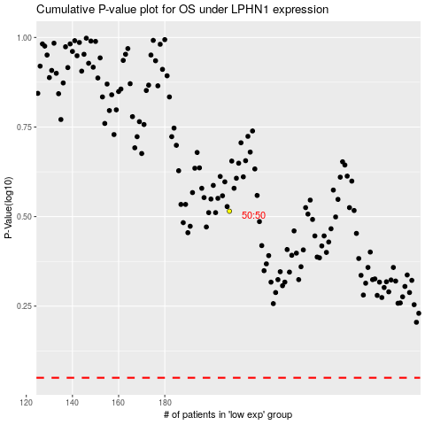

 |  |  |  |  |  | cases_OS | p_OS | rank | exp
 |  |  |  |  |  |  | cases_RFS | p_RFS | rank | exp

