LPHN2 _multivariate
Reported by Tex Li-Hsing Chi. tex@gate.sinica.edu.tw 2019-08-18

Table 2. The clinicopathological features of HNSCC cohort and LPHN2 expression. (Chi square test)
Cutoff at -0.478 (39.9%)
 |  | LPHN2 expression |  | LPHN2 expression |  | (Optimised)
 | Features | Low | (%) | High | (%) | Case no | P-value | Remark | Matthews
Gender | Female | 125 | 30.1 | 181 | 43.6 | 415 | 0.5178 | 0 | 0
2 | Male | 40 | 9.6 | 69 | 16.6
Age at diagnosis | <=65y | 111 | 26.7 | 163 | 39.3 | 415 | 0.7411 | 0 | 0
4 | >65y | 54 | 13 | 87 | 21
Clinical T Status | T1+T2 | 57 | 13.7 | 92 | 22.2 | 415 | 0.7158 | 0 | 0
6 | T3+T4 | 108 | 26 | 158 | 38.1
Clinical N Status | N0 | 75 | 18.1 | 141 | 34 | 415 | 0.0372 | 1 | 0
8 | N1-3 | 90 | 21.7 | 109 | 26.3
Clinical M Status | M0 | 163 | 39.3 | 249 | 60 | 415 | 0.5657 | 0 | 0
10 | M1 | 2 | 0.5 | 1 | 0.2
Clinical Stage | Stage I+II | 37 | 8.9 | 65 | 15.7 | 415 | 0.4768 | 0 | 0
12 | Stage III+IV | 128 | 30.8 | 185 | 44.6
Surgical Margin status | Negative | 122 | 29.4 | 196 | 47.2 | 415 | 0.3431 | 0 | 0
14 | Positive | 43 | 10.4 | 54 | 13
Tobacco Exposure | Low | 59 | 14.2 | 102 | 24.6 | 415 | 0.3543 | 0 | 0
16 | High | 106 | 25.5 | 148 | 35.7

Table 3. Univariate/Multivariate Cox's proportional hazards regression analyses on OS time of LPHN2 gene expression in HNSCC

 |  | Univariate |  |  |  | Multivariate
 | Features | HR | CI95%(L) | CI95%(H) | P-value | HR | CI95%(L) | CI95%(H) | P-value
1 | Female | 1 |  |  |  | 1
Gender | Male | 1.157 | 0.843 | 1.587 | 0.367 | 1.216 | 0.87 | 1.7 | 0.252
11 | <=65y | 1 |  |  |  | 1
Age at diagnosis | >65y | 1.329 | 0.99 | 1.784 | 0.058 | 1.384 | 1.019 | 1.88 | 0.038
12 | T1+T2 | 1 |  |  |  | 1
Clinical T Status | T3+T4 | 1.409 | 1.028 | 1.931 | 0.033 | 2.122 | 1.121 | 4.013 | 0.021
13 | N0 | 1 |  |  |  | 1
Clinical N Status | N1-3 | 1.185 | 0.89 | 1.577 | 0.246 | 1.188 | 0.829 | 1.701 | 0.348
14 | M0 | 1 |  |  |  | 1
Clinical M Status | M1 | 4.097 | 1.009 | 16.644 | 0.049 | 8.81 | 1.919 | 40.453 | 0.005
15 | Stage I+II | 1 |  |  |  | 1
Clinical Stage | Stage III+IV | 1.245 | 0.882 | 1.759 | 0.213 | 0.529 | 0.246 | 1.138 | 0.103
16 | Negative | 1 |  |  |  | 1
Surgical Margin status | Positive | 1.591 | 1.155 | 2.191 | 0.004 | 1.653 | 1.196 | 2.284 | 0.002
17 | Low | 1 |  |  |  | 1
Tobacco Exposure | High | 1.364 | 1.008 | 1.844 | 0.044 | 1.464 | 1.062 | 2.018 | 0.02
18 | Low | 1 |  |  |  | 1
RNAseq(z-score) | High | 0.748 | 0.56 | 0.999 | 0.05 | 0.783 | 0.583 | 1.051 | 0.103

Table 4. Univariate/Multivariate Cox's proportional hazards regression analyses on RFS time of LPHN2 gene expression in HNSCC

 |  | Univariate |  |  |  | Multivariate
 | Features | HR | CI95%(L) | CI95%(H) | P-value | HR | CI95%(L) | CI95%(H) | P-value
1 | Female | 1 |  |  |  | 1
Gender | Male | 1.157 | 0.843 | 1.587 | 0.367 | 1.216 | 0.87 | 1.7 | 0.252
11 | <=65y | 1 |  |  |  | 1
Age at diagnosis | >65y | 1.329 | 0.99 | 1.784 | 0.058 | 1.384 | 1.019 | 1.88 | 0.038
12 | T1+T2 | 1 |  |  |  | 1
Clinical T Status | T3+T4 | 1.409 | 1.028 | 1.931 | 0.033 | 2.122 | 1.121 | 4.013 | 0.021
13 | N0 | 1 |  |  |  | 1
Clinical N Status | N1-3 | 1.185 | 0.89 | 1.577 | 0.246 | 1.188 | 0.829 | 1.701 | 0.348
14 | M0 | 1 |  |  |  | 1
Clinical M Status | M1 | 4.097 | 1.009 | 16.644 | 0.049 | 8.81 | 1.919 | 40.453 | 0.005
15 | Stage I+II | 1 |  |  |  | 1
Clinical Stage | Stage III+IV | 1.245 | 0.882 | 1.759 | 0.213 | 0.529 | 0.246 | 1.138 | 0.103
16 | Negative | 1 |  |  |  | 1
Surgical Margin status | Positive | 1.591 | 1.155 | 2.191 | 0.004 | 1.653 | 1.196 | 2.284 | 0.002
17 | Low | 1 |  |  |  | 1
Tobacco Exposure | High | 1.364 | 1.008 | 1.844 | 0.044 | 1.464 | 1.062 | 2.018 | 0.02
18 | Low | 1 |  |  |  | 1
RNAseq(z-score) | High | 0.748 | 0.56 | 0.999 | 0.05 | 0.783 | 0.583 | 1.051 | 0.103

Kaplan-Meier survival estimate: Cutoff at -0.478 (39.9%)



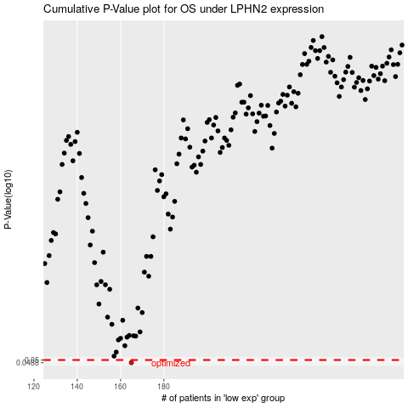

 |  |  |  |  |  | cases_OS | p_OS | rank | exp
 |  |  |  |  |  | 165 | 0.0488 | 73 | -0.47845300515
 |  |  |  |  |  |  | cases_RFS | p_RFS | rank | exp
 |  |  |  |  |  |  | 164 | 0.0488 | 117 | -0.48444420779

