LPHN3 _multivariate
Reported by Tex Li-Hsing Chi. tex@gate.sinica.edu.tw 2019-08-18

Table 2. The clinicopathological features of HNSCC cohort and LPHN3 expression. (Chi square test)
Cutoff at -0.33 (49.8%)
 |  | LPHN3 expression |  | LPHN3 expression |  | (Optimised)
 | Features | Low | (%) | High | (%) | Case no | P-value | Remark | Matthews
Gender | Female | 151 | 36.4 | 155 | 37.3 | 415 | 0.8007 | 0 | 0
2 | Male | 56 | 13.5 | 53 | 12.8
Age at diagnosis | <=65y | 138 | 33.3 | 136 | 32.8 | 415 | 0.8634 | 0 | 0
4 | >65y | 69 | 16.6 | 72 | 17.3
Clinical T Status | T1+T2 | 81 | 19.5 | 68 | 16.4 | 415 | 0.206 | 0 | 0
6 | T3+T4 | 126 | 30.4 | 140 | 33.7
Clinical N Status | N0 | 107 | 25.8 | 109 | 26.3 | 415 | 0.9624 | 0 | 0
8 | N1-3 | 100 | 24.1 | 99 | 23.9
Clinical M Status | M0 | 204 | 49.2 | 208 | 50.1 | 415 | 0.1232 | 0 | 0
10 | M1 | 3 | 0.7 | 0 | 0
Clinical Stage | Stage I+II | 55 | 13.3 | 47 | 11.3 | 415 | 0.4087 | 0 | 0
12 | Stage III+IV | 152 | 36.6 | 161 | 38.8
Surgical Margin status | Negative | 160 | 38.6 | 158 | 38.1 | 415 | 0.8167 | 0 | 0
14 | Positive | 47 | 11.3 | 50 | 12
Tobacco Exposure | Low | 98 | 23.6 | 63 | 15.2 | 415 | 4e-04 | 1 | 0
16 | High | 109 | 26.3 | 145 | 34.9

Table 3. Univariate/Multivariate Cox's proportional hazards regression analyses on OS time of LPHN3 gene expression in HNSCC

 |  | Univariate |  |  |  | Multivariate
 | Features | HR | CI95%(L) | CI95%(H) | P-value | HR | CI95%(L) | CI95%(H) | P-value
1 | Female | 1 |  |  |  | 1
Gender | Male | 1.157 | 0.843 | 1.587 | 0.367 | 1.201 | 0.86 | 1.678 | 0.282
11 | <=65y | 1 |  |  |  | 1
Age at diagnosis | >65y | 1.329 | 0.99 | 1.784 | 0.058 | 1.393 | 1.024 | 1.893 | 0.035
12 | T1+T2 | 1 |  |  |  | 1
Clinical T Status | T3+T4 | 1.409 | 1.028 | 1.931 | 0.033 | 2.203 | 1.165 | 4.166 | 0.015
13 | N0 | 1 |  |  |  | 1
Clinical N Status | N1-3 | 1.185 | 0.89 | 1.577 | 0.246 | 1.244 | 0.871 | 1.777 | 0.23
14 | M0 | 1 |  |  |  | 1
Clinical M Status | M1 | 4.097 | 1.009 | 16.644 | 0.049 | 9.541 | 2.064 | 44.093 | 0.004
15 | Stage I+II | 1 |  |  |  | 1
Clinical Stage | Stage III+IV | 1.245 | 0.882 | 1.759 | 0.213 | 0.502 | 0.233 | 1.08 | 0.078
16 | Negative | 1 |  |  |  | 1
Surgical Margin status | Positive | 1.591 | 1.155 | 2.191 | 0.004 | 1.672 | 1.21 | 2.31 | 0.002
17 | Low | 1 |  |  |  | 1
Tobacco Exposure | High | 1.364 | 1.008 | 1.844 | 0.044 | 1.445 | 1.042 | 2.003 | 0.027
18 | Low | 1 |  |  |  | 1
RNAseq(z-score) | High | 1.087 | 0.816 | 1.449 | 0.569 | 1.027 | 0.761 | 1.387 | 0.86

Table 4. Univariate/Multivariate Cox's proportional hazards regression analyses on RFS time of LPHN3 gene expression in HNSCC

 |  | Univariate |  |  |  | Multivariate
 | Features | HR | CI95%(L) | CI95%(H) | P-value | HR | CI95%(L) | CI95%(H) | P-value
1 | Female | 1 |  |  |  | 1
Gender | Male | 1.157 | 0.843 | 1.587 | 0.367 | 1.201 | 0.86 | 1.678 | 0.282
11 | <=65y | 1 |  |  |  | 1
Age at diagnosis | >65y | 1.329 | 0.99 | 1.784 | 0.058 | 1.393 | 1.024 | 1.893 | 0.035
12 | T1+T2 | 1 |  |  |  | 1
Clinical T Status | T3+T4 | 1.409 | 1.028 | 1.931 | 0.033 | 2.203 | 1.165 | 4.166 | 0.015
13 | N0 | 1 |  |  |  | 1
Clinical N Status | N1-3 | 1.185 | 0.89 | 1.577 | 0.246 | 1.244 | 0.871 | 1.777 | 0.23
14 | M0 | 1 |  |  |  | 1
Clinical M Status | M1 | 4.097 | 1.009 | 16.644 | 0.049 | 9.541 | 2.064 | 44.093 | 0.004
15 | Stage I+II | 1 |  |  |  | 1
Clinical Stage | Stage III+IV | 1.245 | 0.882 | 1.759 | 0.213 | 0.502 | 0.233 | 1.08 | 0.078
16 | Negative | 1 |  |  |  | 1
Surgical Margin status | Positive | 1.591 | 1.155 | 2.191 | 0.004 | 1.672 | 1.21 | 2.31 | 0.002
17 | Low | 1 |  |  |  | 1
Tobacco Exposure | High | 1.364 | 1.008 | 1.844 | 0.044 | 1.445 | 1.042 | 2.003 | 0.027
18 | Low | 1 |  |  |  | 1
RNAseq(z-score) | High | 1.087 | 0.816 | 1.449 | 0.569 | 1.027 | 0.761 | 1.387 | 0.86

Kaplan-Meier survival estimate: Cutoff at -0.33 (49.8%)



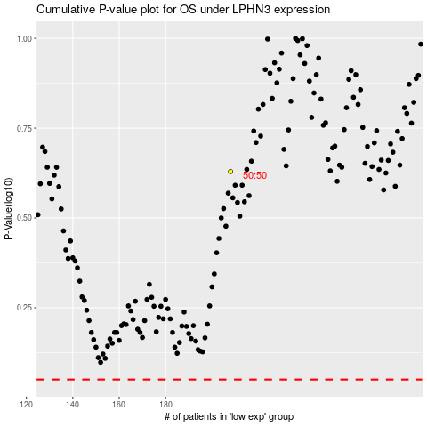

 |  |  |  |  |  | cases_OS | p_OS | rank | exp
 |  |  |  |  |  |  | cases_RFS | p_RFS | rank | exp

