LPIN1 _multivariate
Reported by Tex Li-Hsing Chi. tex@gate.sinica.edu.tw 2019-08-18

Table 2. The clinicopathological features of HNSCC cohort and LPIN1 expression. (Chi square test)
Cutoff at -0.137 (63.5%)
 |  | LPIN1 expression |  | LPIN1 expression |  | (Optimised)
 | Features | Low | (%) | High | (%) | Case no | P-value | Remark | Matthews
Gender | Female | 195 | 47 | 111 | 26.7 | 415 | 1 | 0 | 0
2 | Male | 69 | 16.6 | 40 | 9.6
Age at diagnosis | <=65y | 173 | 41.7 | 101 | 24.3 | 415 | 0.8626 | 0 | 0
4 | >65y | 91 | 21.9 | 50 | 12
Clinical T Status | T1+T2 | 97 | 23.4 | 52 | 12.5 | 415 | 0.7154 | 0 | 0
6 | T3+T4 | 167 | 40.2 | 99 | 23.9
Clinical N Status | N0 | 148 | 35.7 | 68 | 16.4 | 415 | 0.0393 | 1 | 0
8 | N1-3 | 116 | 28 | 83 | 20
Clinical M Status | M0 | 261 | 62.9 | 151 | 36.4 | 415 | 0.5567 | 0 | 0
10 | M1 | 3 | 0.7 | 0 | 0
Clinical Stage | Stage I+II | 75 | 18.1 | 27 | 6.5 | 415 | 0.0227 | 1 | 0
12 | Stage III+IV | 189 | 45.5 | 124 | 29.9
Surgical Margin status | Negative | 201 | 48.4 | 117 | 28.2 | 415 | 0.81 | 0 | 0
14 | Positive | 63 | 15.2 | 34 | 8.2
Tobacco Exposure | Low | 110 | 26.5 | 51 | 12.3 | 415 | 0.1176 | 0 | 0
16 | High | 154 | 37.1 | 100 | 24.1

Table 3. Univariate/Multivariate Cox's proportional hazards regression analyses on OS time of LPIN1 gene expression in HNSCC

 |  | Univariate |  |  |  | Multivariate
 | Features | HR | CI95%(L) | CI95%(H) | P-value | HR | CI95%(L) | CI95%(H) | P-value
1 | Female | 1 |  |  |  | 1
Gender | Male | 1.157 | 0.843 | 1.587 | 0.367 | 1.193 | 0.853 | 1.669 | 0.303
11 | <=65y | 1 |  |  |  | 1
Age at diagnosis | >65y | 1.329 | 0.99 | 1.784 | 0.058 | 1.417 | 1.042 | 1.927 | 0.026
12 | T1+T2 | 1 |  |  |  | 1
Clinical T Status | T3+T4 | 1.409 | 1.028 | 1.931 | 0.033 | 2.078 | 1.096 | 3.94 | 0.025
13 | N0 | 1 |  |  |  | 1
Clinical N Status | N1-3 | 1.185 | 0.89 | 1.577 | 0.246 | 1.238 | 0.868 | 1.767 | 0.238
14 | M0 | 1 |  |  |  | 1
Clinical M Status | M1 | 4.097 | 1.009 | 16.644 | 0.049 | 8.036 | 1.739 | 37.132 | 0.008
15 | Stage I+II | 1 |  |  |  | 1
Clinical Stage | Stage III+IV | 1.245 | 0.882 | 1.759 | 0.213 | 0.55 | 0.255 | 1.186 | 0.127
16 | Negative | 1 |  |  |  | 1
Surgical Margin status | Positive | 1.591 | 1.155 | 2.191 | 0.004 | 1.636 | 1.183 | 2.261 | 0.003
17 | Low | 1 |  |  |  | 1
Tobacco Exposure | High | 1.364 | 1.008 | 1.844 | 0.044 | 1.464 | 1.062 | 2.018 | 0.02
18 | Low | 1 |  |  |  | 1
RNAseq(z-score) | High | 0.724 | 0.532 | 0.985 | 0.04 | 0.748 | 0.547 | 1.024 | 0.07

Table 4. Univariate/Multivariate Cox's proportional hazards regression analyses on RFS time of LPIN1 gene expression in HNSCC

 |  | Univariate |  |  |  | Multivariate
 | Features | HR | CI95%(L) | CI95%(H) | P-value | HR | CI95%(L) | CI95%(H) | P-value
1 | Female | 1 |  |  |  | 1
Gender | Male | 1.157 | 0.843 | 1.587 | 0.367 | 1.193 | 0.853 | 1.669 | 0.303
11 | <=65y | 1 |  |  |  | 1
Age at diagnosis | >65y | 1.329 | 0.99 | 1.784 | 0.058 | 1.417 | 1.042 | 1.927 | 0.026
12 | T1+T2 | 1 |  |  |  | 1
Clinical T Status | T3+T4 | 1.409 | 1.028 | 1.931 | 0.033 | 2.078 | 1.096 | 3.94 | 0.025
13 | N0 | 1 |  |  |  | 1
Clinical N Status | N1-3 | 1.185 | 0.89 | 1.577 | 0.246 | 1.238 | 0.868 | 1.767 | 0.238
14 | M0 | 1 |  |  |  | 1
Clinical M Status | M1 | 4.097 | 1.009 | 16.644 | 0.049 | 8.036 | 1.739 | 37.132 | 0.008
15 | Stage I+II | 1 |  |  |  | 1
Clinical Stage | Stage III+IV | 1.245 | 0.882 | 1.759 | 0.213 | 0.55 | 0.255 | 1.186 | 0.127
16 | Negative | 1 |  |  |  | 1
Surgical Margin status | Positive | 1.591 | 1.155 | 2.191 | 0.004 | 1.636 | 1.183 | 2.261 | 0.003
17 | Low | 1 |  |  |  | 1
Tobacco Exposure | High | 1.364 | 1.008 | 1.844 | 0.044 | 1.464 | 1.062 | 2.018 | 0.02
18 | Low | 1 |  |  |  | 1
RNAseq(z-score) | High | 0.724 | 0.532 | 0.985 | 0.04 | 0.748 | 0.547 | 1.024 | 0.07

Kaplan-Meier survival estimate: Cutoff at -0.137 (63.5%)



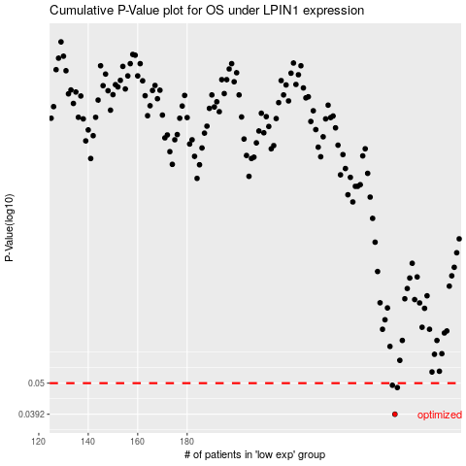

 |  |  |  |  |  | cases_OS | p_OS | rank | exp
 |  |  |  |  |  | 264 | 0.0392 | 129 | -0.13681992962
 |  |  |  |  |  | 265 | 0.0483 | 151 | -0.13652848087
 |  |  |  |  |  | 263 | 0.0492 | 200 | -0.15209786916
 |  |  |  |  |  |  | cases_RFS | p_RFS | rank | exp
 |  |  |  |  |  |  | 263 | 0.0392 | 200 | -0.15209786916
 |  |  |  |  |  |  | 264 | 0.0483 | 129 | -0.13681992962
 |  |  |  |  |  |  | 262 | 0.0492 | 70 | -0.16479613225

