LPIN3 _multivariate
Reported by Tex Li-Hsing Chi. tex@gate.sinica.edu.tw 2019-08-18

Table 2. The clinicopathological features of HNSCC cohort and LPIN3 expression. (Chi square test)
Cutoff at -0.347 (44.7%)
 |  | LPIN3 expression |  | LPIN3 expression |  | (Optimised)
 | Features | Low | (%) | High | (%) | Case no | P-value | Remark | Matthews
Gender | Female | 138 | 33.3 | 168 | 40.5 | 415 | 0.9369 | 0 | 0
2 | Male | 48 | 11.6 | 61 | 14.7
Age at diagnosis | <=65y | 119 | 28.7 | 155 | 37.3 | 415 | 0.491 | 0 | 0
4 | >65y | 67 | 16.1 | 74 | 17.8
Clinical T Status | T1+T2 | 64 | 15.4 | 85 | 20.5 | 415 | 0.6389 | 0 | 0
6 | T3+T4 | 122 | 29.4 | 144 | 34.7
Clinical N Status | N0 | 87 | 21 | 129 | 31.1 | 415 | 0.0659 | 0 | 0
8 | N1-3 | 99 | 23.9 | 100 | 24.1
Clinical M Status | M0 | 186 | 44.8 | 226 | 54.5 | 415 | 0.2563 | 0 | 0
10 | M1 | 0 | 0 | 3 | 0.7
Clinical Stage | Stage I+II | 45 | 10.8 | 57 | 13.7 | 415 | 0.9606 | 0 | 0
12 | Stage III+IV | 141 | 34 | 172 | 41.4
Surgical Margin status | Negative | 143 | 34.5 | 175 | 42.2 | 415 | 1 | 0 | 0
14 | Positive | 43 | 10.4 | 54 | 13
Tobacco Exposure | Low | 68 | 16.4 | 93 | 22.4 | 415 | 0.419 | 0 | 0
16 | High | 118 | 28.4 | 136 | 32.8

Table 3. Univariate/Multivariate Cox's proportional hazards regression analyses on OS time of LPIN3 gene expression in HNSCC

 |  | Univariate |  |  |  | Multivariate
 | Features | HR | CI95%(L) | CI95%(H) | P-value | HR | CI95%(L) | CI95%(H) | P-value
1 | Female | 1 |  |  |  | 1
Gender | Male | 1.157 | 0.843 | 1.587 | 0.367 | 1.208 | 0.864 | 1.687 | 0.269
11 | <=65y | 1 |  |  |  | 1
Age at diagnosis | >65y | 1.329 | 0.99 | 1.784 | 0.058 | 1.362 | 1 | 1.854 | 0.05
12 | T1+T2 | 1 |  |  |  | 1
Clinical T Status | T3+T4 | 1.409 | 1.028 | 1.931 | 0.033 | 2.148 | 1.136 | 4.062 | 0.019
13 | N0 | 1 |  |  |  | 1
Clinical N Status | N1-3 | 1.185 | 0.89 | 1.577 | 0.246 | 1.161 | 0.809 | 1.666 | 0.418
14 | M0 | 1 |  |  |  | 1
Clinical M Status | M1 | 4.097 | 1.009 | 16.644 | 0.049 | 10.931 | 2.364 | 50.532 | 0.002
15 | Stage I+II | 1 |  |  |  | 1
Clinical Stage | Stage III+IV | 1.245 | 0.882 | 1.759 | 0.213 | 0.534 | 0.248 | 1.148 | 0.108
16 | Negative | 1 |  |  |  | 1
Surgical Margin status | Positive | 1.591 | 1.155 | 2.191 | 0.004 | 1.708 | 1.235 | 2.36 | 0.001
17 | Low | 1 |  |  |  | 1
Tobacco Exposure | High | 1.364 | 1.008 | 1.844 | 0.044 | 1.481 | 1.073 | 2.045 | 0.017
18 | Low | 1 |  |  |  | 1
RNAseq(z-score) | High | 0.745 | 0.56 | 0.993 | 0.044 | 0.742 | 0.553 | 0.996 | 0.047

Table 4. Univariate/Multivariate Cox's proportional hazards regression analyses on RFS time of LPIN3 gene expression in HNSCC

 |  | Univariate |  |  |  | Multivariate
 | Features | HR | CI95%(L) | CI95%(H) | P-value | HR | CI95%(L) | CI95%(H) | P-value
1 | Female | 1 |  |  |  | 1
Gender | Male | 1.157 | 0.843 | 1.587 | 0.367 | 1.208 | 0.864 | 1.687 | 0.269
11 | <=65y | 1 |  |  |  | 1
Age at diagnosis | >65y | 1.329 | 0.99 | 1.784 | 0.058 | 1.362 | 1 | 1.854 | 0.05
12 | T1+T2 | 1 |  |  |  | 1
Clinical T Status | T3+T4 | 1.409 | 1.028 | 1.931 | 0.033 | 2.148 | 1.136 | 4.062 | 0.019
13 | N0 | 1 |  |  |  | 1
Clinical N Status | N1-3 | 1.185 | 0.89 | 1.577 | 0.246 | 1.161 | 0.809 | 1.666 | 0.418
14 | M0 | 1 |  |  |  | 1
Clinical M Status | M1 | 4.097 | 1.009 | 16.644 | 0.049 | 10.931 | 2.364 | 50.532 | 0.002
15 | Stage I+II | 1 |  |  |  | 1
Clinical Stage | Stage III+IV | 1.245 | 0.882 | 1.759 | 0.213 | 0.534 | 0.248 | 1.148 | 0.108
16 | Negative | 1 |  |  |  | 1
Surgical Margin status | Positive | 1.591 | 1.155 | 2.191 | 0.004 | 1.708 | 1.235 | 2.36 | 0.001
17 | Low | 1 |  |  |  | 1
Tobacco Exposure | High | 1.364 | 1.008 | 1.844 | 0.044 | 1.481 | 1.073 | 2.045 | 0.017
18 | Low | 1 |  |  |  | 1
RNAseq(z-score) | High | 0.745 | 0.56 | 0.993 | 0.044 | 0.742 | 0.553 | 0.996 | 0.047

Kaplan-Meier survival estimate: Cutoff at -0.347 (44.7%)



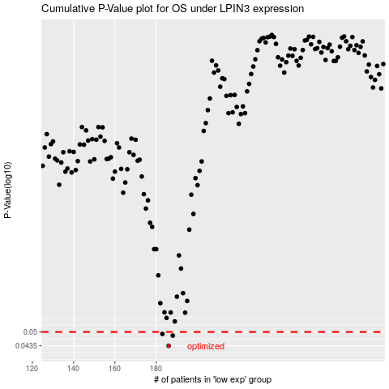

 |  |  |  |  |  | cases_OS | p_OS | rank | exp
 |  |  |  |  |  | 186 | 0.0435 | 63 | -0.34705688503
 |  |  |  |  |  | 188 | 0.0482 | 341 | -0.33357298171
 |  |  |  |  |  | 183 | 0.049 | 121 | -0.3598103822
 |  |  |  |  |  |  | cases_RFS | p_RFS | rank | exp
 |  |  |  |  |  |  | 185 | 0.0435 | 88 | -0.35582437672
 |  |  |  |  |  |  | 187 | 0.0482 | 237 | -0.34042189505
 |  |  |  |  |  |  | 182 | 0.049 | 287 | -0.36213324578

