LRAT _multivariate
Reported by Tex Li-Hsing Chi. tex@gate.sinica.edu.tw 2019-08-18

Table 2. The clinicopathological features of HNSCC cohort and LRAT expression. (Chi square test)
Cutoff at -0.342 (49.8%)
 |  | LRAT expression |  | LRAT expression |  | (Optimised)
 | Features | Low | (%) | High | (%) | Case no | P-value | Remark | Matthews
Gender | Female | 152 | 36.6 | 154 | 37.1 | 415 | 0.9766 | 0 | 0
2 | Male | 55 | 13.3 | 54 | 13
Age at diagnosis | <=65y | 126 | 30.4 | 148 | 35.7 | 415 | 0.035 | 1 | 0
4 | >65y | 81 | 19.5 | 60 | 14.5
Clinical T Status | T1+T2 | 70 | 16.9 | 79 | 19 | 415 | 0.4343 | 0 | 0
6 | T3+T4 | 137 | 33 | 129 | 31.1
Clinical N Status | N0 | 117 | 28.2 | 99 | 23.9 | 415 | 0.0852 | 1 | 0
8 | N1-3 | 90 | 21.7 | 109 | 26.3
Clinical M Status | M0 | 206 | 49.6 | 206 | 49.6 | 415 | 1 | 0 | 0
10 | M1 | 1 | 0.2 | 2 | 0.5
Clinical Stage | Stage I+II | 52 | 12.5 | 50 | 12 | 415 | 0.8871 | 0 | 0
12 | Stage III+IV | 155 | 37.3 | 158 | 38.1
Surgical Margin status | Negative | 157 | 37.8 | 161 | 38.8 | 415 | 0.729 | 0 | 0
14 | Positive | 50 | 12 | 47 | 11.3
Tobacco Exposure | Low | 102 | 24.6 | 59 | 14.2 | 415 | 0 | 1 | 0
16 | High | 105 | 25.3 | 149 | 35.9

Table 3. Univariate/Multivariate Cox's proportional hazards regression analyses on OS time of LRAT gene expression in HNSCC

 |  | Univariate |  |  |  | Multivariate
 | Features | HR | CI95%(L) | CI95%(H) | P-value | HR | CI95%(L) | CI95%(H) | P-value
1 | Female | 1 |  |  |  | 1
Gender | Male | 1.157 | 0.843 | 1.587 | 0.367 | 1.194 | 0.853 | 1.67 | 0.301
11 | <=65y | 1 |  |  |  | 1
Age at diagnosis | >65y | 1.329 | 0.99 | 1.784 | 0.058 | 1.398 | 1.027 | 1.901 | 0.033
12 | T1+T2 | 1 |  |  |  | 1
Clinical T Status | T3+T4 | 1.409 | 1.028 | 1.931 | 0.033 | 2.232 | 1.177 | 4.234 | 0.014
13 | N0 | 1 |  |  |  | 1
Clinical N Status | N1-3 | 1.185 | 0.89 | 1.577 | 0.246 | 1.234 | 0.864 | 1.762 | 0.249
14 | M0 | 1 |  |  |  | 1
Clinical M Status | M1 | 4.097 | 1.009 | 16.644 | 0.049 | 9.486 | 2.068 | 43.507 | 0.004
15 | Stage I+II | 1 |  |  |  | 1
Clinical Stage | Stage III+IV | 1.245 | 0.882 | 1.759 | 0.213 | 0.499 | 0.232 | 1.073 | 0.075
16 | Negative | 1 |  |  |  | 1
Surgical Margin status | Positive | 1.591 | 1.155 | 2.191 | 0.004 | 1.681 | 1.215 | 2.325 | 0.002
17 | Low | 1 |  |  |  | 1
Tobacco Exposure | High | 1.364 | 1.008 | 1.844 | 0.044 | 1.438 | 1.039 | 1.989 | 0.028
18 | Low | 1 |  |  |  | 1
RNAseq(z-score) | High | 1.06 | 0.796 | 1.412 | 0.689 | 1.063 | 0.791 | 1.43 | 0.684

Table 4. Univariate/Multivariate Cox's proportional hazards regression analyses on RFS time of LRAT gene expression in HNSCC

 |  | Univariate |  |  |  | Multivariate
 | Features | HR | CI95%(L) | CI95%(H) | P-value | HR | CI95%(L) | CI95%(H) | P-value
1 | Female | 1 |  |  |  | 1
Gender | Male | 1.157 | 0.843 | 1.587 | 0.367 | 1.194 | 0.853 | 1.67 | 0.301
11 | <=65y | 1 |  |  |  | 1
Age at diagnosis | >65y | 1.329 | 0.99 | 1.784 | 0.058 | 1.398 | 1.027 | 1.901 | 0.033
12 | T1+T2 | 1 |  |  |  | 1
Clinical T Status | T3+T4 | 1.409 | 1.028 | 1.931 | 0.033 | 2.232 | 1.177 | 4.234 | 0.014
13 | N0 | 1 |  |  |  | 1
Clinical N Status | N1-3 | 1.185 | 0.89 | 1.577 | 0.246 | 1.234 | 0.864 | 1.762 | 0.249
14 | M0 | 1 |  |  |  | 1
Clinical M Status | M1 | 4.097 | 1.009 | 16.644 | 0.049 | 9.486 | 2.068 | 43.507 | 0.004
15 | Stage I+II | 1 |  |  |  | 1
Clinical Stage | Stage III+IV | 1.245 | 0.882 | 1.759 | 0.213 | 0.499 | 0.232 | 1.073 | 0.075
16 | Negative | 1 |  |  |  | 1
Surgical Margin status | Positive | 1.591 | 1.155 | 2.191 | 0.004 | 1.681 | 1.215 | 2.325 | 0.002
17 | Low | 1 |  |  |  | 1
Tobacco Exposure | High | 1.364 | 1.008 | 1.844 | 0.044 | 1.438 | 1.039 | 1.989 | 0.028
18 | Low | 1 |  |  |  | 1
RNAseq(z-score) | High | 1.06 | 0.796 | 1.412 | 0.689 | 1.063 | 0.791 | 1.43 | 0.684

Kaplan-Meier survival estimate: Cutoff at -0.342 (49.8%)



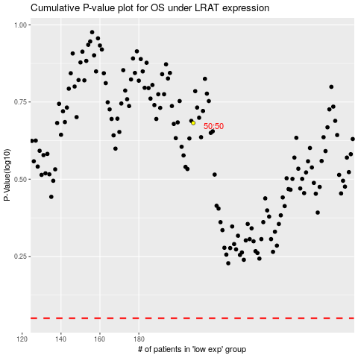

 |  |  |  |  |  | cases_OS | p_OS | rank | exp
 |  |  |  |  |  |  | cases_RFS | p_RFS | rank | exp

