LRFN4 _multivariate
Reported by Tex Li-Hsing Chi. tex@gate.sinica.edu.tw 2019-08-18

Table 2. The clinicopathological features of HNSCC cohort and LRFN4 expression. (Chi square test)
Cutoff at -0.394 (31.4%)
 |  | LRFN4 expression |  | LRFN4 expression |  | (Optimised)
 | Features | Low | (%) | High | (%) | Case no | P-value | Remark | Matthews
Gender | Female | 99 | 23.9 | 207 | 49.9 | 415 | 0.6471 | 0 | 0
2 | Male | 32 | 7.7 | 77 | 18.6
Age at diagnosis | <=65y | 85 | 20.5 | 189 | 45.5 | 415 | 0.825 | 0 | 0
4 | >65y | 46 | 11.1 | 95 | 22.9
Clinical T Status | T1+T2 | 53 | 12.8 | 96 | 23.1 | 415 | 0.2288 | 0 | 0
6 | T3+T4 | 78 | 18.8 | 188 | 45.3
Clinical N Status | N0 | 65 | 15.7 | 151 | 36.4 | 415 | 0.5706 | 0 | 0
8 | N1-3 | 66 | 15.9 | 133 | 32
Clinical M Status | M0 | 130 | 31.3 | 282 | 68 | 415 | 1 | 0 | 0
10 | M1 | 1 | 0.2 | 2 | 0.5
Clinical Stage | Stage I+II | 32 | 7.7 | 70 | 16.9 | 415 | 1 | 0 | 0
12 | Stage III+IV | 99 | 23.9 | 214 | 51.6
Surgical Margin status | Negative | 96 | 23.1 | 222 | 53.5 | 415 | 0.3181 | 0 | 0
14 | Positive | 35 | 8.4 | 62 | 14.9
Tobacco Exposure | Low | 62 | 14.9 | 99 | 23.9 | 415 | 0.0173 | 1 | 0
16 | High | 69 | 16.6 | 185 | 44.6

Table 3. Univariate/Multivariate Cox's proportional hazards regression analyses on OS time of LRFN4 gene expression in HNSCC

 |  | Univariate |  |  |  | Multivariate
 | Features | HR | CI95%(L) | CI95%(H) | P-value | HR | CI95%(L) | CI95%(H) | P-value
1 | Female | 1 |  |  |  | 1
Gender | Male | 1.157 | 0.843 | 1.587 | 0.367 | 1.182 | 0.843 | 1.657 | 0.331
11 | <=65y | 1 |  |  |  | 1
Age at diagnosis | >65y | 1.329 | 0.99 | 1.784 | 0.058 | 1.423 | 1.046 | 1.937 | 0.025
12 | T1+T2 | 1 |  |  |  | 1
Clinical T Status | T3+T4 | 1.409 | 1.028 | 1.931 | 0.033 | 2.106 | 1.113 | 3.986 | 0.022
13 | N0 | 1 |  |  |  | 1
Clinical N Status | N1-3 | 1.185 | 0.89 | 1.577 | 0.246 | 1.249 | 0.874 | 1.783 | 0.222
14 | M0 | 1 |  |  |  | 1
Clinical M Status | M1 | 4.097 | 1.009 | 16.644 | 0.049 | 9.11 | 1.986 | 41.787 | 0.004
15 | Stage I+II | 1 |  |  |  | 1
Clinical Stage | Stage III+IV | 1.245 | 0.882 | 1.759 | 0.213 | 0.525 | 0.245 | 1.129 | 0.099
16 | Negative | 1 |  |  |  | 1
Surgical Margin status | Positive | 1.591 | 1.155 | 2.191 | 0.004 | 1.653 | 1.197 | 2.282 | 0.002
17 | Low | 1 |  |  |  | 1
Tobacco Exposure | High | 1.364 | 1.008 | 1.844 | 0.044 | 1.411 | 1.021 | 1.951 | 0.037
18 | Low | 1 |  |  |  | 1
RNAseq(z-score) | High | 1.4 | 1.015 | 1.93 | 0.04 | 1.318 | 0.952 | 1.825 | 0.096

Table 4. Univariate/Multivariate Cox's proportional hazards regression analyses on RFS time of LRFN4 gene expression in HNSCC

 |  | Univariate |  |  |  | Multivariate
 | Features | HR | CI95%(L) | CI95%(H) | P-value | HR | CI95%(L) | CI95%(H) | P-value
1 | Female | 1 |  |  |  | 1
Gender | Male | 1.157 | 0.843 | 1.587 | 0.367 | 1.182 | 0.843 | 1.657 | 0.331
11 | <=65y | 1 |  |  |  | 1
Age at diagnosis | >65y | 1.329 | 0.99 | 1.784 | 0.058 | 1.423 | 1.046 | 1.937 | 0.025
12 | T1+T2 | 1 |  |  |  | 1
Clinical T Status | T3+T4 | 1.409 | 1.028 | 1.931 | 0.033 | 2.106 | 1.113 | 3.986 | 0.022
13 | N0 | 1 |  |  |  | 1
Clinical N Status | N1-3 | 1.185 | 0.89 | 1.577 | 0.246 | 1.249 | 0.874 | 1.783 | 0.222
14 | M0 | 1 |  |  |  | 1
Clinical M Status | M1 | 4.097 | 1.009 | 16.644 | 0.049 | 9.11 | 1.986 | 41.787 | 0.004
15 | Stage I+II | 1 |  |  |  | 1
Clinical Stage | Stage III+IV | 1.245 | 0.882 | 1.759 | 0.213 | 0.525 | 0.245 | 1.129 | 0.099
16 | Negative | 1 |  |  |  | 1
Surgical Margin status | Positive | 1.591 | 1.155 | 2.191 | 0.004 | 1.653 | 1.197 | 2.282 | 0.002
17 | Low | 1 |  |  |  | 1
Tobacco Exposure | High | 1.364 | 1.008 | 1.844 | 0.044 | 1.411 | 1.021 | 1.951 | 0.037
18 | Low | 1 |  |  |  | 1
RNAseq(z-score) | High | 1.4 | 1.015 | 1.93 | 0.04 | 1.318 | 0.952 | 1.825 | 0.096

Kaplan-Meier survival estimate: Cutoff at -0.394 (31.4%)



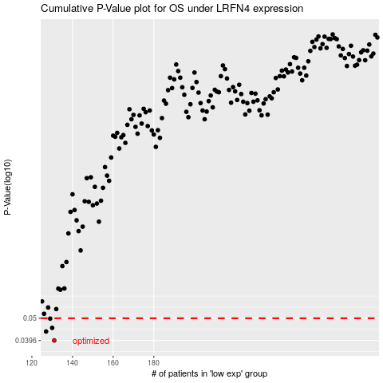

 |  |  |  |  |  | cases_OS | p_OS | rank | exp
 |  |  |  |  |  | 131 | 0.0396 | 191 | -0.39404877663
 |  |  |  |  |  | 127 | 0.0435 | 86 | -0.41645259301
 |  |  |  |  |  | 130 | 0.0452 | 16 | -0.40009445715
 |  |  |  |  |  | 129 | 0.0498 | 147 | -0.40219306522
 |  |  |  |  |  |  | cases_RFS | p_RFS | rank | exp
 |  |  |  |  |  |  | 130 | 0.0396 | 16 | -0.40009445715
 |  |  |  |  |  |  | 126 | 0.0435 | 350 | -0.4203899196
 |  |  |  |  |  |  | 129 | 0.0452 | 147 | -0.40219306522
 |  |  |  |  |  |  | 128 | 0.0498 | 299 | -0.40374342101

