LRIG1 _multivariate
Reported by Tex Li-Hsing Chi. tex@gate.sinica.edu.tw 2019-08-18

Table 2. The clinicopathological features of HNSCC cohort and LRIG1 expression. (Chi square test)
Cutoff at -0.39 (50.0%)
 |  | LRIG1 expression |  | LRIG1 expression |  | (Optimised)
 | Features | Low | (%) | High | (%) | Case no | P-value | Remark | Matthews
Gender | Female | 147 | 35.4 | 159 | 38.3 | 415 | 0.2523 | 0 | 0
2 | Male | 60 | 14.5 | 49 | 11.8
Age at diagnosis | <=65y | 134 | 32.3 | 140 | 33.7 | 415 | 0.6529 | 0 | 0
4 | >65y | 73 | 17.6 | 68 | 16.4
Clinical T Status | T1+T2 | 63 | 15.2 | 86 | 20.7 | 415 | 0.0268 | 1 | 0
6 | T3+T4 | 144 | 34.7 | 122 | 29.4
Clinical N Status | N0 | 108 | 26 | 108 | 26 | 415 | 1 | 0 | 0
8 | N1-3 | 99 | 23.9 | 100 | 24.1
Clinical M Status | M0 | 204 | 49.2 | 208 | 50.1 | 415 | 0.1232 | 0 | 0
10 | M1 | 3 | 0.7 | 0 | 0
Clinical Stage | Stage I+II | 46 | 11.1 | 56 | 13.5 | 415 | 0.3182 | 0 | 0
12 | Stage III+IV | 161 | 38.8 | 152 | 36.6
Surgical Margin status | Negative | 157 | 37.8 | 161 | 38.8 | 415 | 0.729 | 0 | 0
14 | Positive | 50 | 12 | 47 | 11.3
Tobacco Exposure | Low | 87 | 21 | 74 | 17.8 | 415 | 0.1911 | 0 | 0
16 | High | 120 | 28.9 | 134 | 32.3

Table 3. Univariate/Multivariate Cox's proportional hazards regression analyses on OS time of LRIG1 gene expression in HNSCC

 |  | Univariate |  |  |  | Multivariate
 | Features | HR | CI95%(L) | CI95%(H) | P-value | HR | CI95%(L) | CI95%(H) | P-value
1 | Female | 1 |  |  |  | 1
Gender | Male | 1.157 | 0.843 | 1.587 | 0.367 | 1.197 | 0.856 | 1.674 | 0.293
11 | <=65y | 1 |  |  |  | 1
Age at diagnosis | >65y | 1.329 | 0.99 | 1.784 | 0.058 | 1.389 | 1.022 | 1.889 | 0.036
12 | T1+T2 | 1 |  |  |  | 1
Clinical T Status | T3+T4 | 1.409 | 1.028 | 1.931 | 0.033 | 2.182 | 1.151 | 4.136 | 0.017
13 | N0 | 1 |  |  |  | 1
Clinical N Status | N1-3 | 1.185 | 0.89 | 1.577 | 0.246 | 1.241 | 0.87 | 1.77 | 0.234
14 | M0 | 1 |  |  |  | 1
Clinical M Status | M1 | 4.097 | 1.009 | 16.644 | 0.049 | 9.107 | 1.962 | 42.271 | 0.005
15 | Stage I+II | 1 |  |  |  | 1
Clinical Stage | Stage III+IV | 1.245 | 0.882 | 1.759 | 0.213 | 0.508 | 0.236 | 1.091 | 0.082
16 | Negative | 1 |  |  |  | 1
Surgical Margin status | Positive | 1.591 | 1.155 | 2.191 | 0.004 | 1.669 | 1.208 | 2.306 | 0.002
17 | Low | 1 |  |  |  | 1
Tobacco Exposure | High | 1.364 | 1.008 | 1.844 | 0.044 | 1.46 | 1.058 | 2.015 | 0.021
18 | Low | 1 |  |  |  | 1
RNAseq(z-score) | High | 0.9 | 0.676 | 1.199 | 0.472 | 0.953 | 0.711 | 1.277 | 0.748

Table 4. Univariate/Multivariate Cox's proportional hazards regression analyses on RFS time of LRIG1 gene expression in HNSCC

 |  | Univariate |  |  |  | Multivariate
 | Features | HR | CI95%(L) | CI95%(H) | P-value | HR | CI95%(L) | CI95%(H) | P-value
1 | Female | 1 |  |  |  | 1
Gender | Male | 1.157 | 0.843 | 1.587 | 0.367 | 1.197 | 0.856 | 1.674 | 0.293
11 | <=65y | 1 |  |  |  | 1
Age at diagnosis | >65y | 1.329 | 0.99 | 1.784 | 0.058 | 1.389 | 1.022 | 1.889 | 0.036
12 | T1+T2 | 1 |  |  |  | 1
Clinical T Status | T3+T4 | 1.409 | 1.028 | 1.931 | 0.033 | 2.182 | 1.151 | 4.136 | 0.017
13 | N0 | 1 |  |  |  | 1
Clinical N Status | N1-3 | 1.185 | 0.89 | 1.577 | 0.246 | 1.241 | 0.87 | 1.77 | 0.234
14 | M0 | 1 |  |  |  | 1
Clinical M Status | M1 | 4.097 | 1.009 | 16.644 | 0.049 | 9.107 | 1.962 | 42.271 | 0.005
15 | Stage I+II | 1 |  |  |  | 1
Clinical Stage | Stage III+IV | 1.245 | 0.882 | 1.759 | 0.213 | 0.508 | 0.236 | 1.091 | 0.082
16 | Negative | 1 |  |  |  | 1
Surgical Margin status | Positive | 1.591 | 1.155 | 2.191 | 0.004 | 1.669 | 1.208 | 2.306 | 0.002
17 | Low | 1 |  |  |  | 1
Tobacco Exposure | High | 1.364 | 1.008 | 1.844 | 0.044 | 1.46 | 1.058 | 2.015 | 0.021
18 | Low | 1 |  |  |  | 1
RNAseq(z-score) | High | 0.9 | 0.676 | 1.199 | 0.472 | 0.953 | 0.711 | 1.277 | 0.748

Kaplan-Meier survival estimate: Cutoff at -0.39 (50.0%)



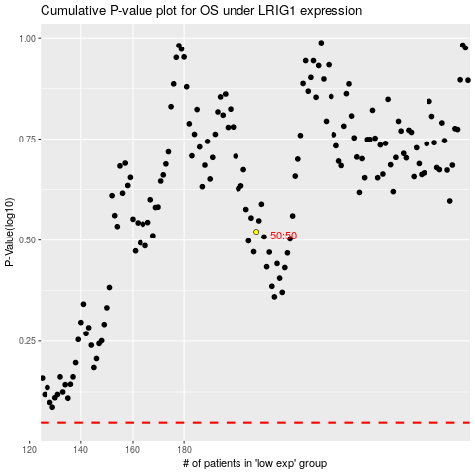

 |  |  |  |  |  | cases_OS | p_OS | rank | exp
 |  |  |  |  |  |  | cases_RFS | p_RFS | rank | exp

