LRIG2 _multivariate
Reported by Tex Li-Hsing Chi. tex@gate.sinica.edu.tw 2019-08-18

Table 2. The clinicopathological features of HNSCC cohort and LRIG2 expression. (Chi square test)
Cutoff at 0.022 (50.0%)
 |  | LRIG2 expression |  | LRIG2 expression |  | (Optimised)
 | Features | Low | (%) | High | (%) | Case no | P-value | Remark | Matthews
Gender | Female | 144 | 34.7 | 162 | 39 | 415 | 0.0697 | 0 | 0
2 | Male | 63 | 15.2 | 46 | 11.1
Age at diagnosis | <=65y | 128 | 30.8 | 146 | 35.2 | 415 | 0.0904 | 0 | 0
4 | >65y | 79 | 19 | 62 | 14.9
Clinical T Status | T1+T2 | 79 | 19 | 70 | 16.9 | 415 | 0.3924 | 0 | 0
6 | T3+T4 | 128 | 30.8 | 138 | 33.3
Clinical N Status | N0 | 120 | 28.9 | 96 | 23.1 | 415 | 0.0208 | 1 | 0
8 | N1-3 | 87 | 21 | 112 | 27
Clinical M Status | M0 | 204 | 49.2 | 208 | 50.1 | 415 | 0.1232 | 0 | 0
10 | M1 | 3 | 0.7 | 0 | 0
Clinical Stage | Stage I+II | 56 | 13.5 | 46 | 11.1 | 415 | 0.2918 | 0 | 0
12 | Stage III+IV | 151 | 36.4 | 162 | 39
Surgical Margin status | Negative | 156 | 37.6 | 162 | 39 | 415 | 0.5636 | 0 | 0
14 | Positive | 51 | 12.3 | 46 | 11.1
Tobacco Exposure | Low | 88 | 21.2 | 73 | 17.6 | 415 | 0.1314 | 0 | 0
16 | High | 119 | 28.7 | 135 | 32.5

Table 3. Univariate/Multivariate Cox's proportional hazards regression analyses on OS time of LRIG2 gene expression in HNSCC

 |  | Univariate |  |  |  | Multivariate
 | Features | HR | CI95%(L) | CI95%(H) | P-value | HR | CI95%(L) | CI95%(H) | P-value
1 | Female | 1 |  |  |  | 1
Gender | Male | 1.157 | 0.843 | 1.587 | 0.367 | 1.194 | 0.852 | 1.673 | 0.302
11 | <=65y | 1 |  |  |  | 1
Age at diagnosis | >65y | 1.329 | 0.99 | 1.784 | 0.058 | 1.392 | 1.024 | 1.892 | 0.035
12 | T1+T2 | 1 |  |  |  | 1
Clinical T Status | T3+T4 | 1.409 | 1.028 | 1.931 | 0.033 | 2.199 | 1.163 | 4.158 | 0.015
13 | N0 | 1 |  |  |  | 1
Clinical N Status | N1-3 | 1.185 | 0.89 | 1.577 | 0.246 | 1.242 | 0.87 | 1.772 | 0.232
14 | M0 | 1 |  |  |  | 1
Clinical M Status | M1 | 4.097 | 1.009 | 16.644 | 0.049 | 9.165 | 1.978 | 42.465 | 0.005
15 | Stage I+II | 1 |  |  |  | 1
Clinical Stage | Stage III+IV | 1.245 | 0.882 | 1.759 | 0.213 | 0.507 | 0.236 | 1.089 | 0.082
16 | Negative | 1 |  |  |  | 1
Surgical Margin status | Positive | 1.591 | 1.155 | 2.191 | 0.004 | 1.667 | 1.206 | 2.305 | 0.002
17 | Low | 1 |  |  |  | 1
Tobacco Exposure | High | 1.364 | 1.008 | 1.844 | 0.044 | 1.454 | 1.055 | 2.004 | 0.022
18 | Low | 1 |  |  |  | 1
RNAseq(z-score) | High | 0.913 | 0.685 | 1.217 | 0.537 | 0.959 | 0.714 | 1.287 | 0.781

Table 4. Univariate/Multivariate Cox's proportional hazards regression analyses on RFS time of LRIG2 gene expression in HNSCC

 |  | Univariate |  |  |  | Multivariate
 | Features | HR | CI95%(L) | CI95%(H) | P-value | HR | CI95%(L) | CI95%(H) | P-value
1 | Female | 1 |  |  |  | 1
Gender | Male | 1.157 | 0.843 | 1.587 | 0.367 | 1.194 | 0.852 | 1.673 | 0.302
11 | <=65y | 1 |  |  |  | 1
Age at diagnosis | >65y | 1.329 | 0.99 | 1.784 | 0.058 | 1.392 | 1.024 | 1.892 | 0.035
12 | T1+T2 | 1 |  |  |  | 1
Clinical T Status | T3+T4 | 1.409 | 1.028 | 1.931 | 0.033 | 2.199 | 1.163 | 4.158 | 0.015
13 | N0 | 1 |  |  |  | 1
Clinical N Status | N1-3 | 1.185 | 0.89 | 1.577 | 0.246 | 1.242 | 0.87 | 1.772 | 0.232
14 | M0 | 1 |  |  |  | 1
Clinical M Status | M1 | 4.097 | 1.009 | 16.644 | 0.049 | 9.165 | 1.978 | 42.465 | 0.005
15 | Stage I+II | 1 |  |  |  | 1
Clinical Stage | Stage III+IV | 1.245 | 0.882 | 1.759 | 0.213 | 0.507 | 0.236 | 1.089 | 0.082
16 | Negative | 1 |  |  |  | 1
Surgical Margin status | Positive | 1.591 | 1.155 | 2.191 | 0.004 | 1.667 | 1.206 | 2.305 | 0.002
17 | Low | 1 |  |  |  | 1
Tobacco Exposure | High | 1.364 | 1.008 | 1.844 | 0.044 | 1.454 | 1.055 | 2.004 | 0.022
18 | Low | 1 |  |  |  | 1
RNAseq(z-score) | High | 0.913 | 0.685 | 1.217 | 0.537 | 0.959 | 0.714 | 1.287 | 0.781

Kaplan-Meier survival estimate: Cutoff at 0.022 (50.0%)

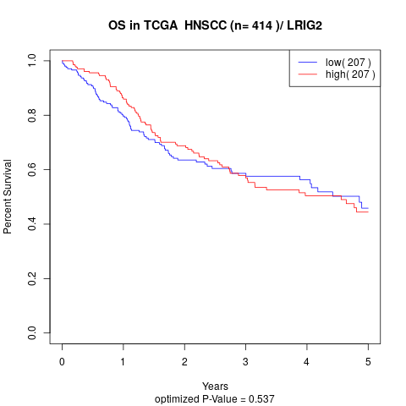

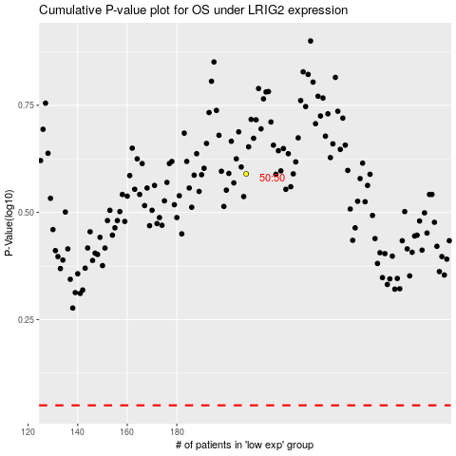

 |  |  |  |  |  | cases_OS | p_OS | rank | exp
 |  |  |  |  |  |  | cases_RFS | p_RFS | rank | exp

