LRIT2 _multivariate
Reported by Tex Li-Hsing Chi. tex@gate.sinica.edu.tw 2019-08-18

Table 2. The clinicopathological features of HNSCC cohort and LRIT2 expression. (Chi square test)
Cutoff at -0.382 (50.0%)
 |  | LRIT2 expression |  | LRIT2 expression |  | (Optimised)
 | Features | Low | (%) | High | (%) | Case no | P-value | Remark | Matthews
Gender | Female | 143 | 34.5 | 163 | 39.3 | 415 | 0.0416 | 1 | 0
2 | Male | 64 | 15.4 | 45 | 10.8
Age at diagnosis | <=65y | 138 | 33.3 | 136 | 32.8 | 415 | 0.8634 | 0 | 0
4 | >65y | 69 | 16.6 | 72 | 17.3
Clinical T Status | T1+T2 | 79 | 19 | 70 | 16.9 | 415 | 0.3924 | 0 | 0
6 | T3+T4 | 128 | 30.8 | 138 | 33.3
Clinical N Status | N0 | 101 | 24.3 | 115 | 27.7 | 415 | 0.2201 | 0 | 0
8 | N1-3 | 106 | 25.5 | 93 | 22.4
Clinical M Status | M0 | 205 | 49.4 | 207 | 49.9 | 415 | 0.6232 | 0 | 0
10 | M1 | 2 | 0.5 | 1 | 0.2
Clinical Stage | Stage I+II | 48 | 11.6 | 54 | 13 | 415 | 0.5878 | 0 | 0
12 | Stage III+IV | 159 | 38.3 | 154 | 37.1
Surgical Margin status | Negative | 153 | 36.9 | 165 | 39.8 | 415 | 0.2036 | 0 | 0
14 | Positive | 54 | 13 | 43 | 10.4
Tobacco Exposure | Low | 87 | 21 | 74 | 17.8 | 415 | 0.1911 | 0 | 0
16 | High | 120 | 28.9 | 134 | 32.3

Table 3. Univariate/Multivariate Cox's proportional hazards regression analyses on OS time of LRIT2 gene expression in HNSCC

 |  | Univariate |  |  |  | Multivariate
 | Features | HR | CI95%(L) | CI95%(H) | P-value | HR | CI95%(L) | CI95%(H) | P-value
1 | Female | 1 |  |  |  | 1
Gender | Male | 1.157 | 0.843 | 1.587 | 0.367 | 1.17 | 0.836 | 1.637 | 0.359
11 | <=65y | 1 |  |  |  | 1
Age at diagnosis | >65y | 1.329 | 0.99 | 1.784 | 0.058 | 1.411 | 1.036 | 1.922 | 0.029
12 | T1+T2 | 1 |  |  |  | 1
Clinical T Status | T3+T4 | 1.409 | 1.028 | 1.931 | 0.033 | 2.282 | 1.205 | 4.32 | 0.011
13 | N0 | 1 |  |  |  | 1
Clinical N Status | N1-3 | 1.185 | 0.89 | 1.577 | 0.246 | 1.225 | 0.858 | 1.749 | 0.265
14 | M0 | 1 |  |  |  | 1
Clinical M Status | M1 | 4.097 | 1.009 | 16.644 | 0.049 | 9.127 | 1.989 | 41.879 | 0.004
15 | Stage I+II | 1 |  |  |  | 1
Clinical Stage | Stage III+IV | 1.245 | 0.882 | 1.759 | 0.213 | 0.485 | 0.226 | 1.042 | 0.064
16 | Negative | 1 |  |  |  | 1
Surgical Margin status | Positive | 1.591 | 1.155 | 2.191 | 0.004 | 1.673 | 1.21 | 2.311 | 0.002
17 | Low | 1 |  |  |  | 1
Tobacco Exposure | High | 1.364 | 1.008 | 1.844 | 0.044 | 1.495 | 1.081 | 2.068 | 0.015
18 | Low | 1 |  |  |  | 1
RNAseq(z-score) | High | 0.825 | 0.619 | 1.099 | 0.188 | 0.797 | 0.594 | 1.069 | 0.13

Table 4. Univariate/Multivariate Cox's proportional hazards regression analyses on RFS time of LRIT2 gene expression in HNSCC

 |  | Univariate |  |  |  | Multivariate
 | Features | HR | CI95%(L) | CI95%(H) | P-value | HR | CI95%(L) | CI95%(H) | P-value
1 | Female | 1 |  |  |  | 1
Gender | Male | 1.157 | 0.843 | 1.587 | 0.367 | 1.17 | 0.836 | 1.637 | 0.359
11 | <=65y | 1 |  |  |  | 1
Age at diagnosis | >65y | 1.329 | 0.99 | 1.784 | 0.058 | 1.411 | 1.036 | 1.922 | 0.029
12 | T1+T2 | 1 |  |  |  | 1
Clinical T Status | T3+T4 | 1.409 | 1.028 | 1.931 | 0.033 | 2.282 | 1.205 | 4.32 | 0.011
13 | N0 | 1 |  |  |  | 1
Clinical N Status | N1-3 | 1.185 | 0.89 | 1.577 | 0.246 | 1.225 | 0.858 | 1.749 | 0.265
14 | M0 | 1 |  |  |  | 1
Clinical M Status | M1 | 4.097 | 1.009 | 16.644 | 0.049 | 9.127 | 1.989 | 41.879 | 0.004
15 | Stage I+II | 1 |  |  |  | 1
Clinical Stage | Stage III+IV | 1.245 | 0.882 | 1.759 | 0.213 | 0.485 | 0.226 | 1.042 | 0.064
16 | Negative | 1 |  |  |  | 1
Surgical Margin status | Positive | 1.591 | 1.155 | 2.191 | 0.004 | 1.673 | 1.21 | 2.311 | 0.002
17 | Low | 1 |  |  |  | 1
Tobacco Exposure | High | 1.364 | 1.008 | 1.844 | 0.044 | 1.495 | 1.081 | 2.068 | 0.015
18 | Low | 1 |  |  |  | 1
RNAseq(z-score) | High | 0.825 | 0.619 | 1.099 | 0.188 | 0.797 | 0.594 | 1.069 | 0.13

Kaplan-Meier survival estimate: Cutoff at -0.382 (50.0%)



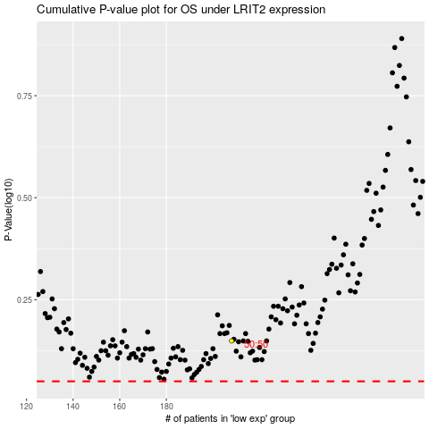

 |  |  |  |  |  | cases_OS | p_OS | rank | exp
 |  |  |  |  |  |  | cases_RFS | p_RFS | rank | exp

