LRP10 _multivariate
Reported by Tex Li-Hsing Chi. tex@gate.sinica.edu.tw 2019-08-18

Table 2. The clinicopathological features of HNSCC cohort and LRP10 expression. (Chi square test)
Cutoff at -0.49 (33.6%)
 |  | LRP10 expression |  | LRP10 expression |  | (Optimised)
 | Features | Low | (%) | High | (%) | Case no | P-value | Remark | Matthews
Gender | Female | 112 | 27 | 194 | 46.7 | 415 | 0.051 | 0 | 0
2 | Male | 28 | 6.7 | 81 | 19.5
Age at diagnosis | <=65y | 97 | 23.4 | 177 | 42.7 | 415 | 0.3727 | 0 | 0
4 | >65y | 43 | 10.4 | 98 | 23.6
Clinical T Status | T1+T2 | 51 | 12.3 | 98 | 23.6 | 415 | 0.9594 | 0 | 0
6 | T3+T4 | 89 | 21.4 | 177 | 42.7
Clinical N Status | N0 | 62 | 14.9 | 154 | 37.1 | 415 | 0.0312 | 1 | 0
8 | N1-3 | 78 | 18.8 | 121 | 29.2
Clinical M Status | M0 | 139 | 33.5 | 273 | 65.8 | 415 | 1 | 0 | 0
10 | M1 | 1 | 0.2 | 2 | 0.5
Clinical Stage | Stage I+II | 31 | 7.5 | 71 | 17.1 | 415 | 0.4829 | 0 | 0
12 | Stage III+IV | 109 | 26.3 | 204 | 49.2
Surgical Margin status | Negative | 107 | 25.8 | 211 | 50.8 | 415 | 1 | 0 | 0
14 | Positive | 33 | 8 | 64 | 15.4
Tobacco Exposure | Low | 48 | 11.6 | 113 | 27.2 | 415 | 0.2014 | 0 | 0
16 | High | 92 | 22.2 | 162 | 39

Table 3. Univariate/Multivariate Cox's proportional hazards regression analyses on OS time of LRP10 gene expression in HNSCC

 |  | Univariate |  |  |  | Multivariate
 | Features | HR | CI95%(L) | CI95%(H) | P-value | HR | CI95%(L) | CI95%(H) | P-value
1 | Female | 1 |  |  |  | 1
Gender | Male | 1.157 | 0.843 | 1.587 | 0.367 | 1.161 | 0.83 | 1.625 | 0.383
11 | <=65y | 1 |  |  |  | 1
Age at diagnosis | >65y | 1.329 | 0.99 | 1.784 | 0.058 | 1.367 | 1.004 | 1.861 | 0.047
12 | T1+T2 | 1 |  |  |  | 1
Clinical T Status | T3+T4 | 1.409 | 1.028 | 1.931 | 0.033 | 2.146 | 1.133 | 4.064 | 0.019
13 | N0 | 1 |  |  |  | 1
Clinical N Status | N1-3 | 1.185 | 0.89 | 1.577 | 0.246 | 1.305 | 0.911 | 1.869 | 0.146
14 | M0 | 1 |  |  |  | 1
Clinical M Status | M1 | 4.097 | 1.009 | 16.644 | 0.049 | 8.975 | 1.957 | 41.155 | 0.005
15 | Stage I+II | 1 |  |  |  | 1
Clinical Stage | Stage III+IV | 1.245 | 0.882 | 1.759 | 0.213 | 0.508 | 0.236 | 1.091 | 0.082
16 | Negative | 1 |  |  |  | 1
Surgical Margin status | Positive | 1.591 | 1.155 | 2.191 | 0.004 | 1.672 | 1.21 | 2.311 | 0.002
17 | Low | 1 |  |  |  | 1
Tobacco Exposure | High | 1.364 | 1.008 | 1.844 | 0.044 | 1.462 | 1.061 | 2.014 | 0.02
18 | Low | 1 |  |  |  | 1
RNAseq(z-score) | High | 1.398 | 1.013 | 1.929 | 0.042 | 1.386 | 0.996 | 1.928 | 0.053

Table 4. Univariate/Multivariate Cox's proportional hazards regression analyses on RFS time of LRP10 gene expression in HNSCC

 |  | Univariate |  |  |  | Multivariate
 | Features | HR | CI95%(L) | CI95%(H) | P-value | HR | CI95%(L) | CI95%(H) | P-value
1 | Female | 1 |  |  |  | 1
Gender | Male | 1.157 | 0.843 | 1.587 | 0.367 | 1.161 | 0.83 | 1.625 | 0.383
11 | <=65y | 1 |  |  |  | 1
Age at diagnosis | >65y | 1.329 | 0.99 | 1.784 | 0.058 | 1.367 | 1.004 | 1.861 | 0.047
12 | T1+T2 | 1 |  |  |  | 1
Clinical T Status | T3+T4 | 1.409 | 1.028 | 1.931 | 0.033 | 2.146 | 1.133 | 4.064 | 0.019
13 | N0 | 1 |  |  |  | 1
Clinical N Status | N1-3 | 1.185 | 0.89 | 1.577 | 0.246 | 1.305 | 0.911 | 1.869 | 0.146
14 | M0 | 1 |  |  |  | 1
Clinical M Status | M1 | 4.097 | 1.009 | 16.644 | 0.049 | 8.975 | 1.957 | 41.155 | 0.005
15 | Stage I+II | 1 |  |  |  | 1
Clinical Stage | Stage III+IV | 1.245 | 0.882 | 1.759 | 0.213 | 0.508 | 0.236 | 1.091 | 0.082
16 | Negative | 1 |  |  |  | 1
Surgical Margin status | Positive | 1.591 | 1.155 | 2.191 | 0.004 | 1.672 | 1.21 | 2.311 | 0.002
17 | Low | 1 |  |  |  | 1
Tobacco Exposure | High | 1.364 | 1.008 | 1.844 | 0.044 | 1.462 | 1.061 | 2.014 | 0.02
18 | Low | 1 |  |  |  | 1
RNAseq(z-score) | High | 1.398 | 1.013 | 1.929 | 0.042 | 1.386 | 0.996 | 1.928 | 0.053

Kaplan-Meier survival estimate: Cutoff at -0.49 (33.6%)



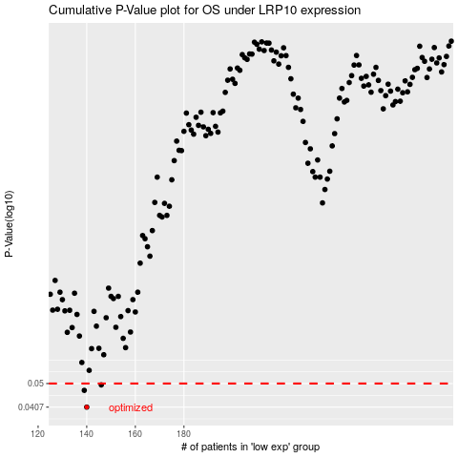

 |  |  |  |  |  | cases_OS | p_OS | rank | exp
 |  |  |  |  |  | 140 | 0.0407 | 223 | -0.48958207923
 |  |  |  |  |  | 139 | 0.0471 | 316 | -0.49172421366
 |  |  |  |  |  | 146 | 0.0494 | 339 | -0.44960959351
 |  |  |  |  |  |  | cases_RFS | p_RFS | rank | exp
 |  |  |  |  |  |  | 139 | 0.0407 | 316 | -0.49172421366
 |  |  |  |  |  |  | 138 | 0.0471 | 41 | -0.49408407721
 |  |  |  |  |  |  | 145 | 0.0494 | 362 | -0.46804717722

