LRP12 _multivariate
Reported by Tex Li-Hsing Chi. tex@gate.sinica.edu.tw 2019-08-18

Table 2. The clinicopathological features of HNSCC cohort and LRP12 expression. (Chi square test)
Cutoff at 0.273 (66.9%)
 |  | LRP12 expression |  | LRP12 expression |  | (Optimised)
 | Features | Low | (%) | High | (%) | Case no | P-value | Remark | Matthews
Gender | Female | 206 | 49.6 | 100 | 24.1 | 415 | 0.9024 | 0 | 0
2 | Male | 72 | 17.3 | 37 | 8.9
Age at diagnosis | <=65y | 185 | 44.6 | 89 | 21.4 | 415 | 0.8336 | 0 | 0
4 | >65y | 93 | 22.4 | 48 | 11.6
Clinical T Status | T1+T2 | 103 | 24.8 | 46 | 11.1 | 415 | 0.5586 | 0 | 0
6 | T3+T4 | 175 | 42.2 | 91 | 21.9
Clinical N Status | N0 | 141 | 34 | 75 | 18.1 | 415 | 0.5045 | 0 | 0
8 | N1-3 | 137 | 33 | 62 | 14.9
Clinical M Status | M0 | 275 | 66.3 | 137 | 33 | 415 | 0.554 | 0 | 0
10 | M1 | 3 | 0.7 | 0 | 0
Clinical Stage | Stage I+II | 67 | 16.1 | 35 | 8.4 | 415 | 0.841 | 0 | 0
12 | Stage III+IV | 211 | 50.8 | 102 | 24.6
Surgical Margin status | Negative | 209 | 50.4 | 109 | 26.3 | 415 | 0.388 | 0 | 0
14 | Positive | 69 | 16.6 | 28 | 6.7
Tobacco Exposure | Low | 122 | 29.4 | 39 | 9.4 | 415 | 0.0027 | 1 | 0
16 | High | 156 | 37.6 | 98 | 23.6

Table 3. Univariate/Multivariate Cox's proportional hazards regression analyses on OS time of LRP12 gene expression in HNSCC

 |  | Univariate |  |  |  | Multivariate
 | Features | HR | CI95%(L) | CI95%(H) | P-value | HR | CI95%(L) | CI95%(H) | P-value
1 | Female | 1 |  |  |  | 1
Gender | Male | 1.157 | 0.843 | 1.587 | 0.367 | 1.223 | 0.874 | 1.709 | 0.24
11 | <=65y | 1 |  |  |  | 1
Age at diagnosis | >65y | 1.329 | 0.99 | 1.784 | 0.058 | 1.376 | 1.013 | 1.871 | 0.041
12 | T1+T2 | 1 |  |  |  | 1
Clinical T Status | T3+T4 | 1.409 | 1.028 | 1.931 | 0.033 | 2.182 | 1.154 | 4.125 | 0.016
13 | N0 | 1 |  |  |  | 1
Clinical N Status | N1-3 | 1.185 | 0.89 | 1.577 | 0.246 | 1.246 | 0.873 | 1.777 | 0.225
14 | M0 | 1 |  |  |  | 1
Clinical M Status | M1 | 4.097 | 1.009 | 16.644 | 0.049 | 10.558 | 2.293 | 48.615 | 0.002
15 | Stage I+II | 1 |  |  |  | 1
Clinical Stage | Stage III+IV | 1.245 | 0.882 | 1.759 | 0.213 | 0.508 | 0.237 | 1.091 | 0.083
16 | Negative | 1 |  |  |  | 1
Surgical Margin status | Positive | 1.591 | 1.155 | 2.191 | 0.004 | 1.753 | 1.264 | 2.43 | 0.001
17 | Low | 1 |  |  |  | 1
Tobacco Exposure | High | 1.364 | 1.008 | 1.844 | 0.044 | 1.379 | 0.999 | 1.905 | 0.051
18 | Low | 1 |  |  |  | 1
RNAseq(z-score) | High | 1.37 | 1.019 | 1.843 | 0.037 | 1.398 | 1.03 | 1.898 | 0.032

Table 4. Univariate/Multivariate Cox's proportional hazards regression analyses on RFS time of LRP12 gene expression in HNSCC

 |  | Univariate |  |  |  | Multivariate
 | Features | HR | CI95%(L) | CI95%(H) | P-value | HR | CI95%(L) | CI95%(H) | P-value
1 | Female | 1 |  |  |  | 1
Gender | Male | 1.157 | 0.843 | 1.587 | 0.367 | 1.223 | 0.874 | 1.709 | 0.24
11 | <=65y | 1 |  |  |  | 1
Age at diagnosis | >65y | 1.329 | 0.99 | 1.784 | 0.058 | 1.376 | 1.013 | 1.871 | 0.041
12 | T1+T2 | 1 |  |  |  | 1
Clinical T Status | T3+T4 | 1.409 | 1.028 | 1.931 | 0.033 | 2.182 | 1.154 | 4.125 | 0.016
13 | N0 | 1 |  |  |  | 1
Clinical N Status | N1-3 | 1.185 | 0.89 | 1.577 | 0.246 | 1.246 | 0.873 | 1.777 | 0.225
14 | M0 | 1 |  |  |  | 1
Clinical M Status | M1 | 4.097 | 1.009 | 16.644 | 0.049 | 10.558 | 2.293 | 48.615 | 0.002
15 | Stage I+II | 1 |  |  |  | 1
Clinical Stage | Stage III+IV | 1.245 | 0.882 | 1.759 | 0.213 | 0.508 | 0.237 | 1.091 | 0.083
16 | Negative | 1 |  |  |  | 1
Surgical Margin status | Positive | 1.591 | 1.155 | 2.191 | 0.004 | 1.753 | 1.264 | 2.43 | 0.001
17 | Low | 1 |  |  |  | 1
Tobacco Exposure | High | 1.364 | 1.008 | 1.844 | 0.044 | 1.379 | 0.999 | 1.905 | 0.051
18 | Low | 1 |  |  |  | 1
RNAseq(z-score) | High | 1.37 | 1.019 | 1.843 | 0.037 | 1.398 | 1.03 | 1.898 | 0.032

Kaplan-Meier survival estimate: Cutoff at 0.273 (66.9%)



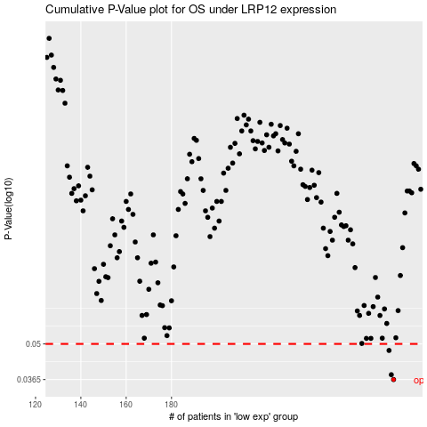

 |  |  |  |  |  | cases_OS | p_OS | rank | exp
 |  |  |  |  |  | 278 | 0.0365 | 241 | 0.2725159269
 |  |  |  |  |  | 277 | 0.0381 | 94 | 0.26929520718
 |  |  |  |  |  | 276 | 0.0472 | 119 | 0.25933542104
 |  |  |  |  |  |  | cases_RFS | p_RFS | rank | exp
 |  |  |  |  |  |  | 277 | 0.0365 | 94 | 0.26929520718
 |  |  |  |  |  |  | 276 | 0.0381 | 119 | 0.25933542104
 |  |  |  |  |  |  | 275 | 0.0472 | 262 | 0.23622893155

