LRP1B _multivariate
Reported by Tex Li-Hsing Chi. tex@gate.sinica.edu.tw 2019-08-18

Table 2. The clinicopathological features of HNSCC cohort and LRP1B expression. (Chi square test)
Cutoff at -0.38 (49.8%)
 |  | LRP1B expression |  | LRP1B expression |  | (Optimised)
 | Features | Low | (%) | High | (%) | Case no | P-value | Remark | Matthews
Gender | Female | 151 | 36.4 | 155 | 37.3 | 415 | 0.8007 | 0 | 0
2 | Male | 56 | 13.5 | 53 | 12.8
Age at diagnosis | <=65y | 137 | 33 | 137 | 33 | 415 | 1 | 0 | 0
4 | >65y | 70 | 16.9 | 71 | 17.1
Clinical T Status | T1+T2 | 65 | 15.7 | 84 | 20.2 | 415 | 0.0711 | 0 | 0
6 | T3+T4 | 142 | 34.2 | 124 | 29.9
Clinical N Status | N0 | 107 | 25.8 | 109 | 26.3 | 415 | 0.9624 | 0 | 0
8 | N1-3 | 100 | 24.1 | 99 | 23.9
Clinical M Status | M0 | 204 | 49.2 | 208 | 50.1 | 415 | 0.1232 | 0 | 0
10 | M1 | 3 | 0.7 | 0 | 0
Clinical Stage | Stage I+II | 47 | 11.3 | 55 | 13.3 | 415 | 0.4413 | 0 | 0
12 | Stage III+IV | 160 | 38.6 | 153 | 36.9
Surgical Margin status | Negative | 160 | 38.6 | 158 | 38.1 | 415 | 0.8167 | 0 | 0
14 | Positive | 47 | 11.3 | 50 | 12
Tobacco Exposure | Low | 85 | 20.5 | 76 | 18.3 | 415 | 0.3655 | 0 | 0
16 | High | 122 | 29.4 | 132 | 31.8

Table 3. Univariate/Multivariate Cox's proportional hazards regression analyses on OS time of LRP1B gene expression in HNSCC

 |  | Univariate |  |  |  | Multivariate
 | Features | HR | CI95%(L) | CI95%(H) | P-value | HR | CI95%(L) | CI95%(H) | P-value
1 | Female | 1 |  |  |  | 1
Gender | Male | 1.157 | 0.843 | 1.587 | 0.367 | 1.202 | 0.86 | 1.678 | 0.281
11 | <=65y | 1 |  |  |  | 1
Age at diagnosis | >65y | 1.329 | 0.99 | 1.784 | 0.058 | 1.386 | 1.02 | 1.885 | 0.037
12 | T1+T2 | 1 |  |  |  | 1
Clinical T Status | T3+T4 | 1.409 | 1.028 | 1.931 | 0.033 | 2.25 | 1.188 | 4.263 | 0.013
13 | N0 | 1 |  |  |  | 1
Clinical N Status | N1-3 | 1.185 | 0.89 | 1.577 | 0.246 | 1.241 | 0.87 | 1.771 | 0.234
14 | M0 | 1 |  |  |  | 1
Clinical M Status | M1 | 4.097 | 1.009 | 16.644 | 0.049 | 10.288 | 2.215 | 47.792 | 0.003
15 | Stage I+II | 1 |  |  |  | 1
Clinical Stage | Stage III+IV | 1.245 | 0.882 | 1.759 | 0.213 | 0.49 | 0.228 | 1.054 | 0.068
16 | Negative | 1 |  |  |  | 1
Surgical Margin status | Positive | 1.591 | 1.155 | 2.191 | 0.004 | 1.667 | 1.206 | 2.303 | 0.002
17 | Low | 1 |  |  |  | 1
Tobacco Exposure | High | 1.364 | 1.008 | 1.844 | 0.044 | 1.434 | 1.04 | 1.977 | 0.028
18 | Low | 1 |  |  |  | 1
RNAseq(z-score) | High | 1.131 | 0.846 | 1.513 | 0.406 | 1.144 | 0.851 | 1.537 | 0.373

Table 4. Univariate/Multivariate Cox's proportional hazards regression analyses on RFS time of LRP1B gene expression in HNSCC

 |  | Univariate |  |  |  | Multivariate
 | Features | HR | CI95%(L) | CI95%(H) | P-value | HR | CI95%(L) | CI95%(H) | P-value
1 | Female | 1 |  |  |  | 1
Gender | Male | 1.157 | 0.843 | 1.587 | 0.367 | 1.202 | 0.86 | 1.678 | 0.281
11 | <=65y | 1 |  |  |  | 1
Age at diagnosis | >65y | 1.329 | 0.99 | 1.784 | 0.058 | 1.386 | 1.02 | 1.885 | 0.037
12 | T1+T2 | 1 |  |  |  | 1
Clinical T Status | T3+T4 | 1.409 | 1.028 | 1.931 | 0.033 | 2.25 | 1.188 | 4.263 | 0.013
13 | N0 | 1 |  |  |  | 1
Clinical N Status | N1-3 | 1.185 | 0.89 | 1.577 | 0.246 | 1.241 | 0.87 | 1.771 | 0.234
14 | M0 | 1 |  |  |  | 1
Clinical M Status | M1 | 4.097 | 1.009 | 16.644 | 0.049 | 10.288 | 2.215 | 47.792 | 0.003
15 | Stage I+II | 1 |  |  |  | 1
Clinical Stage | Stage III+IV | 1.245 | 0.882 | 1.759 | 0.213 | 0.49 | 0.228 | 1.054 | 0.068
16 | Negative | 1 |  |  |  | 1
Surgical Margin status | Positive | 1.591 | 1.155 | 2.191 | 0.004 | 1.667 | 1.206 | 2.303 | 0.002
17 | Low | 1 |  |  |  | 1
Tobacco Exposure | High | 1.364 | 1.008 | 1.844 | 0.044 | 1.434 | 1.04 | 1.977 | 0.028
18 | Low | 1 |  |  |  | 1
RNAseq(z-score) | High | 1.131 | 0.846 | 1.513 | 0.406 | 1.144 | 0.851 | 1.537 | 0.373

Kaplan-Meier survival estimate: Cutoff at -0.38 (49.8%)



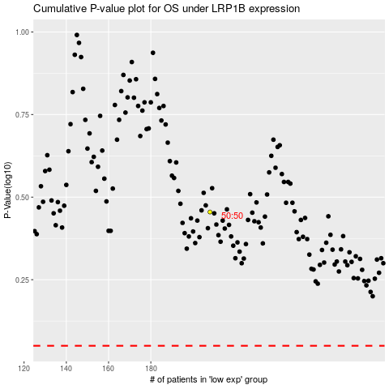

 |  |  |  |  |  | cases_OS | p_OS | rank | exp
 |  |  |  |  |  |  | cases_RFS | p_RFS | rank | exp

