LRP2BP _multivariate
Reported by Tex Li-Hsing Chi. tex@gate.sinica.edu.tw 2019-08-18

Table 2. The clinicopathological features of HNSCC cohort and LRP2BP expression. (Chi square test)
Cutoff at -0.22 (50.0%)
 |  | LRP2BP expression |  | LRP2BP expression |  | (Optimised)
 | Features | Low | (%) | High | (%) | Case no | P-value | Remark | Matthews
Gender | Female | 147 | 35.4 | 159 | 38.3 | 415 | 0.2523 | 0 | 0
2 | Male | 60 | 14.5 | 49 | 11.8
Age at diagnosis | <=65y | 137 | 33 | 137 | 33 | 415 | 1 | 0 | 0
4 | >65y | 70 | 16.9 | 71 | 17.1
Clinical T Status | T1+T2 | 70 | 16.9 | 79 | 19 | 415 | 0.4343 | 0 | 0
6 | T3+T4 | 137 | 33 | 129 | 31.1
Clinical N Status | N0 | 105 | 25.3 | 111 | 26.7 | 415 | 0.6598 | 0 | 0
8 | N1-3 | 102 | 24.6 | 97 | 23.4
Clinical M Status | M0 | 206 | 49.6 | 206 | 49.6 | 415 | 1 | 0 | 0
10 | M1 | 1 | 0.2 | 2 | 0.5
Clinical Stage | Stage I+II | 50 | 12 | 52 | 12.5 | 415 | 0.9315 | 0 | 0
12 | Stage III+IV | 157 | 37.8 | 156 | 37.6
Surgical Margin status | Negative | 163 | 39.3 | 155 | 37.3 | 415 | 0.3537 | 0 | 0
14 | Positive | 44 | 10.6 | 53 | 12.8
Tobacco Exposure | Low | 79 | 19 | 82 | 19.8 | 415 | 0.8405 | 0 | 0
16 | High | 128 | 30.8 | 126 | 30.4

Table 3. Univariate/Multivariate Cox's proportional hazards regression analyses on OS time of LRP2BP gene expression in HNSCC

 |  | Univariate |  |  |  | Multivariate
 | Features | HR | CI95%(L) | CI95%(H) | P-value | HR | CI95%(L) | CI95%(H) | P-value
1 | Female | 1 |  |  |  | 1
Gender | Male | 1.157 | 0.843 | 1.587 | 0.367 | 1.198 | 0.857 | 1.675 | 0.291
11 | <=65y | 1 |  |  |  | 1
Age at diagnosis | >65y | 1.329 | 0.99 | 1.784 | 0.058 | 1.396 | 1.026 | 1.899 | 0.034
12 | T1+T2 | 1 |  |  |  | 1
Clinical T Status | T3+T4 | 1.409 | 1.028 | 1.931 | 0.033 | 2.181 | 1.151 | 4.133 | 0.017
13 | N0 | 1 |  |  |  | 1
Clinical N Status | N1-3 | 1.185 | 0.89 | 1.577 | 0.246 | 1.234 | 0.863 | 1.763 | 0.249
14 | M0 | 1 |  |  |  | 1
Clinical M Status | M1 | 4.097 | 1.009 | 16.644 | 0.049 | 9.399 | 2.05 | 43.085 | 0.004
15 | Stage I+II | 1 |  |  |  | 1
Clinical Stage | Stage III+IV | 1.245 | 0.882 | 1.759 | 0.213 | 0.509 | 0.237 | 1.094 | 0.084
16 | Negative | 1 |  |  |  | 1
Surgical Margin status | Positive | 1.591 | 1.155 | 2.191 | 0.004 | 1.681 | 1.215 | 2.327 | 0.002
17 | Low | 1 |  |  |  | 1
Tobacco Exposure | High | 1.364 | 1.008 | 1.844 | 0.044 | 1.456 | 1.056 | 2.008 | 0.022
18 | Low | 1 |  |  |  | 1
RNAseq(z-score) | High | 0.939 | 0.703 | 1.254 | 0.67 | 0.949 | 0.707 | 1.274 | 0.727

Table 4. Univariate/Multivariate Cox's proportional hazards regression analyses on RFS time of LRP2BP gene expression in HNSCC

 |  | Univariate |  |  |  | Multivariate
 | Features | HR | CI95%(L) | CI95%(H) | P-value | HR | CI95%(L) | CI95%(H) | P-value
1 | Female | 1 |  |  |  | 1
Gender | Male | 1.157 | 0.843 | 1.587 | 0.367 | 1.198 | 0.857 | 1.675 | 0.291
11 | <=65y | 1 |  |  |  | 1
Age at diagnosis | >65y | 1.329 | 0.99 | 1.784 | 0.058 | 1.396 | 1.026 | 1.899 | 0.034
12 | T1+T2 | 1 |  |  |  | 1
Clinical T Status | T3+T4 | 1.409 | 1.028 | 1.931 | 0.033 | 2.181 | 1.151 | 4.133 | 0.017
13 | N0 | 1 |  |  |  | 1
Clinical N Status | N1-3 | 1.185 | 0.89 | 1.577 | 0.246 | 1.234 | 0.863 | 1.763 | 0.249
14 | M0 | 1 |  |  |  | 1
Clinical M Status | M1 | 4.097 | 1.009 | 16.644 | 0.049 | 9.399 | 2.05 | 43.085 | 0.004
15 | Stage I+II | 1 |  |  |  | 1
Clinical Stage | Stage III+IV | 1.245 | 0.882 | 1.759 | 0.213 | 0.509 | 0.237 | 1.094 | 0.084
16 | Negative | 1 |  |  |  | 1
Surgical Margin status | Positive | 1.591 | 1.155 | 2.191 | 0.004 | 1.681 | 1.215 | 2.327 | 0.002
17 | Low | 1 |  |  |  | 1
Tobacco Exposure | High | 1.364 | 1.008 | 1.844 | 0.044 | 1.456 | 1.056 | 2.008 | 0.022
18 | Low | 1 |  |  |  | 1
RNAseq(z-score) | High | 0.939 | 0.703 | 1.254 | 0.67 | 0.949 | 0.707 | 1.274 | 0.727

Kaplan-Meier survival estimate: Cutoff at -0.22 (50.0%)



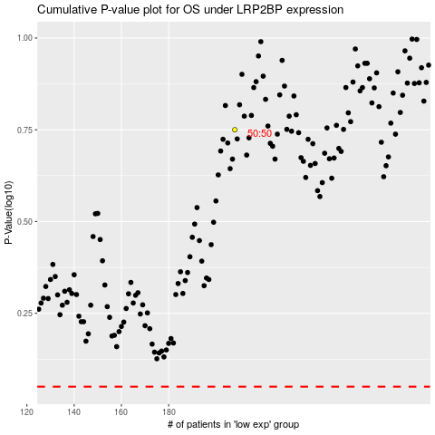

 |  |  |  |  |  | cases_OS | p_OS | rank | exp
 |  |  |  |  |  |  | cases_RFS | p_RFS | rank | exp

