LRP4 _multivariate
Reported by Tex Li-Hsing Chi. tex@gate.sinica.edu.tw 2019-08-18

Table 2. The clinicopathological features of HNSCC cohort and LRP4 expression. (Chi square test)
Cutoff at -0.045 (62.6%)
 |  | LRP4 expression |  | LRP4 expression |  | (Optimised)
 | Features | Low | (%) | High | (%) | Case no | P-value | Remark | Matthews
Gender | Female | 181 | 43.6 | 125 | 30.1 | 415 | 0.0185 | 1 | 0
2 | Male | 79 | 19 | 30 | 7.2
Age at diagnosis | <=65y | 171 | 41.2 | 103 | 24.8 | 415 | 0.9722 | 0 | 0
4 | >65y | 89 | 21.4 | 52 | 12.5
Clinical T Status | T1+T2 | 93 | 22.4 | 56 | 13.5 | 415 | 1 | 0 | 0
6 | T3+T4 | 167 | 40.2 | 99 | 23.9
Clinical N Status | N0 | 132 | 31.8 | 84 | 20.2 | 415 | 0.566 | 0 | 0
8 | N1-3 | 128 | 30.8 | 71 | 17.1
Clinical M Status | M0 | 258 | 62.2 | 154 | 37.1 | 415 | 1 | 0 | 0
10 | M1 | 2 | 0.5 | 1 | 0.2
Clinical Stage | Stage I+II | 64 | 15.4 | 38 | 9.2 | 415 | 1 | 0 | 0
12 | Stage III+IV | 196 | 47.2 | 117 | 28.2
Surgical Margin status | Negative | 197 | 47.5 | 121 | 29.2 | 415 | 0.6327 | 0 | 0
14 | Positive | 63 | 15.2 | 34 | 8.2
Tobacco Exposure | Low | 112 | 27 | 49 | 11.8 | 415 | 0.0222 | 1 | 0
16 | High | 148 | 35.7 | 106 | 25.5

Table 3. Univariate/Multivariate Cox's proportional hazards regression analyses on OS time of LRP4 gene expression in HNSCC

 |  | Univariate |  |  |  | Multivariate
 | Features | HR | CI95%(L) | CI95%(H) | P-value | HR | CI95%(L) | CI95%(H) | P-value
1 | Female | 1 |  |  |  | 1
Gender | Male | 1.157 | 0.843 | 1.587 | 0.367 | 1.312 | 0.933 | 1.844 | 0.118
11 | <=65y | 1 |  |  |  | 1
Age at diagnosis | >65y | 1.329 | 0.99 | 1.784 | 0.058 | 1.343 | 0.988 | 1.825 | 0.06
12 | T1+T2 | 1 |  |  |  | 1
Clinical T Status | T3+T4 | 1.409 | 1.028 | 1.931 | 0.033 | 2.295 | 1.213 | 4.34 | 0.011
13 | N0 | 1 |  |  |  | 1
Clinical N Status | N1-3 | 1.185 | 0.89 | 1.577 | 0.246 | 1.271 | 0.891 | 1.814 | 0.186
14 | M0 | 1 |  |  |  | 1
Clinical M Status | M1 | 4.097 | 1.009 | 16.644 | 0.049 | 10.637 | 2.313 | 48.904 | 0.002
15 | Stage I+II | 1 |  |  |  | 1
Clinical Stage | Stage III+IV | 1.245 | 0.882 | 1.759 | 0.213 | 0.479 | 0.223 | 1.029 | 0.059
16 | Negative | 1 |  |  |  | 1
Surgical Margin status | Positive | 1.591 | 1.155 | 2.191 | 0.004 | 1.72 | 1.243 | 2.378 | 0.001
17 | Low | 1 |  |  |  | 1
Tobacco Exposure | High | 1.364 | 1.008 | 1.844 | 0.044 | 1.353 | 0.98 | 1.868 | 0.066
18 | Low | 1 |  |  |  | 1
RNAseq(z-score) | High | 1.466 | 1.095 | 1.963 | 0.01 | 1.549 | 1.141 | 2.104 | 0.005

Table 4. Univariate/Multivariate Cox's proportional hazards regression analyses on RFS time of LRP4 gene expression in HNSCC

 |  | Univariate |  |  |  | Multivariate
 | Features | HR | CI95%(L) | CI95%(H) | P-value | HR | CI95%(L) | CI95%(H) | P-value
1 | Female | 1 |  |  |  | 1
Gender | Male | 1.157 | 0.843 | 1.587 | 0.367 | 1.312 | 0.933 | 1.844 | 0.118
11 | <=65y | 1 |  |  |  | 1
Age at diagnosis | >65y | 1.329 | 0.99 | 1.784 | 0.058 | 1.343 | 0.988 | 1.825 | 0.06
12 | T1+T2 | 1 |  |  |  | 1
Clinical T Status | T3+T4 | 1.409 | 1.028 | 1.931 | 0.033 | 2.295 | 1.213 | 4.34 | 0.011
13 | N0 | 1 |  |  |  | 1
Clinical N Status | N1-3 | 1.185 | 0.89 | 1.577 | 0.246 | 1.271 | 0.891 | 1.814 | 0.186
14 | M0 | 1 |  |  |  | 1
Clinical M Status | M1 | 4.097 | 1.009 | 16.644 | 0.049 | 10.637 | 2.313 | 48.904 | 0.002
15 | Stage I+II | 1 |  |  |  | 1
Clinical Stage | Stage III+IV | 1.245 | 0.882 | 1.759 | 0.213 | 0.479 | 0.223 | 1.029 | 0.059
16 | Negative | 1 |  |  |  | 1
Surgical Margin status | Positive | 1.591 | 1.155 | 2.191 | 0.004 | 1.72 | 1.243 | 2.378 | 0.001
17 | Low | 1 |  |  |  | 1
Tobacco Exposure | High | 1.364 | 1.008 | 1.844 | 0.044 | 1.353 | 0.98 | 1.868 | 0.066
18 | Low | 1 |  |  |  | 1
RNAseq(z-score) | High | 1.466 | 1.095 | 1.963 | 0.01 | 1.549 | 1.141 | 2.104 | 0.005

Kaplan-Meier survival estimate: Cutoff at -0.045 (62.6%)

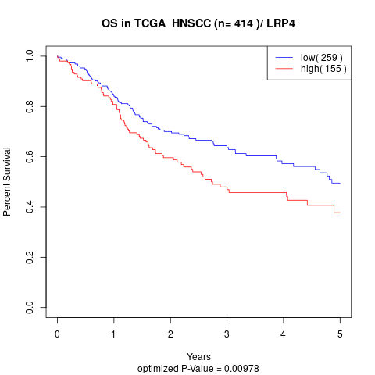

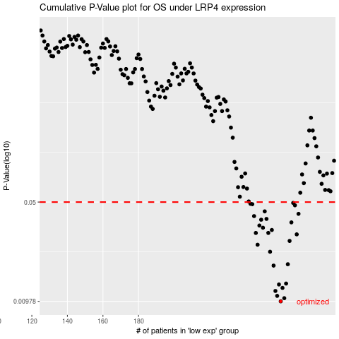

 |  |  |  |  |  | cases_OS | p_OS | rank | exp
 |  |  |  |  |  | 260 | 0.00978 | 76 | -0.045235770772
 |  |  |  |  |  | 262 | 0.0103 | 248 | -0.0385368864
 |  |  |  |  |  | 258 | 0.0107 | 48 | -0.047065683272
 |  |  |  |  |  | 257 | 0.0116 | 246 | -0.048395003503
 |  |  |  |  |  | 261 | 0.0122 | 294 | -0.043128835272
 |  |  |  |  |  | 259 | 0.0129 | 129 | -0.046039722735
 |  |  |  |  |  | 263 | 0.0131 | 186 | -0.021392479111
 |  |  |  |  |  | 256 | 0.0176 | 35 | -0.049382336889
 |  |  |  |  |  | 264 | 0.018 | 239 | -0.020112320708
 |  |  |  |  |  | 254 | 0.0221 | 264 | -0.050826368053
 |  |  |  |  |  | 247 | 0.0248 | 308 | -0.066364627196
 |  |  |  |  |  | 265 | 0.0264 | 227 | -0.018415262197
 |  |  |  |  |  | 269 | 0.0294 | 159 | -0.0017765194285
 |  |  |  |  |  | 253 | 0.0301 | 51 | -0.052956128688
 |  |  |  |  |  | 246 | 0.0301 | 357 | -0.07198565799
 |  |  |  |  |  | 255 | 0.0316 | 230 | -0.049870443613
 |  |  |  |  |  | 250 | 0.0328 | 125 | -0.057428489461
 |  |  |  |  |  | 248 | 0.034 | 256 | -0.061538769467
 |  |  |  |  |  | 266 | 0.0358 | 196 | -0.0099496733908
 |  |  |  |  |  | 249 | 0.0374 | 29 | -0.059875460941
 |  |  |  |  |  | 252 | 0.0379 | 347 | -0.055183237547
 |  |  |  |  |  | 245 | 0.0397 | 50 | -0.073066437867
 |  |  |  |  |  | 270 | 0.0412 | 124 | 0.0029607689751
 |  |  |  |  |  | 251 | 0.0429 | 386 | -0.056727348148
 |  |  |  |  |  | 268 | 0.0474 | 183 | -0.0026495320548
 |  |  |  |  |  | 244 | 0.0483 | 119 | -0.079316818099
 |  |  |  |  |  | 243 | 0.0486 | 358 | -0.080035907382
 |  |  |  |  |  | 267 | 0.0493 | 20 | -0.0086057216628
 |  |  |  |  |  |  | cases_RFS | p_RFS | rank | exp
 |  |  |  |  |  |  | 259 | 0.00978 | 129 | -0.046039722735
 |  |  |  |  |  |  | 261 | 0.0103 | 294 | -0.043128835272
 |  |  |  |  |  |  | 257 | 0.0107 | 246 | -0.048395003503
 |  |  |  |  |  |  | 256 | 0.0116 | 35 | -0.049382336889
 |  |  |  |  |  |  | 260 | 0.0122 | 76 | -0.045235770772
 |  |  |  |  |  |  | 258 | 0.0129 | 48 | -0.047065683272
 |  |  |  |  |  |  | 262 | 0.0131 | 248 | -0.0385368864
 |  |  |  |  |  |  | 255 | 0.0176 | 230 | -0.049870443613
 |  |  |  |  |  |  | 263 | 0.018 | 186 | -0.021392479111
 |  |  |  |  |  |  | 253 | 0.0221 | 51 | -0.052956128688
 |  |  |  |  |  |  | 246 | 0.0248 | 357 | -0.07198565799
 |  |  |  |  |  |  | 264 | 0.0264 | 239 | -0.020112320708
 |  |  |  |  |  |  | 268 | 0.0294 | 183 | -0.0026495320548
 |  |  |  |  |  |  | 245 | 0.0301 | 50 | -0.073066437867
 |  |  |  |  |  |  | 252 | 0.0301 | 347 | -0.055183237547
 |  |  |  |  |  |  | 254 | 0.0316 | 264 | -0.050826368053
 |  |  |  |  |  |  | 249 | 0.0328 | 29 | -0.059875460941
 |  |  |  |  |  |  | 247 | 0.034 | 308 | -0.066364627196
 |  |  |  |  |  |  | 265 | 0.0358 | 227 | -0.018415262197
 |  |  |  |  |  |  | 248 | 0.0374 | 256 | -0.061538769467
 |  |  |  |  |  |  | 251 | 0.0379 | 386 | -0.056727348148
 |  |  |  |  |  |  | 244 | 0.0397 | 119 | -0.079316818099
 |  |  |  |  |  |  | 269 | 0.0412 | 159 | -0.0017765194285
 |  |  |  |  |  |  | 250 | 0.0429 | 125 | -0.057428489461
 |  |  |  |  |  |  | 267 | 0.0474 | 20 | -0.0086057216628
 |  |  |  |  |  |  | 243 | 0.0483 | 358 | -0.080035907382
 |  |  |  |  |  |  | 242 | 0.0486 | 145 | -0.084119070347
 |  |  |  |  |  |  | 266 | 0.0493 | 196 | -0.0099496733908

