LRP5L _multivariate
Reported by Tex Li-Hsing Chi. tex@gate.sinica.edu.tw 2019-08-18

Table 2. The clinicopathological features of HNSCC cohort and LRP5L expression. (Chi square test)
Cutoff at -0.248 (49.8%)
 |  | LRP5L expression |  | LRP5L expression |  | (Optimised)
 | Features | Low | (%) | High | (%) | Case no | P-value | Remark | Matthews
Gender | Female | 143 | 34.5 | 163 | 39.3 | 415 | 0.0416 | 1 | 0
2 | Male | 64 | 15.4 | 45 | 10.8
Age at diagnosis | <=65y | 136 | 32.8 | 138 | 33.3 | 415 | 0.9719 | 0 | 0
4 | >65y | 71 | 17.1 | 70 | 16.9
Clinical T Status | T1+T2 | 83 | 20 | 66 | 15.9 | 415 | 0.0941 | 0 | 0
6 | T3+T4 | 124 | 29.9 | 142 | 34.2
Clinical N Status | N0 | 103 | 24.8 | 113 | 27.2 | 415 | 0.4047 | 0 | 0
8 | N1-3 | 104 | 25.1 | 95 | 22.9
Clinical M Status | M0 | 206 | 49.6 | 206 | 49.6 | 415 | 1 | 0 | 0
10 | M1 | 1 | 0.2 | 2 | 0.5
Clinical Stage | Stage I+II | 59 | 14.2 | 43 | 10.4 | 415 | 0.0822 | 0 | 0
12 | Stage III+IV | 148 | 35.7 | 165 | 39.8
Surgical Margin status | Negative | 167 | 40.2 | 151 | 36.4 | 415 | 0.0632 | 0 | 0
14 | Positive | 40 | 9.6 | 57 | 13.7
Tobacco Exposure | Low | 96 | 23.1 | 65 | 15.7 | 415 | 0.0018 | 1 | 0
16 | High | 111 | 26.7 | 143 | 34.5

Table 3. Univariate/Multivariate Cox's proportional hazards regression analyses on OS time of LRP5L gene expression in HNSCC

 |  | Univariate |  |  |  | Multivariate
 | Features | HR | CI95%(L) | CI95%(H) | P-value | HR | CI95%(L) | CI95%(H) | P-value
1 | Female | 1 |  |  |  | 1
Gender | Male | 1.157 | 0.843 | 1.587 | 0.367 | 1.182 | 0.845 | 1.652 | 0.329
11 | <=65y | 1 |  |  |  | 1
Age at diagnosis | >65y | 1.329 | 0.99 | 1.784 | 0.058 | 1.42 | 1.043 | 1.933 | 0.026
12 | T1+T2 | 1 |  |  |  | 1
Clinical T Status | T3+T4 | 1.409 | 1.028 | 1.931 | 0.033 | 2.195 | 1.161 | 4.151 | 0.016
13 | N0 | 1 |  |  |  | 1
Clinical N Status | N1-3 | 1.185 | 0.89 | 1.577 | 0.246 | 1.202 | 0.84 | 1.72 | 0.314
14 | M0 | 1 |  |  |  | 1
Clinical M Status | M1 | 4.097 | 1.009 | 16.644 | 0.049 | 9.692 | 2.113 | 44.454 | 0.003
15 | Stage I+II | 1 |  |  |  | 1
Clinical Stage | Stage III+IV | 1.245 | 0.882 | 1.759 | 0.213 | 0.523 | 0.243 | 1.126 | 0.097
16 | Negative | 1 |  |  |  | 1
Surgical Margin status | Positive | 1.591 | 1.155 | 2.191 | 0.004 | 1.727 | 1.246 | 2.395 | 0.001
17 | Low | 1 |  |  |  | 1
Tobacco Exposure | High | 1.364 | 1.008 | 1.844 | 0.044 | 1.506 | 1.087 | 2.087 | 0.014
18 | Low | 1 |  |  |  | 1
RNAseq(z-score) | High | 0.922 | 0.691 | 1.229 | 0.578 | 0.813 | 0.602 | 1.099 | 0.178

Table 4. Univariate/Multivariate Cox's proportional hazards regression analyses on RFS time of LRP5L gene expression in HNSCC

 |  | Univariate |  |  |  | Multivariate
 | Features | HR | CI95%(L) | CI95%(H) | P-value | HR | CI95%(L) | CI95%(H) | P-value
1 | Female | 1 |  |  |  | 1
Gender | Male | 1.157 | 0.843 | 1.587 | 0.367 | 1.182 | 0.845 | 1.652 | 0.329
11 | <=65y | 1 |  |  |  | 1
Age at diagnosis | >65y | 1.329 | 0.99 | 1.784 | 0.058 | 1.42 | 1.043 | 1.933 | 0.026
12 | T1+T2 | 1 |  |  |  | 1
Clinical T Status | T3+T4 | 1.409 | 1.028 | 1.931 | 0.033 | 2.195 | 1.161 | 4.151 | 0.016
13 | N0 | 1 |  |  |  | 1
Clinical N Status | N1-3 | 1.185 | 0.89 | 1.577 | 0.246 | 1.202 | 0.84 | 1.72 | 0.314
14 | M0 | 1 |  |  |  | 1
Clinical M Status | M1 | 4.097 | 1.009 | 16.644 | 0.049 | 9.692 | 2.113 | 44.454 | 0.003
15 | Stage I+II | 1 |  |  |  | 1
Clinical Stage | Stage III+IV | 1.245 | 0.882 | 1.759 | 0.213 | 0.523 | 0.243 | 1.126 | 0.097
16 | Negative | 1 |  |  |  | 1
Surgical Margin status | Positive | 1.591 | 1.155 | 2.191 | 0.004 | 1.727 | 1.246 | 2.395 | 0.001
17 | Low | 1 |  |  |  | 1
Tobacco Exposure | High | 1.364 | 1.008 | 1.844 | 0.044 | 1.506 | 1.087 | 2.087 | 0.014
18 | Low | 1 |  |  |  | 1
RNAseq(z-score) | High | 0.922 | 0.691 | 1.229 | 0.578 | 0.813 | 0.602 | 1.099 | 0.178

Kaplan-Meier survival estimate: Cutoff at -0.248 (49.8%)



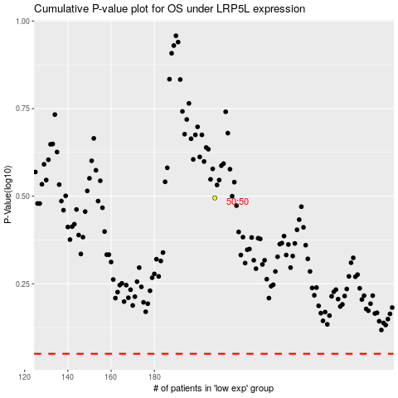

 |  |  |  |  |  | cases_OS | p_OS | rank | exp
 |  |  |  |  |  |  | cases_RFS | p_RFS | rank | exp

