LRP6 _multivariate
Reported by Tex Li-Hsing Chi. tex@gate.sinica.edu.tw 2019-08-18

Table 2. The clinicopathological features of HNSCC cohort and LRP6 expression. (Chi square test)
Cutoff at -0.299 (49.8%)
 |  | LRP6 expression |  | LRP6 expression |  | (Optimised)
 | Features | Low | (%) | High | (%) | Case no | P-value | Remark | Matthews
Gender | Female | 142 | 34.2 | 164 | 39.5 | 415 | 0.0238 | 1 | 0
2 | Male | 65 | 15.7 | 44 | 10.6
Age at diagnosis | <=65y | 133 | 32 | 141 | 34 | 415 | 0.5111 | 0 | 0
4 | >65y | 74 | 17.8 | 67 | 16.1
Clinical T Status | T1+T2 | 71 | 17.1 | 78 | 18.8 | 415 | 0.5638 | 0 | 0
6 | T3+T4 | 136 | 32.8 | 130 | 31.3
Clinical N Status | N0 | 109 | 26.3 | 107 | 25.8 | 415 | 0.8812 | 0 | 0
8 | N1-3 | 98 | 23.6 | 101 | 24.3
Clinical M Status | M0 | 204 | 49.2 | 208 | 50.1 | 415 | 0.1232 | 0 | 0
10 | M1 | 3 | 0.7 | 0 | 0
Clinical Stage | Stage I+II | 49 | 11.8 | 53 | 12.8 | 415 | 0.7535 | 0 | 0
12 | Stage III+IV | 158 | 38.1 | 155 | 37.3
Surgical Margin status | Negative | 156 | 37.6 | 162 | 39 | 415 | 0.5636 | 0 | 0
14 | Positive | 51 | 12.3 | 46 | 11.1
Tobacco Exposure | Low | 94 | 22.7 | 67 | 16.1 | 415 | 0.0065 | 1 | 0
16 | High | 113 | 27.2 | 141 | 34

Table 3. Univariate/Multivariate Cox's proportional hazards regression analyses on OS time of LRP6 gene expression in HNSCC

 |  | Univariate |  |  |  | Multivariate
 | Features | HR | CI95%(L) | CI95%(H) | P-value | HR | CI95%(L) | CI95%(H) | P-value
1 | Female | 1 |  |  |  | 1
Gender | Male | 1.157 | 0.843 | 1.587 | 0.367 | 1.189 | 0.848 | 1.669 | 0.316
11 | <=65y | 1 |  |  |  | 1
Age at diagnosis | >65y | 1.329 | 0.99 | 1.784 | 0.058 | 1.394 | 1.025 | 1.895 | 0.034
12 | T1+T2 | 1 |  |  |  | 1
Clinical T Status | T3+T4 | 1.409 | 1.028 | 1.931 | 0.033 | 2.194 | 1.16 | 4.148 | 0.016
13 | N0 | 1 |  |  |  | 1
Clinical N Status | N1-3 | 1.185 | 0.89 | 1.577 | 0.246 | 1.244 | 0.872 | 1.775 | 0.228
14 | M0 | 1 |  |  |  | 1
Clinical M Status | M1 | 4.097 | 1.009 | 16.644 | 0.049 | 9.074 | 1.958 | 42.048 | 0.005
15 | Stage I+II | 1 |  |  |  | 1
Clinical Stage | Stage III+IV | 1.245 | 0.882 | 1.759 | 0.213 | 0.505 | 0.235 | 1.084 | 0.08
16 | Negative | 1 |  |  |  | 1
Surgical Margin status | Positive | 1.591 | 1.155 | 2.191 | 0.004 | 1.66 | 1.199 | 2.298 | 0.002
17 | Low | 1 |  |  |  | 1
Tobacco Exposure | High | 1.364 | 1.008 | 1.844 | 0.044 | 1.468 | 1.06 | 2.031 | 0.021
18 | Low | 1 |  |  |  | 1
RNAseq(z-score) | High | 0.918 | 0.688 | 1.225 | 0.56 | 0.943 | 0.697 | 1.275 | 0.702

Table 4. Univariate/Multivariate Cox's proportional hazards regression analyses on RFS time of LRP6 gene expression in HNSCC

 |  | Univariate |  |  |  | Multivariate
 | Features | HR | CI95%(L) | CI95%(H) | P-value | HR | CI95%(L) | CI95%(H) | P-value
1 | Female | 1 |  |  |  | 1
Gender | Male | 1.157 | 0.843 | 1.587 | 0.367 | 1.189 | 0.848 | 1.669 | 0.316
11 | <=65y | 1 |  |  |  | 1
Age at diagnosis | >65y | 1.329 | 0.99 | 1.784 | 0.058 | 1.394 | 1.025 | 1.895 | 0.034
12 | T1+T2 | 1 |  |  |  | 1
Clinical T Status | T3+T4 | 1.409 | 1.028 | 1.931 | 0.033 | 2.194 | 1.16 | 4.148 | 0.016
13 | N0 | 1 |  |  |  | 1
Clinical N Status | N1-3 | 1.185 | 0.89 | 1.577 | 0.246 | 1.244 | 0.872 | 1.775 | 0.228
14 | M0 | 1 |  |  |  | 1
Clinical M Status | M1 | 4.097 | 1.009 | 16.644 | 0.049 | 9.074 | 1.958 | 42.048 | 0.005
15 | Stage I+II | 1 |  |  |  | 1
Clinical Stage | Stage III+IV | 1.245 | 0.882 | 1.759 | 0.213 | 0.505 | 0.235 | 1.084 | 0.08
16 | Negative | 1 |  |  |  | 1
Surgical Margin status | Positive | 1.591 | 1.155 | 2.191 | 0.004 | 1.66 | 1.199 | 2.298 | 0.002
17 | Low | 1 |  |  |  | 1
Tobacco Exposure | High | 1.364 | 1.008 | 1.844 | 0.044 | 1.468 | 1.06 | 2.031 | 0.021
18 | Low | 1 |  |  |  | 1
RNAseq(z-score) | High | 0.918 | 0.688 | 1.225 | 0.56 | 0.943 | 0.697 | 1.275 | 0.702

Kaplan-Meier survival estimate: Cutoff at -0.299 (49.8%)



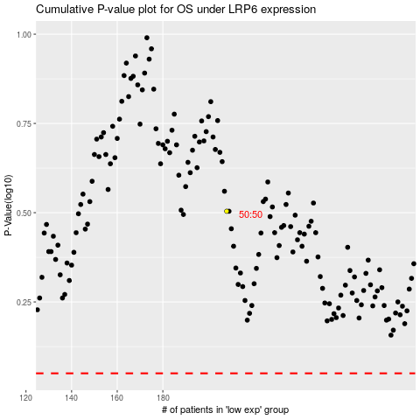

 |  |  |  |  |  | cases_OS | p_OS | rank | exp
 |  |  |  |  |  |  | cases_RFS | p_RFS | rank | exp

