LRP8 _multivariate
Reported by Tex Li-Hsing Chi. tex@gate.sinica.edu.tw 2019-08-18

Table 2. The clinicopathological features of HNSCC cohort and LRP8 expression. (Chi square test)
Cutoff at -0.195 (50.0%)
 |  | LRP8 expression |  | LRP8 expression |  | (Optimised)
 | Features | Low | (%) | High | (%) | Case no | P-value | Remark | Matthews
Gender | Female | 147 | 35.4 | 159 | 38.3 | 415 | 0.2523 | 0 | 0
2 | Male | 60 | 14.5 | 49 | 11.8
Age at diagnosis | <=65y | 133 | 32 | 141 | 34 | 415 | 0.5111 | 0 | 0
4 | >65y | 74 | 17.8 | 67 | 16.1
Clinical T Status | T1+T2 | 84 | 20.2 | 65 | 15.7 | 415 | 0.0603 | 0 | 0
6 | T3+T4 | 123 | 29.6 | 143 | 34.5
Clinical N Status | N0 | 107 | 25.8 | 109 | 26.3 | 415 | 0.9624 | 0 | 0
8 | N1-3 | 100 | 24.1 | 99 | 23.9
Clinical M Status | M0 | 206 | 49.6 | 206 | 49.6 | 415 | 1 | 0 | 0
10 | M1 | 1 | 0.2 | 2 | 0.5
Clinical Stage | Stage I+II | 52 | 12.5 | 50 | 12 | 415 | 0.8871 | 0 | 0
12 | Stage III+IV | 155 | 37.3 | 158 | 38.1
Surgical Margin status | Negative | 163 | 39.3 | 155 | 37.3 | 415 | 0.3537 | 0 | 0
14 | Positive | 44 | 10.6 | 53 | 12.8
Tobacco Exposure | Low | 104 | 25.1 | 57 | 13.7 | 415 | 0 | 1 | 0
16 | High | 103 | 24.8 | 151 | 36.4

Table 3. Univariate/Multivariate Cox's proportional hazards regression analyses on OS time of LRP8 gene expression in HNSCC

 |  | Univariate |  |  |  | Multivariate
 | Features | HR | CI95%(L) | CI95%(H) | P-value | HR | CI95%(L) | CI95%(H) | P-value
1 | Female | 1 |  |  |  | 1
Gender | Male | 1.157 | 0.843 | 1.587 | 0.367 | 1.202 | 0.86 | 1.679 | 0.282
11 | <=65y | 1 |  |  |  | 1
Age at diagnosis | >65y | 1.329 | 0.99 | 1.784 | 0.058 | 1.392 | 1.023 | 1.892 | 0.035
12 | T1+T2 | 1 |  |  |  | 1
Clinical T Status | T3+T4 | 1.409 | 1.028 | 1.931 | 0.033 | 2.201 | 1.16 | 4.178 | 0.016
13 | N0 | 1 |  |  |  | 1
Clinical N Status | N1-3 | 1.185 | 0.89 | 1.577 | 0.246 | 1.241 | 0.87 | 1.77 | 0.234
14 | M0 | 1 |  |  |  | 1
Clinical M Status | M1 | 4.097 | 1.009 | 16.644 | 0.049 | 9.401 | 2.045 | 43.22 | 0.004
15 | Stage I+II | 1 |  |  |  | 1
Clinical Stage | Stage III+IV | 1.245 | 0.882 | 1.759 | 0.213 | 0.505 | 0.235 | 1.085 | 0.08
16 | Negative | 1 |  |  |  | 1
Surgical Margin status | Positive | 1.591 | 1.155 | 2.191 | 0.004 | 1.671 | 1.208 | 2.312 | 0.002
17 | Low | 1 |  |  |  | 1
Tobacco Exposure | High | 1.364 | 1.008 | 1.844 | 0.044 | 1.452 | 1.048 | 2.014 | 0.025
18 | Low | 1 |  |  |  | 1
RNAseq(z-score) | High | 1.151 | 0.864 | 1.534 | 0.337 | 1.002 | 0.743 | 1.351 | 0.99

Table 4. Univariate/Multivariate Cox's proportional hazards regression analyses on RFS time of LRP8 gene expression in HNSCC

 |  | Univariate |  |  |  | Multivariate
 | Features | HR | CI95%(L) | CI95%(H) | P-value | HR | CI95%(L) | CI95%(H) | P-value
1 | Female | 1 |  |  |  | 1
Gender | Male | 1.157 | 0.843 | 1.587 | 0.367 | 1.202 | 0.86 | 1.679 | 0.282
11 | <=65y | 1 |  |  |  | 1
Age at diagnosis | >65y | 1.329 | 0.99 | 1.784 | 0.058 | 1.392 | 1.023 | 1.892 | 0.035
12 | T1+T2 | 1 |  |  |  | 1
Clinical T Status | T3+T4 | 1.409 | 1.028 | 1.931 | 0.033 | 2.201 | 1.16 | 4.178 | 0.016
13 | N0 | 1 |  |  |  | 1
Clinical N Status | N1-3 | 1.185 | 0.89 | 1.577 | 0.246 | 1.241 | 0.87 | 1.77 | 0.234
14 | M0 | 1 |  |  |  | 1
Clinical M Status | M1 | 4.097 | 1.009 | 16.644 | 0.049 | 9.401 | 2.045 | 43.22 | 0.004
15 | Stage I+II | 1 |  |  |  | 1
Clinical Stage | Stage III+IV | 1.245 | 0.882 | 1.759 | 0.213 | 0.505 | 0.235 | 1.085 | 0.08
16 | Negative | 1 |  |  |  | 1
Surgical Margin status | Positive | 1.591 | 1.155 | 2.191 | 0.004 | 1.671 | 1.208 | 2.312 | 0.002
17 | Low | 1 |  |  |  | 1
Tobacco Exposure | High | 1.364 | 1.008 | 1.844 | 0.044 | 1.452 | 1.048 | 2.014 | 0.025
18 | Low | 1 |  |  |  | 1
RNAseq(z-score) | High | 1.151 | 0.864 | 1.534 | 0.337 | 1.002 | 0.743 | 1.351 | 0.99

Kaplan-Meier survival estimate: Cutoff at -0.195 (50.0%)



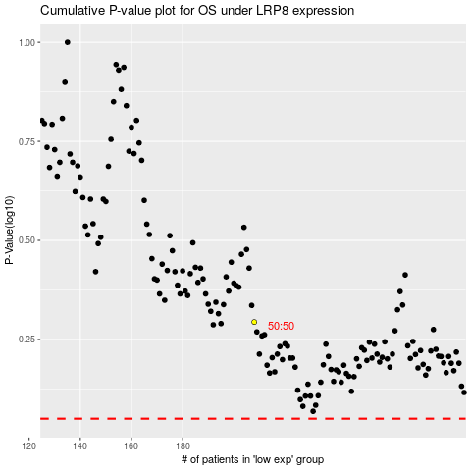

 |  |  |  |  |  | cases_OS | p_OS | rank | exp
 |  |  |  |  |  |  | cases_RFS | p_RFS | rank | exp

