LRPAP1 _multivariate
Reported by Tex Li-Hsing Chi. tex@gate.sinica.edu.tw 2019-08-18

Table 2. The clinicopathological features of HNSCC cohort and LRPAP1 expression. (Chi square test)
Cutoff at -0.099 (55.6%)
 |  | LRPAP1 expression |  | LRPAP1 expression |  | (Optimised)
 | Features | Low | (%) | High | (%) | Case no | P-value | Remark | Matthews
Gender | Female | 176 | 42.4 | 130 | 31.3 | 415 | 0.1848 | 0 | 0
2 | Male | 54 | 13 | 55 | 13.3
Age at diagnosis | <=65y | 153 | 36.9 | 121 | 29.2 | 415 | 0.8931 | 0 | 0
4 | >65y | 77 | 18.6 | 64 | 15.4
Clinical T Status | T1+T2 | 81 | 19.5 | 68 | 16.4 | 415 | 0.8243 | 0 | 0
6 | T3+T4 | 149 | 35.9 | 117 | 28.2
Clinical N Status | N0 | 121 | 29.2 | 95 | 22.9 | 415 | 0.876 | 0 | 0
8 | N1-3 | 109 | 26.3 | 90 | 21.7
Clinical M Status | M0 | 229 | 55.2 | 183 | 44.1 | 415 | 0.588 | 0 | 0
10 | M1 | 1 | 0.2 | 2 | 0.5
Clinical Stage | Stage I+II | 53 | 12.8 | 49 | 11.8 | 415 | 0.487 | 0 | 0
12 | Stage III+IV | 177 | 42.7 | 136 | 32.8
Surgical Margin status | Negative | 174 | 41.9 | 144 | 34.7 | 415 | 0.6416 | 0 | 0
14 | Positive | 56 | 13.5 | 41 | 9.9
Tobacco Exposure | Low | 83 | 20 | 78 | 18.8 | 415 | 0.2246 | 0 | 0
16 | High | 147 | 35.4 | 107 | 25.8

Table 3. Univariate/Multivariate Cox's proportional hazards regression analyses on OS time of LRPAP1 gene expression in HNSCC

 |  | Univariate |  |  |  | Multivariate
 | Features | HR | CI95%(L) | CI95%(H) | P-value | HR | CI95%(L) | CI95%(H) | P-value
1 | Female | 1 |  |  |  | 1
Gender | Male | 1.157 | 0.843 | 1.587 | 0.367 | 1.188 | 0.851 | 1.658 | 0.311
11 | <=65y | 1 |  |  |  | 1
Age at diagnosis | >65y | 1.329 | 0.99 | 1.784 | 0.058 | 1.388 | 1.021 | 1.887 | 0.036
12 | T1+T2 | 1 |  |  |  | 1
Clinical T Status | T3+T4 | 1.409 | 1.028 | 1.931 | 0.033 | 2.121 | 1.121 | 4.015 | 0.021
13 | N0 | 1 |  |  |  | 1
Clinical N Status | N1-3 | 1.185 | 0.89 | 1.577 | 0.246 | 1.219 | 0.855 | 1.739 | 0.274
14 | M0 | 1 |  |  |  | 1
Clinical M Status | M1 | 4.097 | 1.009 | 16.644 | 0.049 | 8.201 | 1.778 | 37.827 | 0.007
15 | Stage I+II | 1 |  |  |  | 1
Clinical Stage | Stage III+IV | 1.245 | 0.882 | 1.759 | 0.213 | 0.534 | 0.248 | 1.147 | 0.108
16 | Negative | 1 |  |  |  | 1
Surgical Margin status | Positive | 1.591 | 1.155 | 2.191 | 0.004 | 1.677 | 1.214 | 2.317 | 0.002
17 | Low | 1 |  |  |  | 1
Tobacco Exposure | High | 1.364 | 1.008 | 1.844 | 0.044 | 1.464 | 1.062 | 2.017 | 0.02
18 | Low | 1 |  |  |  | 1
RNAseq(z-score) | High | 1.367 | 1.024 | 1.825 | 0.034 | 1.338 | 1 | 1.79 | 0.05

Table 4. Univariate/Multivariate Cox's proportional hazards regression analyses on RFS time of LRPAP1 gene expression in HNSCC

 |  | Univariate |  |  |  | Multivariate
 | Features | HR | CI95%(L) | CI95%(H) | P-value | HR | CI95%(L) | CI95%(H) | P-value
1 | Female | 1 |  |  |  | 1
Gender | Male | 1.157 | 0.843 | 1.587 | 0.367 | 1.188 | 0.851 | 1.658 | 0.311
11 | <=65y | 1 |  |  |  | 1
Age at diagnosis | >65y | 1.329 | 0.99 | 1.784 | 0.058 | 1.388 | 1.021 | 1.887 | 0.036
12 | T1+T2 | 1 |  |  |  | 1
Clinical T Status | T3+T4 | 1.409 | 1.028 | 1.931 | 0.033 | 2.121 | 1.121 | 4.015 | 0.021
13 | N0 | 1 |  |  |  | 1
Clinical N Status | N1-3 | 1.185 | 0.89 | 1.577 | 0.246 | 1.219 | 0.855 | 1.739 | 0.274
14 | M0 | 1 |  |  |  | 1
Clinical M Status | M1 | 4.097 | 1.009 | 16.644 | 0.049 | 8.201 | 1.778 | 37.827 | 0.007
15 | Stage I+II | 1 |  |  |  | 1
Clinical Stage | Stage III+IV | 1.245 | 0.882 | 1.759 | 0.213 | 0.534 | 0.248 | 1.147 | 0.108
16 | Negative | 1 |  |  |  | 1
Surgical Margin status | Positive | 1.591 | 1.155 | 2.191 | 0.004 | 1.677 | 1.214 | 2.317 | 0.002
17 | Low | 1 |  |  |  | 1
Tobacco Exposure | High | 1.364 | 1.008 | 1.844 | 0.044 | 1.464 | 1.062 | 2.017 | 0.02
18 | Low | 1 |  |  |  | 1
RNAseq(z-score) | High | 1.367 | 1.024 | 1.825 | 0.034 | 1.338 | 1 | 1.79 | 0.05

Kaplan-Meier survival estimate: Cutoff at -0.099 (55.6%)



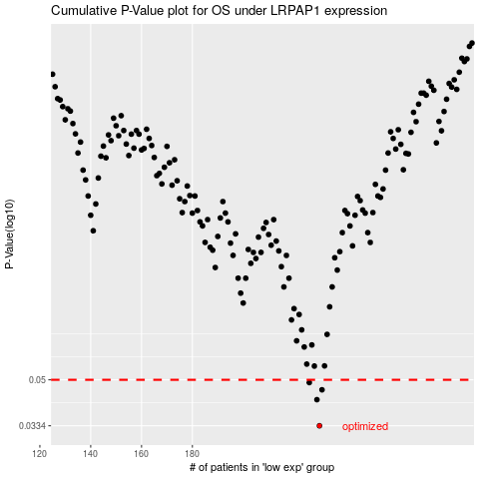

 |  |  |  |  |  | cases_OS | p_OS | rank | exp
 |  |  |  |  |  | 230 | 0.0334 | 148 | -0.098669371788
 |  |  |  |  |  | 229 | 0.042 | 116 | -0.10348309711
 |  |  |  |  |  | 231 | 0.0458 | 410 | -0.093937410785
 |  |  |  |  |  | 226 | 0.0488 | 398 | -0.10872731749
 |  |  |  |  |  |  | cases_RFS | p_RFS | rank | exp
 |  |  |  |  |  |  | 229 | 0.0334 | 116 | -0.10348309711
 |  |  |  |  |  |  | 228 | 0.042 | 111 | -0.10555839782
 |  |  |  |  |  |  | 230 | 0.0458 | 148 | -0.098669371788
 |  |  |  |  |  |  | 225 | 0.0488 | 337 | -0.11420119191

